1.1_CC
Unit Testing |  |  |  | Prerequisites |  |  |  |  | UAT Test 1 |  |  |  | UAT Test 2 |  |  |  | UAT Test 3
Test Case: | 1.Roster Rules |  |  | Tester User ID Level Set To: |  |  |  |  | Passed | 3 |  |  | Passed | 9 |  |  | Passed | 0
Test Description: |  |  |  | Access To: |  |  |  |  | Failed | 2 |  |  | Failed | 0 |  |  | Failed | 0
Created By: | Vorasrisipang Yodhabandhu |  |  | Access To: |  |  |  |  | Blocked | 0 |  |  | Blocked | 0 |  |  | Blocked | 0
Reviewed By: |  |  |  | Access To: |  |  |  |  | Partial Passed | 7 |  |  | Partial Passed | 0 |  |  | Partial Passed | 0
Software Version: |  |  |  | Access To: |  |  |  |  | W_A_D | 0 |  |  | W_A_D |  |  |  | W_A_D
WBS: |  |  |  | Access To:
 |  |  |  | Access To:
Testers Log:
Date Tested:
Testers Name:

Component: | REF: | LSY REF: | LSY RULE # | Description: | Test Action: | Test Steps: | Expected Result: | Severity | UAT 1 | Screenshot: REF1 | Comments/ Notes: 1 | Tested by: 1 | UAT 2 | Screenshot: REF2 | Comments/ Notes:2 | Tested by:2 | UAT 3 | Screenshot: REF3 | Comments/ Notes:3 | Tested by:3
Roster | OM-A C.7 |  |  | WOCL: The period between 02:00 and 05:59 hours in time zone crew is acclimatised. |  | Limit the number of "2" time for WOCL pairing in 1 calendar month. Assign a flight WOCL to the crew. | System shall show error message if over the limit. (DDMMMYY) "The number of WOCL duties in 1 calendar month shall not exceed 2 times." Change the rule type (Soft/Soft with override by password/Hard) Rules: Soft System allow to assign. Rules: Soft with override by password System require to override by password of DP-A Manager and can be assign. Rules: Hard System not allow to assign. | Severity : 1 Rules: Soft System allow to assign. | Partial Passed |  | Cannot change the rule type (Soft/Soft with override by password/Hard) by ourself. If we want to change the rule type, we have to ask to vendor to change for us. | Cabin Team | Passed |  |  | Bush
Roster | OM-A C.7 |  |  | Early Start Duty: Duty schedule departure that commences in the period 0500 to 0659 hours local time. |  | Limit the number of "2" time for Early Start Duty pairing in 1 calendar month. Assign a flight Early Start Duty to the crew. | System shall show error message if over the limit. (DDMMMYY) "The number of early start duties in 1 calendar month shall not exceed 2 times." Change the rule type (Soft/Soft with override by password/Hard) Rules: Soft System allow to assign. Rules: Soft with override by password System require to override by password of DP-A Manager and can be assign. Rules: Hard System not allow to assign. | Severity : 1 Rules: Soft System allow to assign. | Partial Passed |  | Cannot change the rule type (Soft/Soft with override by password/Hard) by ourself. If we want to change the rule type, we have to ask to vendor to change for us. | Cabin Team | Passed |  |  | Bush
Roster | OM-A C.7 |  |  | Late Finish Duty: Duty arrival that end in the period 0100 to 0159 local t |  | Limit the number of "2" time for Late Finish Duty pairing in 1 calendar month. Assign a flight Late Finish Duty to the crew. | System shall show error message if over the limit. (DDMMMYY) "The number of late finish duty duties in 1 calendar month shall not exceed 2 times." Change the rule type (Soft/Soft with override by password/Hard) Rules: Soft System allow to assign. Rules: Soft with override by password System require to override by password of DP-A Manager and can be assign. Rules: Hard System not allow to assign. | Severity : 1 Rules: Soft System allow to assign. | Partial Passed |  | Cannot change the rule type (Soft/Soft with override by password/Hard) by ourself. If we want to change the rule type, we have to ask to vendor to change for us. | Cabin Team | Passed |  |  | Bush
Roster | OM-A C.7 |  |  | Cumulative Flight Times: The cumulative flight times shall not exceed 34 hours in any 7 consecutive days. |  | Assign a flight Duty to the crew for exceed 34 hours in any 7 consecutive days. | The cumulative flight times shall not exceed 34 hours in any 7 consecutive days. System shall show error message if over the limit. (DDMMMYY) Cumulative flight hours violation. Actual cumulative flight hours is XX:XX hours exceeds the max. 34 hours in any 7 consecutive days." Change the rule type (Soft/Soft with override by password/Hard) Rules: Soft System allow to assign. Rules: Soft with override by password System require to override by password of DP-A Manager and can be assign. Rules: Hard System not allow to assign. | Severity : 5 Rules: Soft with override by password System require to override by password of DP-A Manager and can be assign. *On Crew SE : It's called hard rule but can override by password. | Partial Passed |  | Cannot change the rule type (Soft/Soft with override by password/Hard) by ourself. If we want to change the rule type, we have to ask to vendor to change for us. | Cabin Team | Passed |  |  | Bush
Roster | OM-A C.7 |  |  | Cumulative Flight Times: The cumulative flight times shall not exceed 110 hours in any 28 consecutive days. |  | Assign a flight Duty to the crew for exceed 110 hours in any 28 consecutive days. | The cumulative flight times shall not exceed 110 hours in any 28 consecutive days. System shall show error message if over the limit. (DDMMMYY) Cumulative flight hours violation. Actual cumulative flight hours is XXX:XX hours exceeds the max. 110 hours in any 28 consecutive days." Change the rule type (Soft/Soft with override by password/Hard) Rules: Soft System allow to assign. Rules: Soft with override by password System require to override by password of DP-A Manager and can be assign. Rules: Hard System not allow to assign. | Severity : 5 Rules: Soft with override by password System require to override by password of DP-A Manager and can be assign. *On Crew SE : It's called hard rule but can override by password. | Partial Passed |  | Cannot change the rule type (Soft/Soft with override by password/Hard) by ourself. If we want to change the rule type, we have to ask to vendor to change for us. | Cabin Team | Passed |  |  | Bush
Roster | OM-A C.7 |  |  | Cumulative Flight Times: The cumulative flight times shall not exceed 1,000 hours in any 365 consecutive days. (For Pilot Only) |  | Assign a flight Duty to the crew for exceed 1,000 hours in any 365 consecutive days. (For Pilot Only). Assign a flight Duty to the crew for exceed 1,200 hours in any 365 consecutive days. (For Cabin Only). | The cumulative flight times shall not exceed 1,000 hours in any 365 consecutive days. (For Pilot Only) System shall show error message if over the limit. (DDMMMYY) Cumulative flight hours violation. Actual cumulative flight hours is X,XXX:XX hours exceeds the max. 1,000 hours in any 365 consecutive days. (DDMMMYY) Cumulative flight hours violation. Actual cumulative flight hours is X,XXX:XX hours exceeds the max. 1,200 hours in any 365 consecutive days. Change the rule type (Soft/Soft with override by password/Hard) Rules: Soft System allow to assign. Rules: Soft with override by password System require to override by password of DP-A Manager and can be assign. Rules: Hard System not allow to assign. |  | Pilot
Roster | OM-A C.7 |  |  | Flight Time calculations: The Flight Time calculations when the crew is augmented are as follows: - Not less than 80% of the flight time, when augmented by 1 flight crew member - 75% of the flight time, when augmented by 2 flight crew members - 70% of the flight time, when augmented by 3 flight crew members. |  | Assign a flight Duty with Augmented Pilot in to the crew and check crew full block time and crew cumulative flight time. 1. Assign the flight pairing with 1 augmented pilot. 2. Assign the flight pairing with 2 augmented pilots. 3. Assign the flight pairing with 3 augmented pilots. | In pairing info shall show the Total Block Time of the flight. In individual crew info shall record the “Cumulative Block Time” accordance with the rules. |  | Pilot
Roster | OM-A C.7 |  |  | Flight Time calculations: The cumulative flight time for each cabin crew shall be as follows: - 80% of the flight time for a flight sector with more than 8 hour flight time - 75% of the flight time for a flight sector with more than 10 hour flight time - 70% of the flight time for a flight sector with more than 12 hour flight time. |  | Assign a flight Duty to the cabin crew and check crew full block time and crew cumulative flight time. 1. Assign the flight pairing that the flight time for a flight sector with more than 8 hours but not over 10 hours flight time. 2. Assign the flight pairing that the flight time for a flight sector with more than 10 hours but not over 12 hours flight time. 3. Assign the flight pairing that the flight time for a flight sector with more than 12 hours flight time. | In pairing info shall show the Total Block Time of the flight. In individual crew info shall record the “Cumulative Block Time” accordance with the rules. |  | Failed |  | - In pairing info can show the Total Block Time of the flight. But - In individual crew info didn't the record of “Cumulative Block Time”. | Cabin Team | Passed | 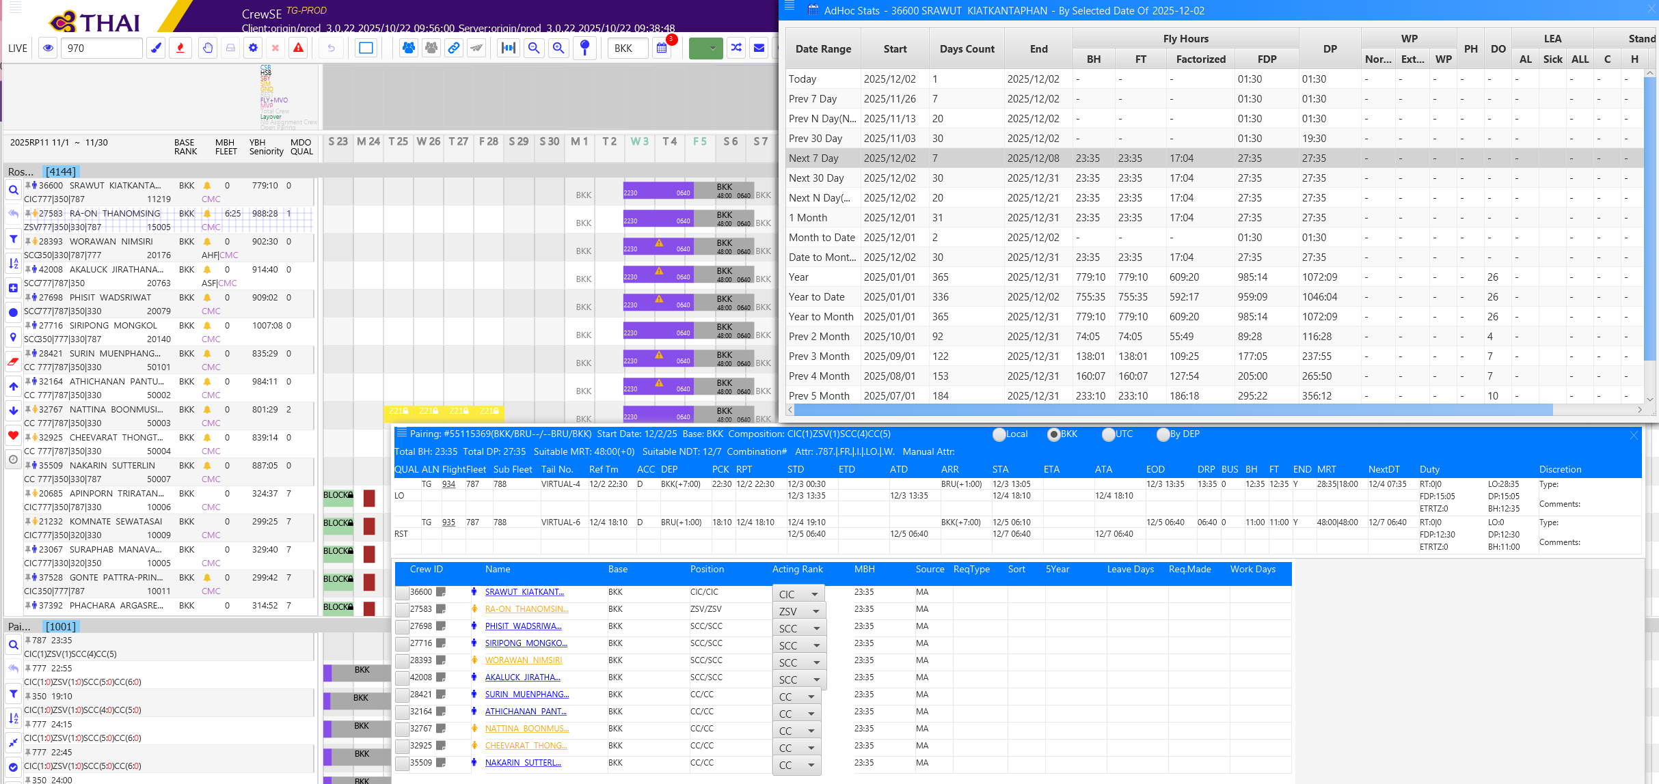 | - In pairing info can show the Total Block Time of the flight. - In individual crew info didn't show the record of “Cumulative Block Time” but can find on "AdHoc Stats" in "Factorized" Fly Hours for "Cumulative Block Time". | Bush
Roster | OM-A C.7 |  |  | Standby period: The standby period shall not exceed 12 hours within 24hours. |  | Assign duty “CHMSBA”, “CHMSBB”, “CHMSB3”, “PHMSBA”, “PHMSBB”, “PHMSB3”, “SBS” Duty to the crew. 1. Time 08:00-20:01 2. Time 01:00-14:00 3. Time 04:30-16:30 | System shall not allow to assign “The standby period exceed 12 hours within 24hours." System shall show error message if over the limit. 1.(DDMMMYY) "Actual standby is 12:01 hours violation. The stndby period shall not exceed 12 hours within 24 hours. 2.(DDMMMYY) "Actual standby is 13:00 hours violation. The stndby period shall not exceed 12 hours within 24 hours. 3.System allow to assign. Change the rule type (Soft/Soft with override by password/Hard) Rules: Soft System allow to assign. Rules: Soft with override by password System require to override by password of DP-A Manager and can be assign. Rules: Hard System not allow to assign. | Severity : 2 Rules: Soft with override System allow to assign by click override bottom. | Partial Passed |  | Cannot change the rule type (Soft/Soft with override by password/Hard) by ourself. If we want to change the rule type, we have to ask to vendor to change for us. | Cabin Team | Passed |  |  | Bush
Roster | OM-A C.7 |  |  | Standby period: The continuous standby period shall not exceed 72 hours and shall have a rest period not less than 24 hours before the next flight duty. |  | Assign duty “CHMSBA”, “CHMSBB”, “CHMSB3”, “PHMSBA”, “PHMSBB”, “PHMSB3”, “SBS” Duty to the crew. A. Assign any standby code as above to 1 crew time “08:00-20:00” each day on date 1 to 6. B. Assign any standby code as above to 1 crew in A. time “08:00-20:00” on date 7. | System shall not allow to assign “The continuous standby period shall not exceed 72 hours and shall have a rest period not less than 24 hours before the next flight duty" System shall show error message if over the limit. A. System allow to assign. B. "(DDMMMYY) Actual standby period is 84 hours violation. The continuous standby period shall not exceed 72 hours. | Severity : 5 Rules: Soft with override by password System require to override by password of DP-A Manager and can be assign. *On Crew SE : It's called hard rule but can override by password. | Partial Passed |  | The Standby Limited, they set period of limited not on HOUR period but limilted by working duty DAY. | Cabin Team | Passed |  |  | Bush
Roster | OM-A C.7 |  |  | Standby period: The continuous standby period shall not exceed 3 days. |  | Assign duty “CHMSBA”, “CHMSBB”, “CHMSB3”, “PHMSBA”, “PHMSBB”, “PHMSB3”, “SBS” Duty to the crew. A. Assign any standby code as above to 1 crew time “08:00-20:00” each day on date 1 to 3. B. Assign any standby code as above to 1 crew in A. time “08:00-20:00” on date 4. | System shall not allow to assign “The continuous standby period shall not exceed 3 days." System shall show error message if over the limit. A. System allow to assign. B. "(DDMMMYY) Actual standby period is 4 days violation. The continuous standby period shall not 3 days. | Severity : 2 Rules: Soft System allow to assign. | Failed |  | System didn't show the error message about 4 days violation. Only show massage for the gab between the standby for 1 day. | Cabin Team | Passed |  |  | Bush
Roster | OM-A C.7 |  |  | Standby period: After the continuous standby period total 72 hours shall have a rest period not less than 24 hours before the next flight duty. |  | Assign duty “CHMSBA”, “CHMSBB”, “CHMSB3”, “PHMSBA”, “PHMSBB”, “PHMSB3”, “SBS” Duty to the crew. A. Assign any standby code as above to 1 crew time “08:00-20:00” each day on date 1 to 6. Check rest after the latest standby. | System shall not allow to assign “The continuous standby period shall not exceed 72 hours and shall have a rest period not less than 24 hours before the next flight duty" System shall show error message if over the limit. A. System allow to assign Standby duty with minimum rest after latest standby shall not less than 24 hours before the next flight duty. | Severity : 2 Rules: Soft System allow to assign. | Passed |  |  | Cabin Team
Roster | OM-A C.7 |  |  | Standby period: After the continuous standby period total 3 days shall have a rest period not less than 24 hours before the next flight duty. |  | Assign duty “CHMSBA”, “CHMSBB”, “CHMSB3”, “PHMSBA”, “PHMSBB”, “PHMSB3”, “SBS” Duty to the crew. A. Assign any standby code as above to 1 crew each day on date 1 to 3. Check rest after the latest standby. | System shall not allow to assign “The continuous standby period shall not exceed 3 days." System shall show error message if over the limit. A. System allow to assign Standby duty with minimum rest after latest standby shall not less than 24 hours before the next flight duty.. | Severity : 2 Rules: Soft System allow to assign. | Passed |  |  | Cabin Team
Roster |  |  |  | Airline Transport Pilot License (ATPL): Any flight that requires augmented flight crew should have at least 2 pilots holding Airline Transport Pilot License (ATPL) with at least one occupying the seat as qualified at all times. |  | Random check pairing create by Manually of flight with augmented pilots. Check pairing require 2 pilots holding qualification ATPL. Assign pairing to 1FC, 1FP(No ATPL), 1FP(No ATPL) Assign pairing to 1FC, 1FP(No ATPL), 1FP(ATPL) | Manually create pairing with complying the requitement for 2 ATPL in all flight have augmented pilots. System shall show warning meaasge; (DDMMMYY) "Should have at least 2 pilots holding ATPL license for TGXXX." System allow to assign. If warning any other please note in the comment. |  | Pilot
Roster |  |  |  | Duty for calculate Duty Period (DP) and Flight Duty Period (FDP): Flight duties: - normal flights (including training in flight, checks in flight, supervision in flight, evaluation flights) - special flights (including supplementary flights, chartered flights, ferry flights, escape/evacuation flights, delivery flight) - aircraft training flights for flight crew (including check flights of CAAT) - test flights - full flight simulator. |  | Create those pairings. Random check pairing create by Manually, check the calculation of FDP and DP. | Manually create pairing with correct calculation of FDP and DP for pilot. |  | Pilot
Roster |  |  |  | Duty for calculate Duty Period (DP) and Flight Duty Period (FDP): Ground duties: - all kinds of ground training/courses - fixed bases simulator training or cabin mock‑up - periodic emergency or technical training or brush‑up - other functional task in associate with responsible role but not in relationship with flight shall be considered as ground duty - meeting required and scheduled by THAI associated with flight. Standby Deadhead Positioning. |  | Create those pairings. Random check pairing create by Manually, check the calculation of FDP and DP. | Manually create pairing with correct calculation of FDP and DP for pilot. |  | Pilot
Roster |  |  |  | Duty Period (DP) Planning Limit: |  | 1. Assign Ground + Flight duty within 7 days for DP more than 60 hrs in 7 consecutive days. 2. Assign Ground F (DP Credit -1hrs, DP shall calculate base on credit hour) + Flight duty within 7 days for DP more than 60 hrs in 7 consecutive days. 3. Assign Ground + Flight duty within 26 days for DP more than 190 hrs in 26 consecutive days. 4. Assign Ground F (DP Credit -1hrs, DP shall calculate base on credit hour) + Flight duty within 26 days for DP more than 190 hrs in 26 consecutive days. | Assign such a duties to crew and it over the limit system shall show the warning message; (DDMMMYY) "Duty period violation. Actual cumulative duty period is 61:35 hours exceeds the max. 60 hours in any 7 consecutive days." (DDMMMYY) "Duty period violation. Actual cumulative duty period is 195:00 hours exceeds the max. 190 hours in any 28 consecutive days." If warning any other please note in the comment. |  | Passed |  |  | Cabin Team

1.1_FD
Unit Testing |  |  |  | Prerequisites |  |  |  |  | UAT Test 1 |  |  |  | UAT Test 2 |  |  |  | UAT Test 3
Test Case: | 1.Roster Rules |  |  | Tester User ID Level Set To: |  |  |  |  | Passed | 13 |  |  | Passed | 3 |  |  | Passed | 0
Test Description: |  |  |  | Access To: |  |  |  |  | Failed | 4 |  |  | Failed | 0 |  |  | Failed | 0
Created By: | Vorasrisipang Yodhabandhu |  |  | Access To: |  |  |  |  | Blocked | 0 |  |  | Blocked | 0 |  |  | Blocked | 0
Reviewed By: |  |  |  | Access To: |  |  |  |  | Partial Passed | 0 |  |  | Partial Passed | 1 |  |  | Partial Passed | 0
Software Version: |  |  |  | Access To: |  |  |  |  | W_A_D | 0 |  |  | W_A_D |  |  |  | W_A_D
WBS: |  |  |  | Access To:
 |  |  |  | Access To:
Testers Log:
Date Tested:
Testers Name:

Component: | REF: | LSY REF: | LSY RULE # | Description: | Test Action: | Test Steps: | Expected Result: | Severity | UAT 1 | Screenshot: REF1 | Comments/ Notes: 1 | Tested by: 1 | UAT 2 | Screenshot: REF2 | Comments/ Notes:2 | Tested by:2 | UAT 3 | Screenshot: REF3 | Comments/ Notes:3 | Tested by:3
Roster | OM-A C.7 |  |  | WOCL: The period between 02:00 and 05:59 hours in time zone crew is acclimatised. |  | Limit the number of "2" time for WOCL pairing in 1 calendar month. Assign a flight WOCL to the crew. | System shall show error message if over the limit. (DDMMMYY) "The number of WOCL duties in 1 calendar month shall not exceed 2 times." Change the rule type (Soft/Soft with override by password/Hard) Rules: Soft System allow to assign. Rules: Soft with override by password System require to override by password of DP-A Manager and can be assign. Rules: Hard System not allow to assign. |  | Passed |  |  | Pilot team 280825
Roster | OM-A C.7 |  |  | Early Start Duty: Duty schedule departure that commences in the period 0500 to 0659 hours local time. |  | Limit the number of "2" time for Early Start Duty pairing in 1 calendar month. Assign a flight Early Start Duty to the crew. | System shall show error message if over the limit. (DDMMMYY) "The number of early start duties in 1 calendar month shall not exceed 2 times." Change the rule type (Soft/Soft with override by password/Hard) Rules: Soft System allow to assign. Rules: Soft with override by password System require to override by password of DP-A Manager and can be assign. Rules: Hard System not allow to assign. |  | Passed |  |  | Pilot team 280825
Roster | OM-A C.7 |  |  | Late Finish Duty: Duty arrival that end in the period 0100 to 0159 local t |  | Limit the number of "2" time for Late Finish Duty pairing in 1 calendar month. Assign a flight Late Finish Duty to the crew. | System shall show error message if over the limit. (DDMMMYY) "The number of late finish duty duties in 1 calendar month shall not exceed 2 times." Change the rule type (Soft/Soft with override by password/Hard) Rules: Soft System allow to assign. Rules: Soft with override by password System require to override by password of DP-A Manager and can be assign. Rules: Hard System not allow to assign. |  | Passed |  |  | Pilot team 280825
Roster | OM-A C.7 |  |  | Cumulative Flight Times: The cumulative flight times shall not exceed 34 hours in any 7 consecutive days. |  | Assign a flight Duty to the crew for exceed 34 hours in any 7 consecutive days. | The cumulative flight times shall not exceed 34 hours in any 7 consecutive days. System shall show error message if over the limit. (DDMMMYY) Cumulative flight hours violation. Actual cumulative flight hours is XX:XX hours exceeds the max. 34 hours in any 7 consecutive days." Change the rule type (Soft/Soft with override by password/Hard) Rules: Soft System allow to assign. Rules: Soft with override by password System require to override by password of DP-A Manager and can be assign. Rules: Hard System not allow to assign. |  | Passed |  |  | Pilot team 280825
Roster | OM-A C.7 |  |  | Cumulative Flight Times: The cumulative flight times shall not exceed 110 hours in any 28 consecutive days. |  | Assign a flight Duty to the crew for exceed 110 hours in any 28 consecutive days. | The cumulative flight times shall not exceed 110 hours in any 28 consecutive days. System shall show error message if over the limit. (DDMMMYY) Cumulative flight hours violation. Actual cumulative flight hours is XXX:XX hours exceeds the max. 110 hours in any 28 consecutive days." Change the rule type (Soft/Soft with override by password/Hard) Rules: Soft System allow to assign. Rules: Soft with override by password System require to override by password of DP-A Manager and can be assign. Rules: Hard System not allow to assign. |  | Passed |  |  | Pilot team 280825
Roster | OM-A C.7 |  |  | Cumulative Flight Times: The cumulative flight times shall not exceed 1,000 hours in any 365 consecutive days. (For Pilot Only) |  | Assign a flight Duty to the crew for exceed 1,000 hours in any 365 consecutive days. (For Pilot Only). Assign a flight Duty to the crew for exceed 1,200 hours in any 365 consecutive days. (For Cabin Only). | The cumulative flight times shall not exceed 1,000 hours in any 365 consecutive days. (For Pilot Only) System shall show error message if over the limit. (DDMMMYY) Cumulative flight hours violation. Actual cumulative flight hours is X,XXX:XX hours exceeds the max. 1,000 hours in any 365 consecutive days. (DDMMMYY) Cumulative flight hours violation. Actual cumulative flight hours is X,XXX:XX hours exceeds the max. 1,200 hours in any 365 consecutive days. Change the rule type (Soft/Soft with override by password/Hard) Rules: Soft System allow to assign. Rules: Soft with override by password System require to override by password of DP-A Manager and can be assign. Rules: Hard System not allow to assign. |  | Passed |  |  | Pilot team 280825
Roster | OM-A C.7 |  |  | Flight Time calculations: The Flight Time calculations when the crew is augmented are as follows: - Not less than 80% of the flight time, when augmented by 1 flight crew member - 75% of the flight time, when augmented by 2 flight crew members - 70% of the flight time, when augmented by 3 flight crew members. |  | Assign a flight Duty with Augmented Pilot in to the crew and check crew full block time and crew cumulative flight time. 1. Assign the flight pairing with 1 augmented pilot. 2. Assign the flight pairing with 2 augmented pilots. 3. Assign the flight pairing with 3 augmented pilots. | In pairing info shall show the Total Block Time of the flight. In individual crew info shall record the “Cumulative Block Time” accordance with the rules. |  | Failed |  | Calculate incorrect | PILOT TEAM | Passed |  | Correct Calculate with 1 augmented. | Bush
Roster | OM-A C.7 |  |  | Flight Time calculations: The cumulative flight time for each cabin crew shall be as follows: - 80% of the flight time for a flight sector with more than 8 hour flight time - 75% of the flight time for a flight sector with more than 10 hour flight time - 70% of the flight time for a flight sector with more than 12 hour flight time. |  | Assign a flight Duty to the cabin crew and check crew full block time and crew cumulative flight time. 1. Assign the flight pairing that the flight time for a flight sector with more than 8 hours but not over 10 hours flight time. 2. Assign the flight pairing that the flight time for a flight sector with more than 10 hours but not over 12 hours flight time. 3. Assign the flight pairing that the flight time for a flight sector with more than 12 hours flight time. | In pairing info shall show the Total Block Time of the flight. In individual crew info shall record the “Cumulative Block Time” accordance with the rules. |  | Failed |  | - In pairing info can show the Total Block Time of the flight. But - In individual crew info didn't the record of “Cumulative Block Time”. | Pilot team 280825 | Passed |  | - In pairing info can show the Total Block Time of the flight. - In individual crew info didn't show the record of “Cumulative Block Time” but can find on "AdHoc Stats" in "Factorized" Fly Hours for "Cumulative Block Time". | Bush
Roster | OM-A C.7 |  |  | Standby period: The standby period shall not exceed 12 hours within 24hours. |  | Assign duty “CHMSBA”, “CHMSBB”, “CHMSB3”, “PHMSBA”, “PHMSBB”, “PHMSB3”, “SBS” Duty to the crew. 1. Time 08:00-20:01 2. Time 01:00-14:00 3. Time 04:30-16:30 | System shall not allow to assign “The standby period exceed 12 hours within 24hours." System shall show error message if over the limit. 1.(DDMMMYY) "Actual standby is 12:01 hours violation. The stndby period shall not exceed 12 hours within 24 hours. 2.(DDMMMYY) "Actual standby is 13:00 hours violation. The stndby period shall not exceed 12 hours within 24 hours. 3.System allow to assign. Change the rule type (Soft/Soft with override by password/Hard) Rules: Soft System allow to assign. Rules: Soft with override by password System require to override by password of DP-A Manager and can be assign. Rules: Hard System not allow to assign. |  | Passed |  |  | Pilot team 280825
Roster | OM-A C.7 |  |  | Standby period: The continuous standby period shall not exceed 72 hours and shall have a rest period not less than 24 hours before the next flight duty. |  | Assign duty “CHMSBA”, “CHMSBB”, “CHMSB3”, “PHMSBA”, “PHMSBB”, “PHMSB3”, “SBS” Duty to the crew. A. Assign any standby code as above to 1 crew time “08:00-20:00” each day on date 1 to 6. B. Assign any standby code as above to 1 crew in A. time “08:00-20:00” on date 7. | System shall not allow to assign “The continuous standby period shall not exceed 72 hours and shall have a rest period not less than 24 hours before the next flight duty" System shall show error message if over the limit. A. System allow to assign. B. "(DDMMMYY) Actual standby period is 84 hours violation. The continuous standby period shall not exceed 72 hours. |  | Passed |  |  | Pilot team 280825
Roster | OM-A C.7 |  |  | Standby period: The continuous standby period shall not exceed 3 days. |  | Assign duty “CHMSBA”, “CHMSBB”, “CHMSB3”, “PHMSBA”, “PHMSBB”, “PHMSB3”, “SBS” Duty to the crew. A. Assign any standby code as above to 1 crew time “08:00-20:00” each day on date 1 to 3. B. Assign any standby code as above to 1 crew in A. time “08:00-20:00” on date 4. | System shall not allow to assign “The continuous standby period shall not exceed 3 days." System shall show error message if over the limit. A. System allow to assign. B. "(DDMMMYY) Actual standby period is 4 days violation. The continuous standby period shall not 3 days. |  | Passed |  |  | Pilot team 280825
Roster | OM-A C.7 |  |  | Standby period: After the continuous standby period total 72 hours shall have a rest period not less than 24 hours before the next flight duty. |  | Assign duty “CHMSBA”, “CHMSBB”, “CHMSB3”, “PHMSBA”, “PHMSBB”, “PHMSB3”, “SBS” Duty to the crew. A. Assign any standby code as above to 1 crew time “08:00-20:00” each day on date 1 to 6. Check rest after the latest standby. | System shall not allow to assign “The continuous standby period shall not exceed 72 hours and shall have a rest period not less than 24 hours before the next flight duty" System shall show error message if over the limit. A. System allow to assign Standby duty with minimum rest after latest standby shall not less than 24 hours before the next flight duty.. |  | Passed |  |  | Pilot team 280825
Roster | OM-A C.7 |  |  | Standby period: After the continuous standby period total 3 days shall have a rest period not less than 24 hours before the next flight duty. |  | Assign duty “CHMSBA”, “CHMSBB”, “CHMSB3”, “PHMSBA”, “PHMSBB”, “PHMSB3”, “SBS” Duty to the crew. A. Assign any standby code as above to 1 crew each day on date 1 to 3. Check rest after the latest standby. | System shall not allow to assign “The continuous standby period shall not exceed 3 days." System shall show error message if over the limit. A. System allow to assign Standby duty with minimum rest after latest standby shall not less than 24 hours before the next flight duty.. |  | Passed |  |  | Pilot team 280825
Roster |  |  |  | Airline Transport Pilot License (ATPL): Any flight that requires augmented flight crew should have at least 2 pilots holding Airline Transport Pilot License (ATPL) with at least one occupying the seat as qualified at all times. |  | Random check pairing create by Manually of flight with augmented pilots. Check pairing require 2 pilots holding qualification ATPL. Assign pairing to 1FC, 1FP(No ATPL), 1FP(No ATPL) Assign pairing to 1FC, 1FP(No ATPL), 1FP(ATPL) | Manually create pairing with complying the requitement for 2 ATPL in all flight have augmented pilots. System shall show warning meaasge; (DDMMMYY) "Should have at least 2 pilots holding ATPL license for TGXXX." System allow to assign. If warning any other please note in the comment. |  | PASSED |  |  | PILOT TEAM 280825
Roster |  |  |  | Duty for calculate Duty Period (DP) and Flight Duty Period (FDP): Flight duties: - normal flights (including training in flight, checks in flight, supervision in flight, evaluation flights) - special flights (including supplementary flights, chartered flights, ferry flights, escape/evacuation flights, delivery flight) - aircraft training flights for flight crew (including check flights of CAAT) - test flights - full flight simulator. |  | Create those pairings. Random check pairing create by Manually, check the calculation of FDP and DP. | Manually create pairing with correct calculation of FDP and DP for pilot. |  | Failed |  | Don't calculate check-in and check-out time | PILOT TEAM 280825 | Passed |  | Correct Calculate. | Bush
 |  |  |  | Duty for calculate Duty Period (DP) and Flight Duty Period (FDP): Ground duties: - all kinds of ground training/courses - fixed bases simulator training or cabin mock‑up - periodic emergency or technical training or brush‑up - other functional task in associate with responsible role but not in relationship with flight shall be considered as ground duty - meeting required and scheduled by THAI associated with flight. Standby Deadhead Positioning. |  | Create those pairings. Random check pairing create by Manually, check the calculation of FDP and DP. | Manually create pairing with correct calculation of FDP and DP for pilot. |  | Failed | 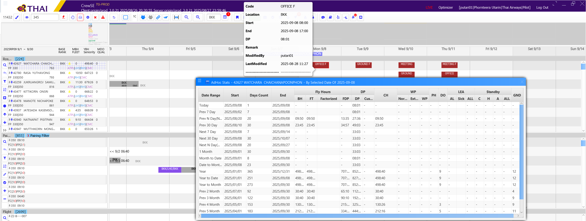 | Calculate DP incorrect | PILOT TEAM 280825 | Partial Passed |  | Due to full flight simulator (SIM F) must count as the flight duty, so it must be "FDP" count on "SIM F" too. But this "SIMF" as capture picture don't have "FDP" on it. Other duty are calculate correct DP and FDP. | Bush
Roster |  |  |  | Duty Period (DP) Planning Limit: |  | 1. Assign Ground + Flight duty within 7 days for DP more than 60 hrs in 7 consecutive days. 2. Assign Ground F (DP Credit -1hrs, DP shall calculate base on credit hour) + Flight duty within 7 days for DP more than 60 hrs in 7 consecutive days. 3. Assign Ground + Flight duty within 26 days for DP more than 190 hrs in 26 consecutive days. 4. Assign Ground F (DP Credit -1hrs, DP shall calculate base on credit hour) + Flight duty within 26 days for DP more than 190 hrs in 26 consecutive days. | Assign such a duties to crew and it over the limit system shall show the warning message; (DDMMMYY) "Duty period violation. Actual cumulative duty period is 61:35 hours exceeds the max. 60 hours in any 7 consecutive days." (DDMMMYY) "Duty period violation. Actual cumulative duty period is 195:00 hours exceeds the max. 190 hours in any 28 consecutive days." If warning any other please note in the comment. |  | Passed |  |  | Pilot team 280825 |  | 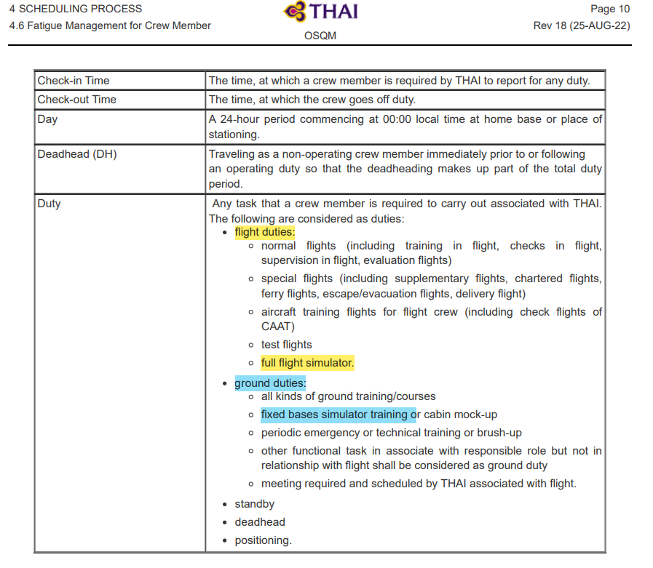

1.2_CC
Unit Testing |  |  |  | Prerequisites |  |  |  |  | UAT Test 1 |  |  |  | UAT Test 2 |  |  |  | UAT Test 3
Test Case: | 1.Roster Rules |  |  | Tester User ID Level Set To: |  |  |  |  | Passed | 10 |  |  | Passed | 4 |  |  | Passed | 0
Test Description: |  |  |  | Access To: |  |  |  |  | Failed | 4 |  |  | Failed | 0 |  |  | Failed | 0
Created By: | Vorasrisipang Yodhabandhu |  |  | Access To: |  |  |  |  | Blocked | 3 |  |  | Blocked | 0 |  |  | Blocked | 0
Reviewed By: |  |  |  | Access To: |  |  |  |  | Partial Passed | 0 |  |  | Partial Passed | 0 |  |  | Partial Passed | 0
Software Version: |  |  |  | Access To: |  |  |  |  | W_A_D | 0 |  |  | W_A_D |  |  |  | W_A_D
WBS: |  |  |  | Access To:
 |  |  |  | Access To:
Testers Log:
Date Tested:
Testers Name:

Component: | REF: | LSY REF: | LSY RULE # | Description: | Test Action: | Test Steps: | Expected Result: | Severity | UAT 1 | Screenshot: REF1 | Comments/ Notes: 1 | Tested by: 1 | UAT 2 | Screenshot: REF2 | Comments/ Notes:2 | Tested by:2 | UAT 3 | Screenshot: REF3 | Comments/ Notes:3 | Tested by:3
Roster | OM-A C.7 |  |  | Rest Period Planning: - Crew should have at least 1 local day free from all duty in any 7 consecutive days. |  | Assign Ground + Flight duty within 7 consecutive days. 1. Assign such duties continuous of 6 days 2. Assign such duties continuous of 7 days 3. Change the rule type (Soft/Soft with override by password/Hard) | Assign such a duties to crew and it over the limit system shall show the warning message; (DDMMMYY) "Should have at least 1 local day free from all duty in any 7 consecutive days." If warning any other please note in the comment. Rules: Soft System allow to assign. Rules: Soft with override by password System require to override by password of DP-A Manager and can be assign. Rules: Hard System not allow to assign. | Severity : 2 Rules: Soft System allow to assign. | Passed |  |  | Cabin Team
Roster | OM-A C.7 |  |  | Rest Period Planning: - Crew should have at least 8 local day free from all duty in each calendar month. |  | Assign Ground + Flight duty within calendar month. 1. Assign such duties in monthly schedule and dayoff more than 8 days 2. Assign such duties in monthly schedule and dayoff less than 8 days 3. Change the rule type (Soft/Soft with override by password/Hard) | Assign such a duties to crew and it over the limit system shall show the warning message; (DDMMMYY) "Should have at least 8 local day free from all duty in each calendar month" If warning any other please note in the comment. Rules: Soft System allow to assign. Rules: Soft with override by password System require to override by password of DP-A Manager and can be assign. Rules: Hard System not allow to assign. | Severity : 2 Rules: Soft System allow to assign. | Passed |  |  | Cabin Team
Roster | OM-A C.7 |  |  | Rest Period Planning: - Crew should have at least 26 local day free from all duty in each calendar quarter. |  | Assign Ground + Flight duty within in each calendar quarter. 1. Assign such duties in calendar quarter schedule and dayoff more than 26 days 2. Assign such duties in calendar quarter schedule and dayoff less than 26 days 3. Change the rule type (Soft/Soft with override by password/Hard) | Assign such a duties to crew and it over the limit system shall show the warning message; (DDMMMYY) "Crew should have at least 26 local day free from all duty in each calendar quarter." If warning any other please note in the comment. Rules: Soft System allow to assign. Rules: Soft with override by password System require to override by password of DP-A Manager and can be assign. Rules: Hard System not allow to assign. | Severity : 2 Rules: Soft System allow to assign. | Passed |  |  | Cabin Team
Roster | OM-A C.7 |  |  | Standby limit: - airport standby: maximum 6 hours for each shift |  | Assign Airport Standby: Pilot: (PAPSB1, PAPSB2 etc.) Cabin: (CAPSB1, CAPSB2 etc.) 1. Assign airport standby duty to crew for 6 hours in 1 duty. 2. Assign airport standby duty to crew for 7 hours in 1 duty. 3. Change the rule type (Soft/Soft with override by password/Hard) | Assign such a duties to crew and it over the limit system shall show the warning message; (DDMMMYY) "Actual airport standby is 7 hours violation. The airport standby period shall not exceed 6 hours for each shift." If warning any other please note in the comment. Rules: Soft System allow to assign. Rules: Soft with override by password System require to override by password of DP-A Manager and can be assign. Rules: Hard System not allow to assign. |  | Failed |  |  | Cabin Team | Passed |  |  | Bush
Roster | OM-A C.7 |  |  | Standby limit: - standby: maximum 12 hours for each shift |  | Assign Standby: Pilot: (PHMSBA, PHMSBB, PHMSB1, PHMSB2, PHMSB3 etc.) Cabin: (CHMSBA, CHMSBB, CHMSB1, CHMSB2, CHMSB3 etc.) 1. Assign standby duty to crew for 12 hours in 1 duty. 2. Assign standby duty to crew for 13 hours in 1 duty. 3. Change the rule type (Soft/Soft with override by password/Hard) | Assign such a duties to crew and it over the limit system shall show the warning message; (DDMMMYY) "Actual standby is 13 hours violation. The standby period shall not exceed 12 hours for each shift." Rules: Soft System allow to assign. Rules: Soft with override by password System require to override by password of DP-A Manager and can be assign. Rules: Hard System not allow to assign. If warning any other please note in the comment. | Severity : 2 Rules: Soft System allow to assign. | Passed |  |  | Cabin Team
Roster | OM-A C.7 |  |  | Crew Fleet Recency: - Can't assign flight pairing fleet "777" to crew due to fleet recency. |  | 1. Assign flight fleet 777 to crew not qualify 777 or recency 777. 2. Change the rule type (Soft/Soft with override by password/Hard) | System shall show error message; (DDMMMYY) "Can't assign flight pairing fleet "777" to crew due to fleet recency. Late active duty fleet "777" was DDMMMYY. Last EM date was DDMMMYY " If warning any other please note in the comment. Rules: Soft System allow to assign. Rules: Soft with override by password System require to override by password of DP-A Manager and can be assign. Rules: Hard System not allow to assign. | Severity : 4 Rules: Soft with override by password System require to override by password of DP-A Manager and can be assign. | Passed |  |  | Cabin Team
Roster | Additional Rules. |  |  | Minimum Qualification "FSTC" SCC in flight: - Minimum 1 crew Qualification "FSTC" and "Male" SCC in flight pairing. - Minimum 1 crew Qualification "FSTC" and "Female" SCC in flight pairing. |  | 1. Assign SCC crew not qualify for “FSTC” full composition. 2. De-assign SCC crew the only one qualify for “FSTC” in flight. 3. Change the rule type (Soft/Soft with override by password/Hard) | System shall show error message; (DDMMMYY) "Should have at least 1 crew Qualification "FSTC" and "Male" of SCC rank in flight pairing." (DDMMMYY) "Should have at least 1 crew Qualification "FSTC" and "Female" of SCC rank in flight pairing." If warning any other please note in the comment. Rules: Soft System allow to assign. Rules: Soft with override by password System require to override by password of DP-A Manager and can be assign. Rules: Hard System not allow to assign. |  | Failed |  | Don't have Attribute "FSTC" on pariing. So, when we assign this pairing to SCC crew who are't ASF or AHF the aleart don't show. | Cabin Team | Passed |  |  | Bush
Roster | Additional Rules. |  |  | Minimum Qualification "Male" SCC in flight: - Minimum 1 crew Qualification "Male" SCC in flight pairing. - Minimum 1 crew Qualification "Male" CC in flight pairing. |  | 1. Assign SCC and CC crew not qualify for “Male” full composition. 2. De-assign SCC and CC crew only qualify for “Male” in flight. 3. Change the rule type (Soft/Soft with override by password/Hard) | System shall show error message; (DDMMMYY) "Should have at least 1 crew Qualification "Male" of SCC rank in flight pairing." (DDMMMYY) "Should have at least 1 crew Qualification "Male" of CC rank in flight pairing." If warning any other please note in the comment. Rules: Soft System allow to assign. Rules: Soft with override by password System require to override by password of DP-A Manager and can be assign. Rules: Hard System not allow to assign. |  | Failed |  | Don't have Attribute "FSTC" on pariing. So, when we assign this pairing to SCC crew who are't ASF or AHF the aleart don't show. | Cabin Team | Passed |  |  | Bush
Roster | Additional Rules. |  |  | Minimum Qualification "CJPL" in flight: - Minimum 1 crew Qualification "CPAL" in flight pairing. |  | 1. Assign all crew not qualify for “CJPL” in flight TG660/661 full composition. 2. De-assign all crew qualify for “CJPL” in flight TG660/661. 3. Change the rule type (Soft/Soft with override by password/Hard) | System shall show error message; (DDMMMYY) "Should have at least 1 crew Qualification "CJPL" in flight pairing Japan." If warning any other please note in the comment. Rules: Soft System allow to assign. Rules: Soft with override by password System require to override by password of DP-A Manager and can be assign. Rules: Hard System not allow to assign. |  | Passed | 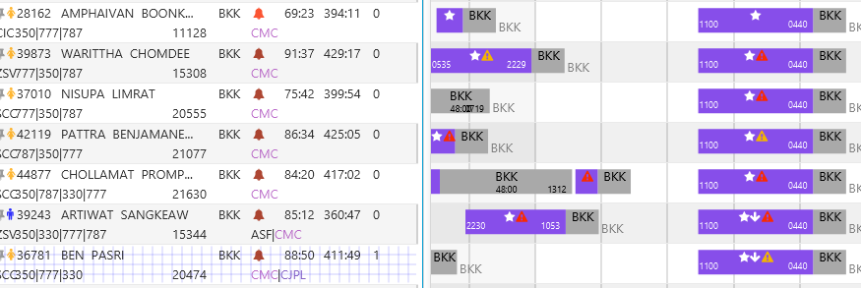 |  | Cabin Team
Roster | Additional Rules. |  |  | Minimum Qualification "CKOL" in flight: - Minimum 1 crew Qualification "CKOL" in flight pairing. |  | 1. Assign all crew not qualify for “CKOL” in flight to TG656/657 full composition. 2. De-assign all crew qualify for “CKOL” in flight to TG656/657. 3. Change the rule type (Soft/Soft with override by password/Hard) | System shall show error message; (DDMMMYY) "Should have at least 1 crew Qualification "CKOL" in flight pairing South Korea." If warning any other please note in the comment. Rules: Soft System allow to assign. Rules: Soft with override by password System require to override by password of DP-A Manager and can be assign. Rules: Hard System not allow to assign. |  | Passed |  |  | Cabin Team
Roster | Additional Rules. |  |  | Minimum Qualification "CCHL" in flight: - Minimum 1 crew Qualification "CCHL" in flight pairing. |  | 1. Assign all crew not qualify for “CCHL” in flight TG662/663 full composition. 2. De-assign all crew qualify for “CCHL” in flight TG662/663. 3. Change the rule type (Soft/Soft with override by password/Hard) | System shall show error message; (DDMMMYY) "Should have at least 1 crew Qualification "CCHL" in flight pairing TG662, TG663." If warning any other please note in the comment. Rules: Soft System allow to assign. Rules: Soft with override by password System require to override by password of DP-A Manager and can be assign. Rules: Hard System not allow to assign. |  | Passed | 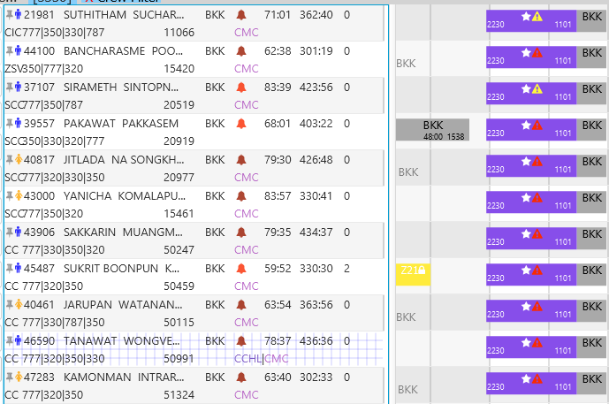 |  | Cabin Team
Roster | Additional Rules. |  |  | Minimum Qualification "MED" in flight: - Minimum 1 crew Qualification "MED" in flight pairing. |  | 1. Assign all crew not qualify for “MED” in flight port JED, MED full composition. 2. De-assign all crew qualify for “MED” in flight port JED, MED. 3. Change the rule type (Soft/Soft with override by password/Hard) | System shall show error message; (DDMMMYY) "Should have at least 1 crew Qualification "MED" in flight pairing port JED, MED." If warning any other please note in the comment. Rules: Soft System allow to assign. Rules: Soft with override by password System require to override by password of DP-A Manager and can be assign. Rules: Hard System not allow to assign. |  | Blocked |  | Don't have "MED", "JED" pairing on testing period. | Cabin Team
Roster | Additional Rules. |  |  | Minimum Qualification "ISLA" in flight: - Minimum 2 crew Qualification "ISLA" in flight pairing. |  | 1. Assign all crew not qualify for “ISLA” in flight port JED, MED full composition. 2. De-assign all crew qualify for “ISLA” in flight port JED, MED. 3. Change the rule type (Soft/Soft with override by password/Hard) | System shall show error message; (DDMMMYY) "Should have at least 2 crew Qualification "ISLA" in flight pairing port JED, MED." Rules: Soft System allow to assign. Rules: Soft with override by password System require to override by password of DP-A Manager and can be assign. Rules: Hard System not allow to assign. If warning any other please note in the comment. |  | Blocked |  | Don't have "MED", "JED" pairing on testing period. | Cabin Team
Roster | Additional Rules. |  |  | Minimum Qualification "XHAJ" in flight: - Minimum 2 crew Qualification "XHAJ" in flight pairing. |  | 1. Assign all crew not qualify for “XHAJ” in flight port JED, MED full composition. 2. De-assign all crew qualify for “XHAJ” in flight port JED, MED. 3. Change the rule type (Soft/Soft with override by password/Hard) | System shall show error message; (DDMMMYY) "Should have at least 2 crew Qualification "XHAJ" in flight pairing port JED, MED." If warning any other please note in the comment. Rules: Soft System allow to assign. Rules: Soft with override by password System require to override by password of DP-A Manager and can be assign. Rules: Hard System not allow to assign. |  | Blocked |  | Don't have "MED", "JED" pairing on testing period. | Cabin Team
Roster | Additional Req. |  |  | Maximum 4 Landing pairing in 1 calendar month: - Maximum 1 number of 4 Landing pairing in 1 calendar month. |  | 1. Setting maximum 4 Landing flight in 1 calendar month at 1. 2. Assign 4 Landing flight in 1 calendar month for 1 pairing. 3. Assign 4 Landing flight in 1 calendar month for 2 pairings. 4. Change the rule type (Soft/Soft with override by password/Hard) | System shall show error message; (DDMMMYY) "Maximum 1 number of 4 Landing pairing in 1 calendar month." If warning any other please note in the comment. Rules: Soft System allow to assign. Rules: Soft with override by password System require to override by password of DP-A Manager and can be assign. Rules: Hard System not allow to assign. |  | Failed | 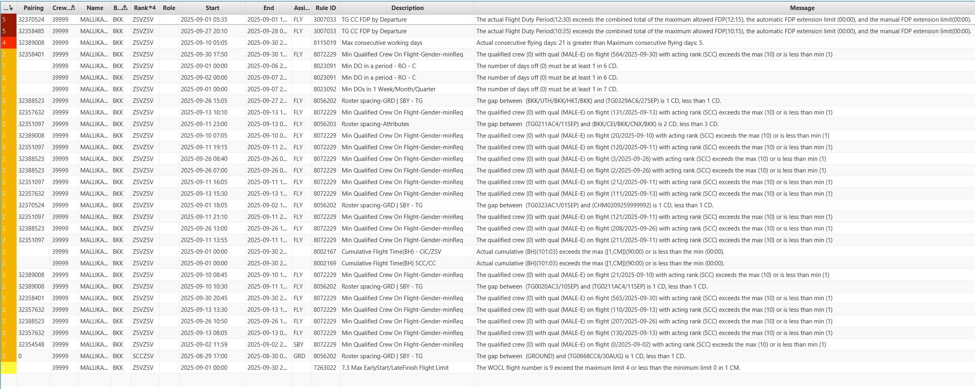 | Don't have any alert message showing about 4 Landing pairing in 1 calendar month. | Cabin Team | Passed |  |  | Bush
Roster | Additional Req. |  |  | Maximum N pairing in 1 calendar month: - Maximum 1 number of N pairing in 1 calendar month. |  | 1. Setting maximum N flight in 1 calendar month at 1. 2. Assign N flight in 1 calendar month for 1 pairing. 3. Assign N flight in 1 calendar month for 2 pairings. 4. Change the rule type (Soft/Soft with override by password/Hard) | System shall show error message; (DDMMMYY) "Maximum 1 number of N pairing in 1 calendar month." If warning any other please note in the comment. Rules: Soft System allow to assign. Rules: Soft with override by password System require to override by password of DP-A Manager and can be assign. Rules: Hard System not allow to assign. | Severity : 2 Rules: Soft System allow to assign. | Passed
Roster | OM-A |  |  | Crew Fleet Qualification: - Can't assign flight pairing fleet "XXX" that crew not qualify. |  | 1. Assign pairing flight fleet 787 to crew not qualify 787. 2. Assign pairing flight fleet 777 to crew qualify 777. 3. Change the rule type (Soft/Soft with override by password/Hard) | System shall show error message; (DDMMMYY) "Can't assign flight pairing fleet "787" to crew due to fleet "787" not qualify. If warning any other please note in the comment. Rules: Soft System allow to assign. Rules: Soft with override by password System require to override by password of DP-A Manager and can be assign. Rules: Hard System not allow to assign. | Severity : 5 Rules: Soft with override by password System require to override by password of DP-A Manager and can be assign. | Passed

3.
Unit Testing |  |  |  | Prerequisites |  |  |  |  | UAT Test 1 |  |  |  | UAT Test 2 |  |  |  | UAT Test 3
Test Case: | 3. Cabin Crew Roster Optimizer |  |  | Tester User ID Level Set To: |  |  |  |  | Passed | 27 |  |  | Passed | 16 |  |  | Passed | 0
Test Description: |  |  |  | Access To: |  |  |  |  | Failed | 13 |  |  | Failed | 2 |  |  | Failed | 0
Created By: | Vorasrisipang Yodhabandhu |  |  | Access To: |  |  |  |  | Blocked | 3 |  |  | Blocked | 0 |  |  | Blocked | 0
Reviewed By: |  |  |  | Access To: |  |  |  |  | Partial Passed | 2 |  |  | Partial Passed | 0 |  |  | Partial Passed | 0
Software Version: |  |  |  | Access To: |  |  |  |  | W_A_D | 0 |  |  | W_A_D |  |  |  | W_A_D
WBS: |  |  |  | Access To:
 |  |  |  | Access To:
Testers Log:
Date Tested:
Testers Name:

Component: | REF: | LSY REF: | LSY RULE # | Description: | Test Action: | Test Steps: | Expected Result: | Severity | UAT 1 | Screenshot: REF1 | Comments/ Notes: 1 | Tested by: 1 | UAT 2 | Screenshot: REF2 | Comments/ Notes:2 | Tested by:2 | UAT 3 | Screenshot: REF3 | Comments/ Notes:3 | Tested by:3
RO |  |  | 8071 | WOCL: |  | Set up limit number of "WOCL" pairing with max 4 times in 1 calendar month. | The number of WOCL duties in 1 calendar month shall not exceed 4 times. |  | Passed |  |  | DP-A Cabin Team | Passed |  |  | DP-A Cabin Team
RO |  |  | 7263 | Early Start Duty: |  | Set up limit number of "Early Start Duty" pairing with max 2 times in 1 calendar month. | The number of Early Start Duty duties in 1 calendar month shall not exceed 2 times. |  | Passed |  |  | DP-A Cabin Team | Passed | 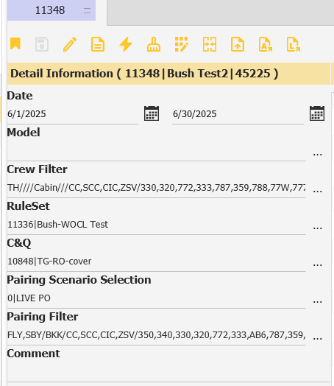 |  | DP-A Cabin Team
RO |  |  | 7263 | Late Finish Duty: Duty arrival that end in the period 0100 to 0159 local time. |  | Set up limit number of "Late Finish Duty" pairing with max 2 times in 1 calendar month. | The number of Late Finish Duty duties in 1 calendar month shall not exceed 2 times. |  | Failed |  | Re-test. Under develop. | DP-A Cabin Team | Passed |  |  | DP-A Cabin Team
RO |  |  | 8002 | Cumulative Flight Times: |  | Random check roster create by RO, check the cumulative flight times shall not exceed 34 hours in any 7 consecutive days. | RO create roster with the cumulative flight times shall not exceed 34 hours in any 7 consecutive days. |  | Passed |  |  | DP-A Cabin Team
RO |  |  | 8002 | Cumulative Flight Times: |  | Random check roster create by RO, check the cumulative flight times shall not exceed 110 hours in any 28 consecutive days. | RO create roster with the cumulative flight times shall not exceed 110 hours in any 28 consecutive days. |  | Passed |  |  | DP-A Cabin Team
RO |  |  | manual sby limit | Standby period: The standby period shall not exceed 12 hours within 24hours. |  | Random check roster create by RO for Standby duty, check the standby period shall not exceed 12 hours within 24hours. | RO create roster with the standby period shall not exceed 12 hours within 24hours. |  | Failed |  | Under develop. Cannot create Standby yet. | DP-A Cabin Team | Passed |  | Change result from Fail to Passed after re-test. | Cabin Team (Bush)
RO |  |  | 7008 | Standby period: The continuous standby period shall not exceed 72 hours and shall have a rest period not less than 24 hours before the next flight duty. |  | Random check roster create by RO for Standby duty, check the continuous standby period shall not exceed 72 hours and shall have a rest period not less than 24 hours before the next flight duty. | RO create roster with the continuous standby period shall not exceed 72 hours and shall have a rest period not less than 24 hours before the next flight duty. |  | Passed |  |  | DP-A Cabin Team
RO |  |  | 6100 | 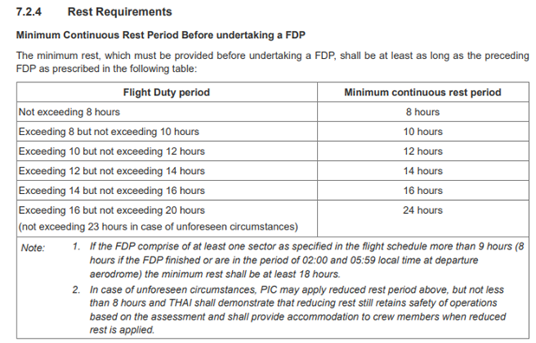 Rest Requirements: |  | Random check roster create by RO with minimum rest period requirement before undertaking a FDP. | RO create roster with complying the minimum rest period requirement before undertaking a FDP. |  | Passed |  |  | DP-A Cabin Team
RO |  | Pairing Detail |  | Duty for calculate Duty Period (DP) and Flight Duty Period (FDP): Flight duties: - normal flights (including training in flight, checks in flight, supervision in flight, evaluation flights) - special flights (including supplementary flights, chartered flights, ferry flights, escape/evacuation flights, delivery flight) - aircraft training flights for flight crew (including check flights of CAAT) - test flights - full flight simulator. |  | Random check roster create by RO, check the calculation of Cumulative FDP and DP. | RO create pairing with correct calculation of Cumulative FDP and DP for cabin crew. |  | Partial Passed |  | FDP didn't calculate from check in time , so , on the system show the wrong FDP. But DP calculate correct. Also, DP and FDP should be the same number. | DP-A Cabin Team | Passed |  | Change result from Fail to Passed after re-test. | Cabin Team (Bush)
RO |  |  | 2107 | Calculate Flight Duty Period (FDP): when a crew member is required to report for duty that includes a flight or a series of flights (Check-in Time) and end 00:30 hours after STA. |  | Random check roster create by RO, check the calculation of Cumulative FDP. | RO create roster with correct calculation of Cumulative FDP for cabin crew. |  | Failed |  | FDP didn't calculate from check in time , so , on the system show the wrong FDP. | DP-A Cabin Team | Passed |  | Change result from Fail to Passed after re-test. | Cabin Team (Bush)
RO |  |  | 6100 | Minimum Rest Planning: At home base after undertaking a FDP: the minimum rest period shall be at least 12 hours for Intercontinental flights, the minimum rest period shall be at least 48 hours |  | Random check roster create by RO, check the minimum rest planning. | RO create roster with correct provide the minimum rest planning for cabin crew. |  | Passed |  |  | DP-A Cabin Team
RO |  |  | 8002 | Duty Period (DP) Planning Limit: |  | Random check roster create by RO with cumulative duty periods (DP) shall not exceed. | RO create roster with complying the cumulative duty periods (DP). |  | Passed |  |  | DP-A Cabin Team
RO |  |  | 8023 | Rest Period Planning: Crew should have at least 1 local day free from all duty in any 7 consecutive days. |  | Random check roster create by RO, check the Crew should have at least 1 local day free from all duty in any 7 consecutive days. | RO create roster with correct provide the Crew should have at least 1 local day free from all duty in any 7 consecutive days. |  | Passed |  |  | DP-A Cabin Team
RO |  |  | 8023 | Rest Period Planning: Crew should have at least 8 local day free from all duty in each calendar month. |  | Random check roster create by RO, check the Crew should have at least 8 local day free from all duty in each calendar month. | RO create roster with correct provide the Crew should have at least 8 local day free from all duty in each calendar month. |  | Passed |  |  | DP-A Cabin Team
RO |  |  | 8023 | Rest Period Planning: Crew should have at least 26 local day free from all duty in each calendar quarter. |  | Random check roster create by RO, check the Crew should have at least 26 local day free from all duty in each calendar quarter. | RO create roster with correct provide the Crew should have at least 26 local day free from all duty in each calendar quarter. |  | Passed |  |  | DP-A Cabin Team
RO |  | manual assign |  | Standby limit: airport standby: maximum 6 hours for each shift. And rest period shall follow the rest period table. 1. Set up Single Airport Standby for 7 hours and composition for 1 CIC of "CAPSB1" duty. 2.Set up Single Airport Standby for 6 hours and composition for 1 CIC of "CAPSB1" duty. |  | Random check roster create by RO for Airport Standby duty, check the airport standby: maximum 6 hours for each shift. 1. System shall not assign any "CAPSB1" to any crew. 2. System shall assign "CAPSB" to crew fleet rank as the composition. | RO create roster with the standby period shall not exceed 6 hours within 24hours. |  | Failed |  | Under develop. Cannot create Standby yet. | DP-A Cabin Team | Passed |  | Change result from Fail to Passed after re-test. | Cabin Team (Bush)
RO |  |  |  | Prevent Recency Expiry: Fleet Recency. |  | Set RO to assign pairing Fleet "787" to crew will recency fleet "787" in the palnning month. Random check roster create by RO. | RO create roster with to prevent the expiry of "Fleet", "Port", "Route" recency. |  | Passed |  |  | DP-A Cabin Team
RO |  | scenario 10957 10977 |  | Crew Fleet Recency: Can't assign flight pairing fleet "XXX" to crew due to fleet "XXX" recency. |  | Random check roster create by RO, check the crew with fleet "787" recency over due. Random check roster create by RO, check the crew with fleet "777" recency over due. Random check roster create by RO, check the crew with fleet "320" recency over due. | RO create roster with shall not assign flight pairing fleet to crew over due to fleet recency. |  | Passed |  |  | DP-A Cabin Team
RO |  |  |  | Crew Fleet Recency: Can't assign flight pairing fleet "350 and 330" to crew due to fleet "350 and 330" recency. |  | Random check roster create by RO, check the crew with fleet "350 or "330" recency over due. | RO create roster with shall not assign flight pairing fleet to crew over due to fleet recency. Can't assign flight pairing fleet "350 and 330" to crew due to fleet "350 and 330" recency. |  | Passed |  |  | DP-A Cabin Team
RO |  |  | 8071 | Maximum 4 Landing pairing in 1 calendar month: |  | Limit maximum 2 flights of 4 landing pairing in 1 calendar month. Random check roster create by RO. | RO create roster with correct provide the maximum 2 flights of 4 landing pairing in 1 calendar month. |  | Passed |  |  | DP-A Cabin Team
RO |  |  | 8071 | Maximum N pairing in 1 calendar month: |  | Limit maximum 2 flights of N pairing in 1 calendar month. Random check roster create by RO. | RO create roster with correct provide the maximum 2 flights of N pairing in 1 calendar month. |  | Passed |  |  | DP-A Cabin Team
RO |  | scenario 10957 10977 |  | Crew Fleet Qualification: |  | Random check roster create by RO. | RO create roster with to prevent to assign flight pairing fleet that crew not qualify. |  | Passed |  |  | DP-A Cabin Team
RO |  |  |  | Limit Block Time for contract "DUAL" |  | Set up limit Block Time for contract "C-DUAL" not more than 20:00 hours in 1 calendar month. | RO create roster with limit Block Time for contract "C-DUAL" not more than 20:00 hours in 1 calendar month. |  | Failed |  | Under develop. Don't have crew contract "DUAL" on system | DP-A Cabin Team | Passed |  | Change result from Fail to Passed after re-test. | Cabin Team (Bush)
RO |  |  |  | Limit Block Time for contract "EXTR" |  | Set up limit Block Time for contract "C-EXTR" not more than 50:00 hours in 1 calendar month. | RO create roster with limit Block Time for contract "C-EXTR" not more than 50:00 hours in 1 calendar month. |  | Failed |  | Under develop. Don't have crew contract "EXTR" on system | DP-A Cabin Team | Passed |  | Change result from Fail to Passed after re-test. | Cabin Team (Bush)
RO |  | set the rule | 8002 | Limit Block Time for rank "XXX" in calendar month. |  | Set up limit Block Time for rank "CIC" not more than the 75:00 hours in 1 calendar month. Set up limit Block Time for rank "ZSV" not more than 80:00 hours in 1 calendar month. Set up limit Block Time for rank "SCC" not more than 80:00 hours in 1 calendar month. Set up limit Block Time for rank "CC" not more than 90:00 hours in 1 calendar month. Set up limit Block Time for rank "CIC" try to close to the 75:00 hours in 1 calendar month. Set up limit Block Time for rank "ZSV" try to close to 80:00 hours in 1 calendar month. Set up limit Block Time for rank "SCC" try to close to 80:00 hours in 1 calendar month. Set up limit Block Time for rank "CC" try to close to 90:00 hours in 1 calendar month. | RO create roster with limit Block Time for each Rank not more than the set up limit in 1 calendar month. |  | Partial Passed |  | Some Crew have Block Hour over limited | DP-A Cabin Team | Passed |  |  | DP-A Cabin Team
RO |  |  |  | Limit Block Time for Specific Contract "XXXX" and Rank "XXX" in calendar month. |  | Set up limit Block Time for Specific Contract "CADM" and Rank "CIC" not more than 00:00 hours in 1 calendar month. Set up limit Block Time for Specific Contract "CKER" and Rank "CIC" not more than 40:00 hours in 1 calendar month. | RO create roster with limit Block Time for each Specific Contract and Rank not more than the set up limit in 1 calendar month. |  | Failed |  | Some Crew have Block Hour over limited | DP-A Cabin Team | Failed | 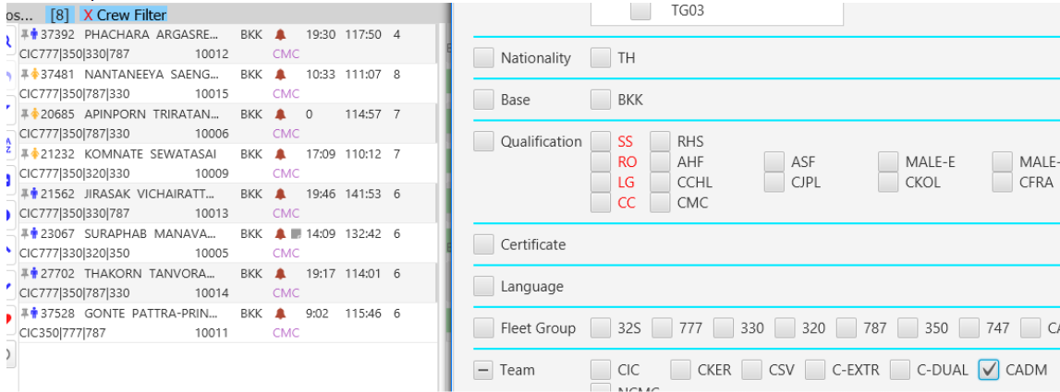 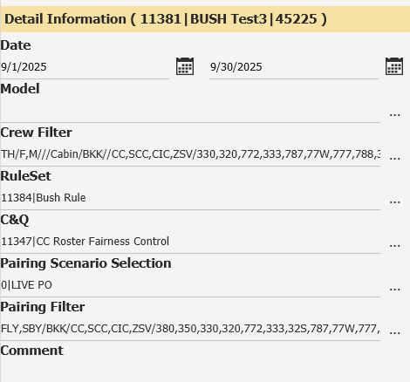 | - RO cannot create roster with limit Block Time for each Specific Contract and Rank not more than the set up limit in 1 calendar month. - CADM not more than 00:00 | Cabin Team (Bush)
RO |  |  | 8056 | Additional Rest Requirements: |  | Set up additional Rest after flight pairing attribute "Z" for 1 dayoff after pairing. Set up additional Rest after flight pairing attribute "N" for 1 dayoff after pairing. Set up additional Rest after flight pairing specific type "JAPAN", "KOREA" for 1 dayoff after pairing. Set up additional Rest after flight pairing specific flight "TG916", TG922" for 3 dayoff after pairing. | RO create roster with additional dayoff after pairing. |  | Passed |  |  | DP-A Cabin Team | Failed |  Attribute "Z" Attribute "N" "Japan"&"Korea" 916 922 | - RO cannot create roster with additional dayoff after pairing. - Pairing Attribute "Z", "N", Japan and Korea must have 1 day off after pairing. - Pairing TG916 and TG922 must have 3 days off after pairing. | DP-A Cabin Team
RO |  |  |  | Pairing Type Fairness for specific Fleet and Rank in 1 calendar month. |  | Set up pairing type attribute "Z" for 4 Landing pairing and limit and average (Max/Min) per crew, rank in 1 calendar month. Set up pairing type attribute "N" for Read Eyes pairing and limit and average (Max/Min) per crew, rank in 1 calendar month. Set up pairing type attribute "F" for 4 Landing and Read Eyes pairing and limit and average (Max/Min) per crew, rank in 1 calendar month. Set up pairing type attribute "J" for Japan pairing and limit and average (Max/Min) per crew, rank in 1 calendar month. Set up pairing type attribute "K" for Korea pairing and limit and average (Max/Min) per crew, rank in 1 calendar month. Set up pairing type attribute "I" for "EUROPE" pairing and limit and average (Max/Min) per crew, rank in 1 calendar month. Set up pairing type attribute "A" for Australia pairing and limit and average (Max/Min) per crew, rank in 1 calendar month. Set up pairing type attribute "W" for Layover "EUROPE", "AUS", "JAPAN", "KOREA" pairing and limit and average (Max/Min) per crew, rank in 1 calendar month. | RO create roster with Pairing Type Fairness for specific Fleet and Rank in 1 calendar month. |  | Passed |  |  | DP-A Cabin Team
RO |  |  | 8056 | Pairing "Attribute", "Port", "Flight Number" spacing. |  | Set up spacing attribute "Z to Z" away minimum 5 days. Set up spacing attribute "N to N" away minimum 5 days. Set up spacing specific port "KTM to KTM" away minimum 30 days. Set up spacing specific flight number "TG916 to TG916" away minimum 60 days with check from the Planning Roster (DP-A Publish Roster). Set up spacing attribute "A to A" away minimum 60 days with check from the Planning Roster (DP-A Publish Roster) | RO create roster with Pairing Attribute Spacing correctly. |  | Failed |  | Not comply with the requirement | DP-A Cabin Team | Passed |  | Change result from Fail to Passed after re-test. | Cabin Team (Bush)
RO |  |  |  | RO not touching the pre-assignment: |  | Random check crew pre-assignment; leave, block, day off, training, ground, sim, flight and other duties. | RO not touching the pre-assignment. |  | Passed |  |  | DP-A Cabin Team
RO |  |  |  | "Weight" of Fairness for specific Fleet and Rank in 1 calendar month. |  | Set up the "Weight" of "Attribute Fairness" for Specific Fleet and Rank for RO as a high priority 90 out of 100. Set up the "Weight" of "Fatigue Fairness" for Specific Fleet and Rank for RO as a high priority 85 out of 100. Set up the "Weight" of "Block Hour Fairness" for Specific Fleet and Rank for RO as a high priority 80 out of 100. Set up the "Weight" of "Coverage Pairing" for Specific Fleet and Rank for RO as a high priority 70 out of 100. | RO create roster with Prioritize Fairness as the weight for specific Fleet and Rank in 1 calendar month. |  | Failed |  | RO cannot optimize the fairness as seen on the picture. | DP-A Cabin Team | Passed |  |  | DP-A Cabin Team
RO |  | filter C-Rececy |  | Qualification Expiry. |  | Random check roster create by RO. | RO create roster with to prevent to assign flight pairing to crew not qualify for qualification "EM", "ASEC", "CRM", "DGR", "WD", "FD". |  | Passed |  |  | DP-A Cabin Team
RO |  |  | 8071 min 1 MALE-CCSCC 8056 1 do before sby | Standby Pattern Assignment: |  | Set up standby pattern CHMSBA+CHMSBB+Dayoff. Set up limit standby pattern per monthly crew roster max 1 pattern. Set up Standby assignment to crew who is away the most from standby duties “SBA”, “SBB” from planning roster (DP-A Publish Roster). Set up Standby assignment by crew fleet 320 and rank “SCC” with qualification “MALE” with limit the number of pattern standby 31 patterns per roster month. Set up Standby assignment by crew fleet 787 and rank “ZSV” with qualification “MALE” with limit the number of pattern standby 62 patterns per roster month. Set up 1 dayoff before standby pattern. | RO create roster with correct standby pattern. RO create roster with standby requirements. RO create roster with 1 dayoff before standy pattern. |  | Failed |  | Under develop. Cannot create standby yet. | DP-A Cabin Team | Passed |  | Change result from Fail to Passed after re-test. | Cabin Team (Bush)
RO |  |  | 8072 | Minimum Qualification "FSTC" SCC in flight: Minimum X crew Qualification "FSTC" SCC in flight pairing. |  | Random check roster create by RO of flight, check the minimum requirement for flight has a first class service. | RO create roster with correct provide the Minimum 1 crew Qualification "FSTC", "MALE" SCC in flight pairing. PO create pairing with correct provide the Minimum 1 crew Qualification "FSTC", "FEMALE" SCC in flight pairing. |  | Passed |  |  | DP-A Cabin Team
RO |  |  |  | Minimum Qualification "Male" SCC in flight: Minimum X crew Qualification "Male" SCC in flight pairing. Minimum Qualification "Male" CC in flight: Minimum X crew Qualification "Male" CC in flight pairing. |  | Random check roster create by RO of flight, check the Minimum 1 crew Qualification "Male" CC in flight pairing. Random check pairing create by PO of flight, check the Minimum 1 crew Qualification "Male" SCC in flight pairing. | RO create roster with correct provide the Minimum 1 crew Qualification "MALE" SCC in flight pairing. RO create roster with correct provide the Minimum 1 crew Qualification "MALE" CC in flight pairing. |  | Failed |  | RO cannot create roster pattern as the following set up. | DP-A Cabin Team | Passed |  |  | DP-A Cabin Team
RO |  |  |  | Minimum Qualification "CJPL" in flight: Minimum 1 crew Qualification "CJPL" in flight pairing. |  | Random check roster create by RO of flight, check the Minimum 1 crew Qualification "CJPL" in flight pairing in specific Japan port "NGO". | RO create roster with correct provide the Minimum 1 crew Qualification "CJPL" in flight pairing. |  | Passed |  |  | DP-A Cabin Team
RO |  |  |  | Minimum Qualification "CKOL" in flight: Minimum 1 crew Qualification "CKOL" in flight pairing. |  | Random check roster create by RO of flight, check the Minimum 1 crew Qualification "CKOL" in flight pairing in specific Korea flight "TG656". | RO create roster with correct provide the Minimum 1 crew Qualification "CKOL" in flight pairing. |  | Passed |  |  | DP-A Cabin Team
RO |  |  |  | Minimum Qualification "CFRA" in flight: Minimum 1 crew Qualification "CFRA" in flight pairing. |  | Random check roster create by RO of flight, check the Minimum 1 crew Qualification "CFRA" in flight pairing in specific France flight "TG930". | RO create roster with correct provide the Minimum 1 crew Qualification "CFRA" in flight pairing. |  | Passed |  |  | DP-A Cabin Team
RO |  |  |  | Minimum Qualification "CCHL" in flight: Minimum 1 crew Qualification "CCHL" in flight pairing. |  | Random check roster create by RO of flight, check the Minimum 1 crew Qualification "CCHL" in flight pairing in specific China flight "TG618", "TG612". | RO create roster with correct provide the Minimum 1 crew Qualification "CCHL" in flight pairing. |  | Passed |  |  | DP-A Cabin Team
RO |  |  |  | Minimum Qualification "MED" in flight: Minimum 1 crew Qualification "MED" in flight pairing. |  | Random check roster create by RO of flight, check the Minimum 1 crew Qualification "MED" in flight pairing in specific port "JED", "MED". | RO create roster with correct provide the Minimum 1 crew Qualification "MED" in flight pairing. |  | Blocked |  | Test period on JUNE dosen't have HAJJ flight to used "MED" Qualification. | DP-A Cabin Team
RO |  |  |  | Minimum Qualification "ISLA" in flight: Minimum 1 crew Qualification "ISLA" in flight pairing. |  | Random check roster create by RO of flight, check the Minimum 1 crew Qualification "ISLA" in flight pairing in specific port "JED", "MED". | RO create roster with correct provide the Minimum 1 crew Qualification "ISLA" in flight pairing. |  | Blocked |  | Test period on JUNE dosen't have HAJJ flight to used "ISLA" Qualification. | DP-A Cabin Team
RO |  |  | 8072 | Minimum Qualification "XHAJ" in flight: Minimum 2 crew Qualification "XHAJ" in flight pairing. |  | Random check roster create by RO of flight, check the Minimum 2 crew Qualification "XHAJ" in flight pairing in specific port "JED", "MED". | RO create roster with correct provide the Minimum 2 crew Qualification "XHAJ" in flight pairing. |  | Blocked |  | Test period on JUNE dosen't have HAJJ flight to used "XHAJ" Qualification. | DP-A Cabin Team
RO |  |  | 8008 | Qualification "CMC" in flight: All Crew in flight shall have Qualification "CMC" in flight pairing. |  | Random check roster create by RO of flight, check all crew shall have Qualification "CMC" in flight pairing in specific port "MUC", "FRA", "OSL", "BRU', "ZRH", "ARN", "CPH". | RO create roster with correct provide pairing require Qualification "CMC" in flight pairing. |  | Passed |  |  | DP-A Cabin Team
RO |  |  | 8056 | Roster Pattern: |  | Set Up Flight Type: Flight M Type (Morning Departure Flight (07.00-12.00) Flight E Type (Evening Departure Flight (19.00-22.00 Set Roster Pattern; M+M+E+1 Day Off in crew fleet “320”, rank “CC” Set Roster Patter: M+E+E+1 Day Off in crew fleet “320, rank “ZSV” | RO create roster pattern following the set up. |  | Failed |  | RO cannot create roster pattern as the following set up. | DP-A Cabin Team | Passed |  |  | DP-A Cabin Team
RO |  |  |  | Publish Roster to Live: |  | Check the complete of roster publish to Live: Roster complete publish to live 100%. Roster complete publish to live with not touch the pre-assignment. Roster complete publish to live with red frame cover the pre-assignment. | RO publish to Live complete. |  | Failed |  | Under develovpe. Cannot publish to Live yet. | DP-A Cabin Team | Passed |  | Change result from Fail to Passed after re-test. | Cabin Team (Bush)

4.
Unit Testing |  |  |  | Prerequisites |  |  |  |  | UAT Test 1 |  |  |  | UAT Test 2 |  |  |  | UAT Test 3
Test Case: | 4. Pilot Roster Optimizer |  |  | Tester User ID Level Set To: |  |  |  |  | Passed | 20 |  |  | Passed | 15 |  |  | Passed | 11
Test Description: |  |  |  | Access To: |  |  |  |  | Failed | 23 |  |  | Failed | 12 |  |  | Failed | 0
Created By: | Vorasrisipang Yodhabandhu |  |  | Access To: |  |  |  |  | Blocked | 0 |  |  | Blocked | 0 |  |  | Blocked | 0
Reviewed By: |  |  |  | Access To: |  |  |  |  | Partial Passed | 4 |  |  | Partial Passed | 0 |  |  | Partial Passed | 0
Software Version: |  |  |  | Access To: |  |  |  |  | W_A_D | 0 |  |  | W_A_D |  |  |  | W_A_D
WBS: |  |  |  | Access To:
 |  |  |  | Access To:
Testers Log:
Date Tested:
Testers Name:

Component: | REF: | LSY REF: | LSY RULE # | Description: | Test Action: | Test Steps: | Expected Result: | Severity | UAT 1 | Screenshot: REF1 | Comments/ Notes: 1 | Tested by: 1 | UAT 2 | Screenshot: REF2 | Comments/ Notes:2 | Tested by:2 | UAT 3 | Screenshot: REF3 | Comments/ Notes:3 | Tested by:3
RO |  |  | 2040 | WOCL: |  | Set up limit number of "WOCL" pairing with max 4 times in 1 calendar month. | The number of WOCL duties in 1 calendar month shall not exceed 4 times. |  | Failed |  | SKIP by vendor / Under development |  | PASSED |  |  | Pilot team (New) Re-test 120825 Scenario: Live
RO |  |  | 2041/7263 | Early Start Duty: |  | Set up limit number of "Early Start Duty" pairing with max 2 times in 1 calendar month. | The number of Early Start Duty duties in 1 calendar month shall not exceed 2 times. |  | Failed |  | SKIP by vendor / Under development |  | PASSED |  |  | Pilot team (New) Re-test 140825 Scenario: 11247
RO |  |  | 2041/7263 | Late Finish Duty: |  | Set up limit number of "Late Finish Duty" pairing with max 2 times in 1 calendar month. | The number of Late Finish Duty duties in 1 calendar month shall not exceed 2 times. |  | Failed |  | SKIP by vendor / Under development |  | PASSED |  |  | Pilot team (New) Re-test 150825 Scenario: 11247
RO |  |  | 8002 | Cumulative Flight Times: |  | Random check roster create by RO, check the cumulative flight times shall not exceed 34 hours in any 7 consecutive days. | RO create roster with the cumulative flight times shall not exceed 34 hours in any 7 consecutive days. |  | Passed |  |  | NEW
RO |  |  | 8002 | Cumulative Flight Times: |  | Random check roster create by RO, check the cumulative flight times shall not exceed 110 hours in any 28 consecutive days. | RO create roster with the cumulative flight times shall not exceed 110 hours in any 28 consecutive days. |  | Passed |  |  | NEW
RO |  |  | 8002 | Cumulative Flight Times: |  | Random check roster create by RO, check the cumulative flight times shall not exceed 1,000 hours in any 365 consecutive days. | RO create roster with the cumulative flight times shall not exceed 1,000 hours in any 365 consecutive days. |  | Failed |  | SKIP by vendor / Under development |  | PASSED |  |  | PILOT TEAM 280825
RO |  |  | manual sby limit | Standby period: The standby period shall not exceed 12 hours within 24hours. |  | Random check roster create by RO for Standby duty, check the standby period shall not exceed 12 hours within 24hours. | RO create roster with the standby period shall not exceed 12 hours within 24hours. |  | Failed |  | Under development |  | FAILED |  | After consult notify that under development | Pilot team (New) Consult 260825 | Passed |  | Got aleart message and have to override by password if assign. | Bush
RO |  |  | 7008 | Standby period: The continuous standby period shall not exceed 72 hours and shall have a rest period not less than 24 hours before the next flight duty. |  | Random check roster create by RO for Standby duty, check the continuous standby period shall not exceed 72 hours and shall have a rest period not less than 24 hours before the next flight duty. | RO create roster with the continuous standby period shall not exceed 72 hours and shall have a rest period not less than 24 hours before the next flight duty. |  | Passed
RO |  |  | 6100 | Rest Requirements: |  | Random check roster create by RO with minimum rest period requirement before undertaking a FDP. | RO create roster with complying the minimum rest period requirement before undertaking a FDP. |  | Passed |  |  | NEW
RO |  |  |  | Duty for calculate Duty Period (DP) and Flight Duty Period (FDP): Flight duties: - normal flights (including training in flight, checks in flight, supervision in flight, evaluation flights) - special flights (including supplementary flights, chartered flights, ferry flights, escape/evacuation flights, delivery flight) - aircraft training flights for flight crew (including check flights of CAAT) - test flights - full flight simulator. |  | Random check roster create by RO, check the calculation of Cumulative FDP and DP. | RO create pairing with correct calculation of Cumulative FDP and DP for cabin crew. |  | Failed | planning phase BKK : 01:45 check-in time (reporting time ) >> correct BKK specific flight (TG481) 01:30 >> correct Deadhead from BKK 01:00 >> correct Other station : 0100 >> correct Actual phase .Failed :1. ** have to calculate FDP from STD not from ATD**. 2. Missimng 30minute afterTG320 |  | P'Tong | FAILED |  | BKK: 01:45 some correct , some fail BKK specific flight (TG481 ) 01:30 have check -in time from STD not ATD. Deadhead from BKK 01:00 >> correct Other station : 0100 >> correct |  | Passed |  | All pairing calculate correct. | Bush
RO |  |  |  | Calculate Flight Duty Period (FDP): when a crew member is required to report for duty that includes a flight or a series of flights (Check-in Time) and end 00:30 hours after STA. |  | Random check roster create by RO, check the calculation of Cumulative FDP. | RO create roster with correct calculation of Cumulative FDP for cabin crew. |  | Failed | planning phase BKK : 01:45 check-in time (reporting time ) >> correct BKK specific flight (TG481) 01:30 >> correct Deadhead from BKK 01:00 >> correct Other station : 0100 >> correct Actual phase .Failed :1. ** have to calculate FDP from STD not from ATD**. 2. Missimng 30minute afterTG320 |  | P'Tong | FAILED |  | BKK: 01:45 some correct , some fail BKK specific flight (TG481 ) 01:30 have check -in time from STD not ATD. Deadhead from BKK 01:00 >> correct Other station : 0100 >> correct |  | Passed |  | Calculate correct. | Bush
RO |  |  | 6100 | Minimum Rest Planning: At home base after undertaking a FDP: the minimum rest period shall be at least 12 hours for Intercontinental flights, the minimum rest period shall be at least 48 hours |  | Random check roster create by RO, check the minimum rest planning. | RO create roster with correct provide the minimum rest planning for cabin crew. |  | Passed |  |  | NEW
RO |  |  | 8002 | Duty Period (DP) Planning Limit: |  | Random check roster create by RO with cumulative duty periods (DP) shall not exceed. | RO create roster with complying the cumulative duty periods (DP). |  | Passed |  |  | NEW
RO |  |  | 8023 | Rest Period Planning: Crew should have at least 1 local day free from all duty in any 7 consecutive days. |  | Random check roster create by RO, check the Crew should have at least 1 local day free from all duty in any 7 consecutive days. | RO create roster with correct provide the Crew should have at least 1 local day free from all duty in any 7 consecutive days. |  | Passed |  |  | NEW
RO |  |  | 8023 | Rest Period Planning: Crew should have at least 8 local day free from all duty in each calendar month. |  | Random check roster create by RO, check the Crew should have at least 8 local day free from all duty in each calendar month. | RO create roster with correct provide the Crew should have at least 8 local day free from all duty in each calendar month. |  | Passed |  |  | NEW
RO |  |  | 8023 | Rest Period Planning: Crew should have at least 26 local day free from all duty in each calendar quarter. |  | Random check roster create by RO, check the Crew should have at least 26 local day free from all duty in each calendar quarter. | RO create roster with correct provide the Crew should have at least 26 local day free from all duty in each calendar quarter. |  | Failed | 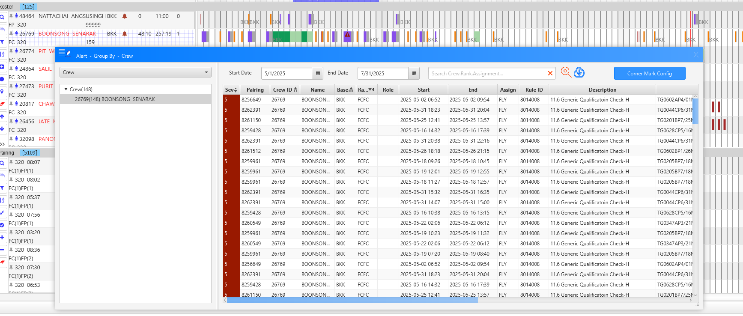 | No notification is shown, and the available days cannot be checked. | NEW | Passed |  |  | Pilot team (New) Re-test 270825
RO |  |  |  | Standby limit: airport standby: maximum 6 hours for each shift. And rest period shall follow the rest period table. 1. Set up Single Airport Standby for 7 hours and composition for 1 FP 777 of "CAPSB1" duty. 2.Set up Single Airport Standby for 6 hours and composition for 1 FP 777 of "CAPSB1" duty. |  | Random check roster create by RO for Airport Standby duty, check the airport standby: maximum 6 hours for each shift. 1. System shall not assign any "CAPSB1" to any crew. 2. System shall assign "CAPSB1" to crew fleet rank as the composition. | RO create roster with the standby period shall not exceed 6 hours within 24hours. |  | Partial Passed | 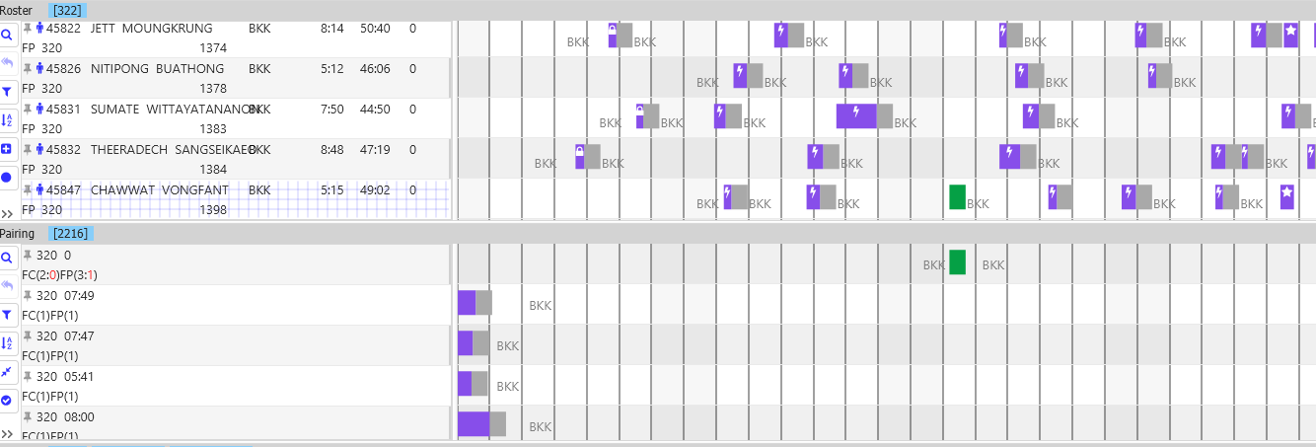 | The required 8-hour rest period after Standby is not applied. | NEW | PASSED
RO |  |  |  | Crew Fleet Recency: Can't assign flight pairing fleet "XXX" to crew due to fleet "XXX" recency. |  | Random check roster create by RO, check the crew with fleet "787" recency over due. Random check roster create by RO, check the crew with fleet "777" recency over due. Random check roster create by RO, check the crew with fleet "330" recency over due. | RO create roster with shall not assign flight pairing fleet to crew over due to fleet recency. |  | Failed |  | Under development |  | FAILED |  |  |  | Passed |  | Fleet recency can assign by override with password and also show alert message. | Bush
RO |  |  |  | Crew Fleet Recency: Can't assign flight pairing fleet "350 and 330" to crew due to fleet "350 and 330" recency. |  | Random check roster create by RO, check the crew with fleet "350 or "330" recency over due. | RO create roster with shall not assign flight pairing fleet to crew over due to fleet recency. Can't assign flight pairing fleet "350 and 330" to crew due to fleet "350 and 330" recency. |  | Failed |  | SKIP by vendor / Under development |  | FAILED |  |  | Pilot team (New) Re-test 150825 | Passed |  | Fleet recency can assign by override with password and also show alert message. | Bush
RO |  |  |  | Maximum 4 Landing pairing in 1 calendar month: |  | Limit maximum 2 flights of 4 landing pairing in 1 calendar month. Random check roster create by RO. | RO create roster with correct provide the maximum 2 flights of 4 landing pairing in 1 calendar month. |  | PASSED |  |  | NEW
RO |  |  |  | Maximum N pairing in 1 calendar month: |  | Limit maximum 2 flights of N pairing in 1 calendar month. Random check roster create by RO. | RO create roster with correct provide the maximum 2 flights of N pairing in 1 calendar month. |  | PASSED |  |  | NEW
RO |  |  |  | Crew Fleet Qualification: |  | Random check roster create by RO. | RO create roster with to prevent to assign flight pairing fleet that crew not qualify. |  | Partial Passed |  | A popup will appear when a flight from fleet 330 is assigned to a crew member from fleet 320, indicating an override | NEW | passed |  |  | Pilot team (New) Re-test 150825 | passed |  |  | New
RO |  |  |  | Limit Block Time for contract "DUAL" |  | Set up limit Block Time for contract "DUAL" not more than 20:00 hours in 1 calendar month. | RO create roster with limit Block Time for contract "DUAL" not more than 20:00 hours in 1 calendar month. |  | PASSED |  |  | NEW
RO |  |  |  | Limit Block Time for contract "EXTR" |  | Set up limit Block Time for contract "EXTR" not more than 50:00 hours in 1 calendar month. | RO create roster with limit Block Time for contract "EXTR" not more than 50:00 hours in 1 calendar month. |  | PASSED |  |  | NEW
RO |  |  |  | Limit Block Time for rank "XXX", fleet "XXX", contract "XXXX" in calendar month. |  | Set up limit Block Time for rank "FC" fleet "350" contract "DUAL" not more than 55:00 hours in 1 calendar month. Set up limit Block Time for rank "FC" fleet "350" contract "NML" not more than 90:00 hours in 1 calendar month. Set up limit Block Time for rank "FC" fleet "350" contract "NML" try to close to 90:00 hours in 1 calendar month. | RO create roster with limit Block Time for each Rank not more than the set up limit in 1 calendar month. |  | Failed |  | The data is in the process of being imported into the system. Under development | NEW | PASSED |  |  | Pilot team (New) Re-test 080825 Scenario: Live
RO |  |  |  | Limit Block Time for Specific Contract "XXXX", Rank "XXX", Fleet "XXX" in calendar month. |  | Set up limit Block Time for Specific Contract "DUAL", Rank "FC", Fleet "350" not more than 20:00 hours in 1 calendar month. | RO create roster with limit Block Time for each Specific Contract and Rank not more than the set up limit in 1 calendar month. |  | Failed |  | SKIP by vendor / Under development | NEW | PASSED |  |  | Pilot team (New) Re-test 150825
RO |  |  |  | Additional Rest Requirements: |  | Set up additional Rest after flight pairing attribute "Z" for 1 dayoff after pairing. Set up additional Rest after flight pairing attribute "N" for 1 dayoff after pairing. Set up additional Rest after flight pairing specific type "JAPAN", "KOREA" for 1 dayoff after pairing. Set up additional Rest after flight pairing specific flight "TG916", TG922" for 3 dayoff after pairing. | RO create roster with additional dayoff after pairing. |  | Passed |  |  | NEW
RO |  |  |  | Pairing Type Fairness for specific Fleet and Rank in 1 calendar month. |  | Set up pairing type attribute "Z" for 4 Landing pairing and limit and average (Max/Min) per crew, rank in 1 calendar month. Set up pairing type attribute "N" for Read Eyes pairing and limit and average (Max/Min) per crew, rank in 1 calendar month. Set up pairing type attribute "F" for 4 Landing and Read Eyes pairing and limit and average (Max/Min) per crew, rank in 1 calendar month. Set up pairing type attribute "J" for Japan pairing and limit and average (Max/Min) per crew, rank in 1 calendar month. Set up pairing type attribute "K" for Korea pairing and limit and average (Max/Min) per crew, rank in 1 calendar month. Set up pairing type attribute "I" for "EUROPE" pairing and limit and average (Max/Min) per crew, rank in 1 calendar month. Set up pairing type attribute "A" for Australia pairing and limit and average (Max/Min) per crew, rank in 1 calendar month. Set up pairing type attribute "W" for Layover "EUROPE", "AUS", "JAPAN", "KOREA" pairing and limit and average (Max/Min) per crew, rank in 1 calendar month. | RO create roster with Pairing Type Fairness for specific Fleet and Rank in 1 calendar month. |  | Passed
RO |  |  |  | Pairing "Attribute", "Port", "Flight Number" spacing. |  | Set up spacing attribute "Z to Z" away minimum 5 days. Set up spacing attribute "N to N" away minimum 5 days. Set up spacing specific port "KTM to KTM" away minimum 30 days. Set up spacing specific flight number "TG916 to TG916" away minimum 60 days with check from the Planning Roster (DP-A Publish Roster). Set up spacing attribute "A to A" away minimum 60 days with check from the Planning Roster (DP-A Publish Roster) | RO create roster with Pairing Attribute Spacing correctly. |  | Passed |  |  | NEW
RO |  |  |  | RO not touching the pre-assignment: |  | Random check crew pre-assignment; leave, block, day off, training, ground, sim, flight and other duties. | RO not touching the pre-assignment. |  | Passed |  |  | NEW
RO |  |  |  | "Weight" of Fairness for specific Fleet and Rank in 1 calendar month. |  | Set up the "Weight" of "Attribute Fairness" for Specific Fleet and Rank for RO as a high priority 90 out of 100. Set up the "Weight" of "Fatigue Fairness" for Specific Fleet and Rank for RO as a high priority 85 out of 100. Set up the "Weight" of "Block Hour Fairness" for Specific Fleet and Rank for RO as a high priority 80 out of 100. Set up the "Weight" of "Coverage Pairing" for Specific Fleet and Rank for RO as a high priority 70 out of 100. | RO create roster with Prioritize Fairness as the weight for specific Fleet and Rank in 1 calendar month. |  | Passed
RO |  |  |  | Qualification Expiry. Check Qualification Name to check; E777, E787 |  | Random check roster create by RO. | RO create roster with to prevent to assign flight pairing to crew not qualify for qualification "EM", "ASEC", "CRM", "DGR", "WD", "FD". |  | Failed |  | Under development |  | PASSED |  |  | Pilot team (New) Re-test 270825
RO |  |  |  | Port Qualification Expiry (Recency). |  | Random check roster create by RO. | RO create roster with to prevent to assign flight pairing port "KTM" to crew not qualify for qualification port "KTM". RO create roster with to prevent to assign flight pairing port "ZRH" to crew not qualify for qualification port "ZRH". |  | Failed |  | Under development |  | PASSED |  |  | Pilot team (New) Re-test 270825
RO |  |  |  | Prevent Recency Expiry: Fleet Recency. Port Recency. Route Recency. |  | Set RO to assign pairing Fleet "787" to crew will recency fleet "787" in the palnning month. Set RO to assign pairing Port "KTM" to crew will recency port "KTM" in the palnning month. Set RO to assign pairing Route "Europe" to crew will recency route "Europe" in the palnning month. Random check roster create by RO. | RO create roster with to prevent the expiry of "Fleet", "Port", "Route" recency. |  | Partial Passed | 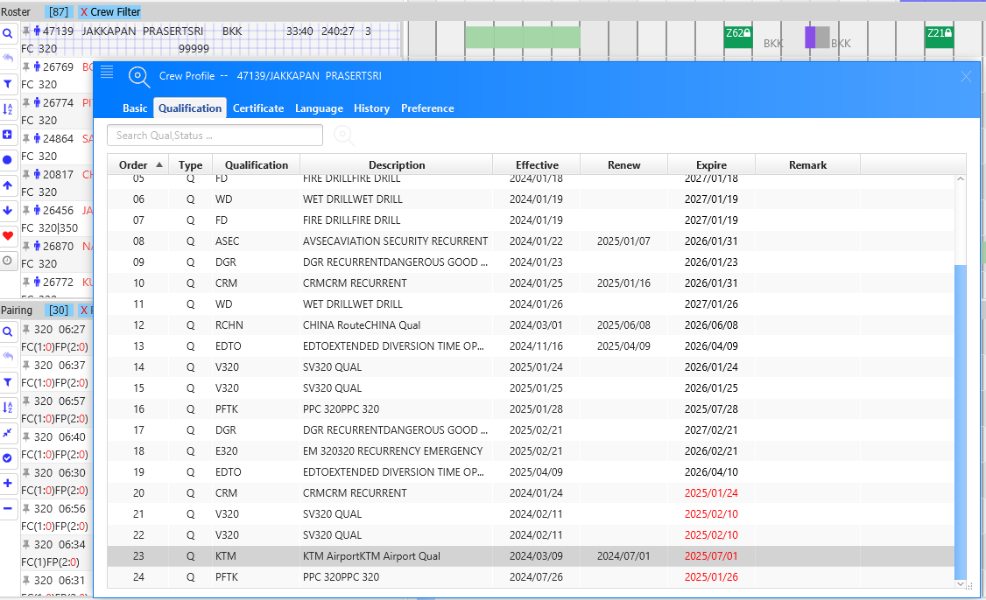 | Assignment can be made without any alert that the Qualification has expired. |  | PASSED |  | SKIP by vendor / Under development | Pilot team (New) Re-test 270825
RO |  |  |  | Route Qualification Expiry (Recency): Crew shall not away from active duty for route "European" more than 12 calendar months. |  | Random check roster create by RO. | RO create roster with to prevent to assign flight pairing type "EUROPE" to crew away form European port more than 12 calendar months. |  | Failed |  | Under development |  | failed |  | SKIP by vendor / Under development
RO |  |  |  | Standby Pattern Assignment: |  | Set up standby pattern PHSBA+PHSBB+Dayoff. Set up limit standby pattern per monthly crew roster max 1 pattern. Set up Standby assignment to crew who is away the most from standby duties “SBA”, “SBB” from planning roster (DP-A Publish Roster). Set up Standby assignment by crew fleet 320 and rank “FC” with contract “NML” with limit the number of pattern standby 31 patterns per roster month. Set up Standby assignment by crew fleet 787 and rank “FP” with contract “MALE” with limit the number of pattern standby 62 patterns per roster month. Set up 1 dayoff before standby pattern. | RO create roster with correct standby pattern. RO create roster with standby requirements. RO create roster with 1 dayoff before standy pattern. |  | Failed |  | Under development |  | failed |  | After consult notify that under development | Pilot team (New) 270825 | PASSED |  |  | New
RO |  |  |  | Qualification "CMC" in flight: All Crew in flight shall have Qualification "CMC" in flight pairing. |  | Random check roster create by RO of flight, check all crew shall have Qualification "CMC" in flight pairing in specific port "MUC", "FRA", "OSL", "BRU', "ZRH", "ARN", "CPH". | RO create roster with correct provide pairing require Qualification "CMC" in flight pairing. |  | FAILED |  |  | NEW | PASSED |  |  | Pilot team (New) Re-test 080825 Scenario: Live
RO |  |  |  | Roster Pattern: |  | Set Up Flight Type: Flight M Type (Morning Departure Flight (07.00-12.00) Flight E Type (Evening Departure Flight (19.00-22.00 Set Roster Pattern; M+M+E+1 Day Off in crew fleet “320”, rank “CC” Set Roster Patter: M+E+E+1 Day Off in crew fleet “320, rank “ZSV” | RO create roster pattern following the set up. |  | PASSED
RO |  |  |  | FC Low Rank: Should have qualification "RHS" for FC Low rank to FP. |  | Random check roster create by RO, check all FC low rank tp FP shall have Qualification "RHS". | RO create roster with correct provide pairing require Qualification "CMC" in flight pairing. |  | Partial Passed |  |  |  | FAILED | 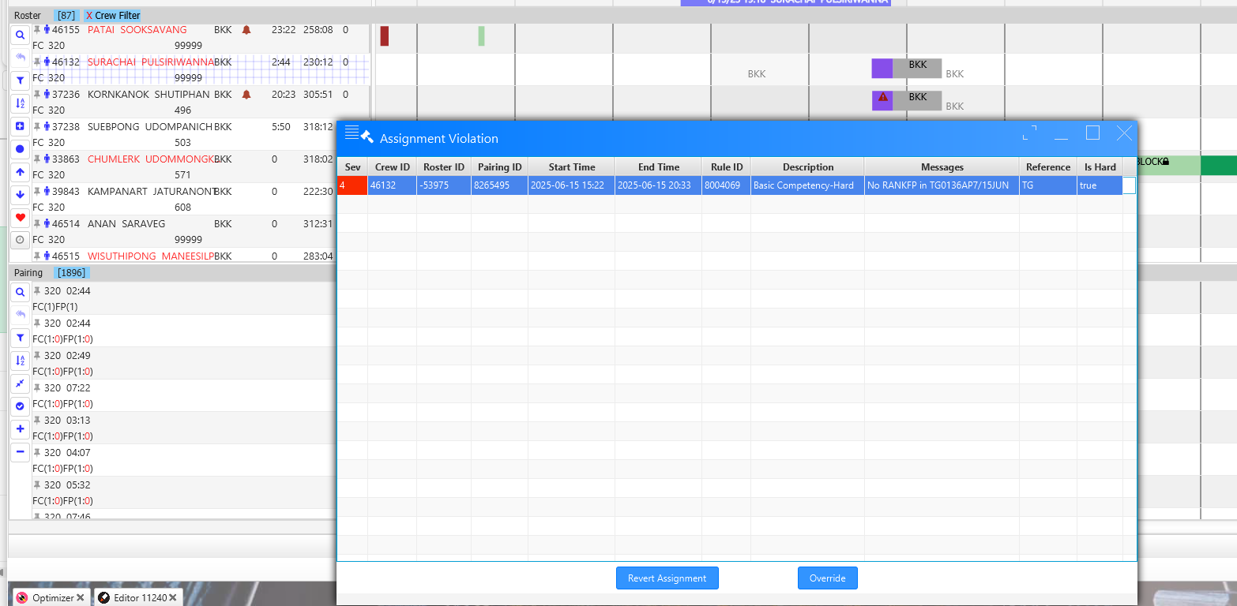 | Assignment is allowed with or without RHS qualification. Ex. 46514 FC Anan don't have RHS but allow assignment without an alert for missing RHS qualification. |  | PASSED |  |  | New
RO |  |  |  | FC Low Rank Fairness: |  | Set up Low Rank for FC to FP shall limit and average per crew, fleet and rank in 1 calendar month. 777 | RO create roster with Low Rank pairing Fairness for specific Fleet and Rank in 1 calendar month. |  | Failed |  | Under development |  | FAILED |  | Under development
RO |  |  |  | FC Low Rank: Consider to avoid FC contract “A60” for Low Ranking FP. |  | Set up Low Rank for FC contract "NML" to avoid FC contract "A60" to FP in 1 calendar month. | RO create roster with to avoid FC contract "OLDFC" to FP in 1 calendar month. |  | Failed |  | Under development |  | FAILED |  |  |  | PASSED |  |  | New
RO |  |  |  | Inexperience Crew: Can not have 2 Green crew for flight. Can not have 2 Amber crew for flight. Can not have Green crew with Amber crew for flight. |  | Set up “Green Crew” GNCR group with effective and end date. Set up “Amber Crew” AMBR group with effective and end date. Set rules “Green with Green”, “Green with Amber”, “and Amber with Amber” limit 1 in the flight pairing. | RO create roster to prevent inexperience crew in flight pairing. |  | Failed |  | Under development |  | PASSED |  |  | Pilot team (New) Re-test 150825 Scenario: 11247
RO |  |  |  | Health Issue Crew: Can not have 2 crew contract "POML" for flight. Can not have 2 crew contract "A60" for flight. Can not have crew contract "POML"with "A60" for flight. |  | Random check roster create by RO. | RO create roster to prevent Health Issue crew in flight pairing. |  | Failed |  | Under development |  | PASSED |  |  | Pilot team (New) Re-test 150825 Scenario: 11252
RO |  |  |  | Qualification Expiry: Qualification "PPC" Pilot Proficiency Check valid within 6 calendar months. |  | Random check roster create by RO. | RO create roster with to prevent to assign flight pairing to crew not qualify for qualification "PPC". |  | Failed |  | Under development |  | FAILED |  | After consult notify that under development | Pilot team (New) 270825
RO |  |  |  | Qualification Expiry: Qualification "SV" valid within 12 calendar months. |  | Random check roster create by RO. | RO create roster with to prevent to assign flight pairing to crew not qualify for qualification "SV". |  | Failed |  | Under development |  | FAILED |  | Under development |  | PASSED |  |  | New
RO |  |  |  | Publish Roster to Live: |  | Check the complete of roster publish to Live: Roster complete publish to live 100%. Roster complete publish to live with not touch the pre-assignment. Roster complete publish to live with red frame cover the pre-assignment. | RO publish to Live complete. |  | Passed |  |  |  |  |  |  |  | PASSED |  |  | New
 |  |  |  | Airline Transport Pilot License (ATPL): Any flight that requires augmented flight crew should have at least 2 pilots holding Airline Transport Pilot License (ATPL) with at least one occupying the seat as qualified at all times. |  | Random check pairing create by PO of flight with augmented pilots. Check pairing require 2 pilots holding qualification ATPL. |  |  | PASSED |  | Move from PO | NEW

5.
Unit Testing |  |  |  | Prerequisites |  |  |  |  | UAT Test 1 |  |  |  | UAT Test 2 |  |  |  | UAT Test 3
Test Case: | 3.Cabin Crew Pairing Optimizer |  |  | Tester User ID Level Set To: |  |  |  |  | Passed | 7 |  |  | Passed | 2 |  |  | Passed | 1
Test Description: |  |  |  | Access To: |  |  |  |  | Failed | 3 |  |  | Failed | 1 |  |  | Failed | 0
Created By: | Vorasrisipang Yodhabandhu |  |  | Access To: |  |  |  |  | Blocked | 10 |  |  | Blocked | 0 |  |  | Blocked | 0
Reviewed By: |  |  |  | Access To: |  |  |  |  | Partial Passed | 2 |  |  | Partial Passed | 0 |  |  | Partial Passed | 0
Software Version: |  |  |  | Access To: |  |  |  |  | W_A_D | 0 |  |  | W_A_D |  |  |  | W_A_D
WBS: |  |  |  | Access To:
 |  |  |  | Access To:
Testers Log:
Date Tested:
Testers Name:

Component: | REF: | LSY REF: | LSY RULE # | Description: | Test Action: | Test Steps: | Expected Result: | Severity | UAT 1 | Screenshot: REF1 | Comments/ Notes: 1 | Tested by: 1 | UAT 2 | Screenshot: REF2 | Comments/ Notes:2 | Tested by:2 | UAT 3 | Screenshot: REF3 | Comments/ Notes:3 | Tested by:3
PO |  |  |  | PO create pairing by TG pattern and can replicate for Monthly, TPI and Yearly. With correct cabin crew composition without loose sectors. |  | A. PO Create 1 each (Intercon, Regional, Domestic, Flight with Additional Cabin Crew) flights of TG pairing pattern and replicate Monthly, TPI and Yearly. | Create 1 each (Intercon, Regional, Domestic, Flight with Additional Cabin Crew) flights of TG pairing pattern and can replicate Monthly, TPI and Yearly with correct cabin crew composition without loose sectors. |  | Partial Passed |  | The pairing was created through the Live module, not the Optimizer module. | CABIN TEAM
PO |  |  |  | PO create deadhead pairing by TG pattern and can replicate for Monthly, TPI and Yearly. With correct cabin crew composition without loose sectors. |  | B. From A, PO create pairing transition with deadhead for necessary flight for cabin crew with correct cabin crew composition without loose sectors. | Create pairing transition with deadhead for necessary flight for cabin crew with correct cabin crew composition without loose sectors. |  | Partial Passed |  | The pairing was created through the Live module, not the Optimizer module. | CABIN TEAM
PO |  |  |  | PO create pairing base on assumption for Monthly, TPI and Yearly. Assumption: "Reduce cost", "Reduce crew", "Reduce Hotel Layover" With correct cabin crew composition without loose sectors. |  | Random check pairing create by PO with the assumptions require. | PO create flights pairing based on assumptions in period of Monthly, TPI, Yearly and Budgeting Propose. |  | Passed |  |  | CABIN TEAM
PO |  |  |  | PO create deadhead pairing base on assumption for Monthly, TPI and Yearly. Assumption: "Reduce cost", "Reduce crew", "Reduce Hotel Layover" With correct cabin crew composition without loose sectors. |  | Random check deadhead pairing create by PO with the assumptions require. | Create pairing transition with deadhead for necessary flight for cabin crew with correct cabin crew composition without loose sectors. |  | Passed |  |  | CABIN TEAM
PO |  |  |  | 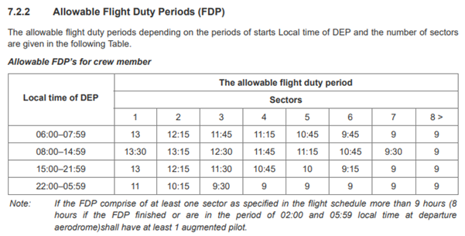 Allowable FDP: |  | Random check pairing create by PO of flight with allowable FDP. | PO create pairing with complying the allowable FDP. |  | Passed |  |  | CABIN TEAM
PO |  |  |  | Rest Requirements: |  | Random check pairing create by PO of flight with rest requirements. | PO create pairing with complying the rest requirements. |  | Passed |  |  | CABIN TEAM
PO |  |  |  | 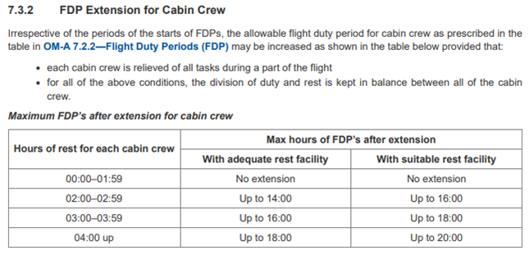 FDP Extension for Cabin Crew: |  | Random check pairing create by PO of flight that FDP over limit and need to provide additional cabin crew to extended FDP. The FDP shall be extended base on hour of rest ((Block Time-5)/2) per pairing. Check for the FDP extension shall be correct by each flight and fleet. | PO create pairing with complying the FDP extension for cabin crew. |  | Passed |  |  | CABIN TEAM
PO |  |  |  | Check-in Time: Check-in Time at BKK for Cabin Crew is 02:00 hours before STD. Check-in Time at BKK for Cabin Crew is 01:30 hours before STD for specific flight number. Check-in Time at BKK for deadheading cabin crew is 01:00 hours before STD. Check-in Time at other station for Cabin Crew is 01:00 hours before STD. |  | Random check pairing create by PO of flight with check-in time. | PO create pairing with correct check-in time for cabin crew. |  | Failed |  | Report time at BKK should be 2 hrs. before STD DHD should be report 1 hr before STD *** Passed for Reporting Time at Station for 1 hr *** | CABIN TEAM | Passed |  |  | CABIN TEAM
PO |  |  |  | Check-out Time: Check-out Time for Cabin Crew is 00:30 hours after STA. Check-out Time deadhead for Cabin Crew. Check-out Time positioning for Cabin Crew. |  | Random check pairing create by PO of flight with Check-out Time for Cabin Crew. | PO create pairing with correct check-out time for cabin crew. |  | Passed | 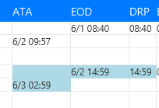 |  | CABIN TEAM
PO |  |  |  | Duty for calculate Duty Period (DP) and Flight Duty Period (FDP): Flight duties: - normal flights (including training in flight, checks in flight, supervision in flight, evaluation flights) - special flights (including supplementary flights, chartered flights, ferry flights, escape/evacuation flights, delivery flight) - aircraft training flights for flight crew (including check flights of CAAT) - test flights - full flight simulator. |  | Random check pairing create by PO of flight, check the calculation of FDP and DP. | PO create pairing with correct calculation of FDP and DP for cabin crew. |  | Failed |  | FDP and DP calculate from actual flight time (ATA,ATD). So, that mean it not show the true FDP and DP of planning flight time (STA,STD). | CABIN TEAM | Failed |  | - Correct DP - Incorrect FDP (should be the same as DP) | DP-A Cabin Team | Passed |  | Correct calulate DP and FDP. | pa
PO |  |  |  | Calculate Flight Duty Period (FDP): when a crew member is required to report for duty that includes a flight or a series of flights (Check-in Time) and end 00:30 hours after STA. |  | Random check pairing create by PO of flight, check the calculation of FDP. | PO create pairing with correct calculation of FDP for cabin crew. |  | Passed |  |  | CABIN TEAM
PO |  |  |  | Minimum Rest Planning: At home base after undertaking a FDP: the minimum rest period shall be at least 12 hours for Intercontinental flights, the minimum rest period shall be at least 48 hours |  | Random check pairing create by PO of flight, check the minimum rest planning. | PO create pairing with correct provide the minimum rest planning for cabin crew. |  | Failed |  | FDP and DP calculate from actual flight time (ATA,ATD). So, that mean it not show the true FDP and DP of planning flight time (STA,STD) and this make rest calculate form worng FDP and DP. | CABIN TEAM | Passed
PO |  |  |  | Minimum Qualification "FSTC" SCC in flight: Minimum X crew Qualification "FSTC" SCC in flight pairing. |  | Random check pairing create by PO of flight, check the minimum requirement for flight has a first class service. | PO create pairing with correct provide the Minimum 1 crew Qualification "FSTC", "MALE" SCC in flight pairing. PO create pairing with correct provide the Minimum 1 crew Qualification "FSTC", "FEMALE" SCC in flight pairing. |  | Blocked | The pairing logic in CrewSE functions differently from that in Aircrews
PO |  |  |  | Minimum Qualification "Male" SCC in flight: Minimum X crew Qualification "Male" SCC in flight pairing. Minimum Qualification "Male" CC in flight: Minimum X crew Qualification "Male" CC in flight pairing. |  | Random check pairing create by PO of flight, check the Minimum 1 crew Qualification "Male" SCC in flight pairing. Random check pairing create by PO of flight, check the Minimum 1 crew Qualification "Male" SCC in flight pairing. | PO create pairing with correct provide the Minimum 1 crew Qualification "MALE" SCC in flight pairing. PO create pairing with correct provide the Minimum 1 crew Qualification "MALE" CC in flight pairing. |  | Blocked | The pairing logic in CrewSE functions differently from that in Aircrews
PO |  |  |  | Minimum Qualification "CJPL" in flight: Minimum 1 crew Qualification "CJPL" in flight pairing. |  | Random check pairing create by PO of flight, check the Minimum 1 crew Qualification "CJPL" in flight pairing in specific Japan port "NGO". | PO create pairing with correct provide the Minimum 1 crew Qualification "CJPL" in flight pairing. |  | Blocked | The pairing logic in CrewSE functions differently from that in Aircrews
PO |  |  |  | Minimum Qualification "CKOL" in flight: Minimum 1 crew Qualification "CKOL" in flight pairing. |  | Random check pairing create by PO of flight, check the Minimum 1 crew Qualification "CKOL" in flight pairing in specific Korea flight "TG656". | PO create pairing with correct provide the Minimum 1 crew Qualification "CKOL" in flight pairing. |  | Blocked | The pairing logic in CrewSE functions differently from that in Aircrews
PO |  |  |  | Minimum Qualification "CFRA" in flight: Minimum 1 crew Qualification "CFRA" in flight pairing. |  | Random check pairing create by PO of flight, check the Minimum 1 crew Qualification "CFRA" in flight pairing in specific Korea flight "TG930". | PO create pairing with correct provide the Minimum 1 crew Qualification "CFRA" in flight pairing. |  | Blocked | The pairing logic in CrewSE functions differently from that in Aircrews
PO |  |  |  | Minimum Qualification "CCHL" in flight: Minimum 1 crew Qualification "CCHL" in flight pairing. |  | Random check pairing create by PO of flight, check the Minimum 1 crew Qualification "CCHL" in flight pairing in specific Korea flight "TG618", "TG612". | PO create pairing with correct provide the Minimum 1 crew Qualification "CCHL" in flight pairing. |  | Blocked | The pairing logic in CrewSE functions differently from that in Aircrews
PO |  |  |  | Minimum Qualification "MED" in flight: Minimum 1 crew Qualification "MED" in flight pairing. |  | Random check pairing create by PO of flight, check the Minimum 1 crew Qualification "MED" in flight pairing in specific port "JED", "MED". | PO create pairing with correct provide the Minimum 1 crew Qualification "MED" in flight pairing. |  | Blocked | The pairing logic in CrewSE functions differently from that in Aircrews
PO |  |  |  | Minimum Qualification "ISLA" in flight: Minimum 1 crew Qualification "ISLA" in flight pairing. |  | Random check pairing create by PO of flight, check the Minimum 1 crew Qualification "ISLA" in flight pairing in specific port "JED", "MED". | PO create pairing with correct provide the Minimum 1 crew Qualification "ISLA" in flight pairing. |  | Blocked | The pairing logic in CrewSE functions differently from that in Aircrews
PO |  |  |  | Minimum Qualification "XHAJ" in flight: Minimum 2 crew Qualification "XHAJ" in flight pairing. |  | Random check pairing create by PO of flight, check the Minimum 2 crew Qualification "XHAJ" in flight pairing in specific port "JED", "MED". | PO create pairing with correct provide the Minimum 2 crew Qualification "XHAJ" in flight pairing. |  | Blocked | The pairing logic in CrewSE functions differently from that in Aircrews
PO |  |  |  | Qualification "CMC" in flight: All Crew in flight shall have Qualification "CMC" in flight pairing. |  | Random check pairing create by PO of flight, check all crew shall have Qualification "CMC" in flight pairing in specific port "MUC", "FRA", "OSL", "BRU', "ZRH", "ARN", "CPH". | PO create pairing with correct provide pairing require Qualification "CMC" in flight pairing. |  | Blocked | The pairing logic in CrewSE functions differently from that in Aircrews

6.
Unit Testing |  |  |  | Prerequisites |  |  |  |  | UAT Test 1 |  |  |  | UAT Test 2 |  |  |  | UAT Test 3
Test Case: | 6.Pilot Pairing Optimizer |  |  | Tester User ID Level Set To: |  |  |  |  | Passed | 5 |  |  | Passed | 3 |  |  | Passed | 2
Test Description: |  |  |  | Access To: |  |  |  |  | Failed | 1 |  |  | Failed | 3 |  |  | Failed | 0
Created By: | Vorasrisipang Yodhabandhu |  |  | Access To: |  |  |  |  | Blocked | 2 |  |  | Blocked | 0 |  |  | Blocked | 0
Reviewed By: |  |  |  | Access To: |  |  |  |  | Partial Passed | 7 |  |  | Partial Passed | 0 |  |  | Partial Passed | 0
Software Version: |  |  |  | Access To: |  |  |  |  | W_A_D | 0 |  |  | W_A_D |  |  |  | W_A_D
WBS: |  |  |  | Access To:
 |  |  |  | Access To:
Testers Log:
Date Tested:
Testers Name:

Component: | REF: | LSY REF: | LSY RULE # | Description: | Test Action: | Test Steps: | Expected Result: | Severity | UAT 1 | Screenshot: REF1 | Comments/ Notes: 1 | Tested by: 1 | UAT 2 | Screenshot: REF2 | Comments/ Notes:2 | Tested by:2 | UAT 3 | Screenshot: REF3 | Comments/ Notes:3 | Tested by:3
PO |  |  |  | PO create pairing by TG pattern and can replicate for Monthly, TPI and Yearly. With correct pilot composition without loose sectors. |  | A. PO Create 1 each (Intercon, Regional, Domestic, Flight with Augmented Pilot) flight of TG pairing pattern and can replicate Monthly, TPI and Yearly with correct pilot composition. | Create 1 each (Intercon, Regional, Domestic, Flight with Augmented Pilot) flight of TG pairing pattern and can replicate Monthly, TPI and Yearly with correct pilot composition. |  | Partial Passed |  | PO can't create pairing by TG pattern but can manually create in LIVE module. | Pitot team
PO |  |  |  | PO create deadhead pairing by TG pattern and can replicate for Monthly, TPI and Yearly. With correct pilot composition without loose sectors. |  | B. From A, PO create pairing transition with deadhead for necessary flight for pilot with correct pilot composition without loose sectors. | Create pairing transition with deadhead for necessary flight for pilot with correct pilot composition without loose sectors. |  | Partial Passed |  | PO can't create pairing by TG pattern but can manually create in LIVE module. | Pilot team
PO |  |  |  | PO create pairing base on assumption for Monthly, TPI and Yearly. Assumption: "Reduce cost", "Reduce crew", "Reduce Hotel Layover" With correct pilot composition without loose sectors. |  | Random check pairing create by PO with the assumptions require. | PO create flights pairing based on assumptions in period of Monthly, TPI, Yearly and Budgeting Propose. |  | Passed |  |  | Pilot team
PO |  |  |  | PO create deadhead pairing base on assumption for Monthly, TPI and Yearly. Assumption: "Reduce cost", "Reduce crew", "Reduce Hotel Layover" With correct pilot composition without loose sectors. |  | Random check deadhead pairing create by PO with the assumptions require. | Create pairing transition with deadhead for necessary flight for flight crew with correct pilot composition without loose sectors. |  | Passed |  |  | Pilot team
PO |  |  |  | Allowable FDP: |  | Random check pairing create by PO of flight with allowable FDP. | PO create pairing with complying the allowable FDP. |  | Partial Passed |  | FDP calculation is correct but should have MAX FDP and margin FDP shown for more flight information otherwisehave to manualy calculate or trust the system 100%. | Pilot team | PASSED |  | show in shot view | Re-test130825 (TONG) Scenario: Live
PO |  |  |  | Rest Requirements: |  | Random check pairing create by PO of flight with rest requirements. | PO create pairing with complying the rest requirements. |  | Passed |  |  | Pilot team
PO |  |  |  | FDP Extension for Flight Deck Crew: For two‑pilot crew augmented by 1 pilot, the maximum FDPs irrespective of encroachment of the WOCL are: - 14 hours with the provision of an adequate rest facility - 16 hours with the provision of a suitable rest facility. For two‑pilot crew augmented by 2 pilots, the maximum FDPs irrespective of encroachment of the WOCL are: - 16 hours with the provision of an adequate rest facility - 20 hours with the provision of a suitable rest facility. In all cases, where the flight crew are augmented, the sharing of time away from task by flight crew members leaving their posts should be kept in balance. |  | Random check pairing create by PO of flight with augmented by 1 and 2 pilots. Check for the FDP extension shall be correct by each fleet. | PO create pairing with complying the FDP extension for pilot. |  | Partial Passed | 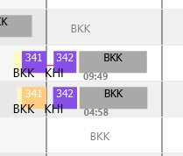 | PO can create flight complement , FDP correctly, FDP calculation is correct but dont have MAX FDP and margin FDP shown for more flight information otherwise have to manualy calculate or trust the system 100%. Some flights contain composition errors. | Pilot team | PASSED |  | show all in shot view | Re-test130825 (TONG) Scenario: Live
PO |  |  |  | Airline Transport Pilot License (ATPL): Any flight that requires augmented flight crew should have at least 2 pilots holding Airline Transport Pilot License (ATPL) with at least one occupying the seat as qualified at all times. |  | Random check pairing create by PO of flight with augmented pilots. Check pairing require 2 pilots holding qualification ATPL. | PO create pairing with complying the requitement for 2 ATPL in all flight have augmented pilots. |  | Blocked |  | Not apply in PO stage. | Pilot team
PO |  |  |  | Check-in Time: Check-in Time at BKK for pilot is 01:45 hours before STD. Check-in Time at BKK for pilot is 01:30 hours before STD for specific flight number. Check-in Time at BKK for deadheading pilot is 01:00 hours before STD. Check-in Time at other station for pilot is 01:00 hours before STD. |  | Random check pairing create by PO of flight with check-in time. | PO create pairing with correct check-in time for flight crew. |  | Partial Passed |  | planning phase BKK : 01:45 check-in time (reporting time ) >> correct BKK specific flight (TG481) 01:30 >> correct Deadhead from BKK 01:00 >> correct Other station : 0100 >> correct Actual phase Failed : ** have to calculate from STD not from ATD**. | Pilot team | failed |  | BKK: 01:45 some correct , some fail BKK specific flight (TG481 ) 01:30 have check -in time from STD not ATD. Deadhead from BKK 01:00 >> correct Other station : 0100 >> correct | Re-test130825 (TONG) Scenario: Live | Passed |  | Correct Check-In Time on normal flight (1 hr 45 min before departure) and specific flight (TG481 / 1hr 30 min before departure) | Bush
PO |  |  |  | Check-out Time: Check-out Time for pilot is 00:30 hours after STA. Check-out Time deadhead for pilot. Check-out Time positioning for pilot. |  | Random check pairing create by PO of flight with Check-out Time for piot. | PO create pairing with correct check-out time for pilot. |  | Passed |  | Check-out Time deadhead for pilot.>> don’t have example pairing. | Pilot team
PO |  |  |  | Duty for calculate Duty Period (DP) and Flight Duty Period (FDP): Flight duties: - normal flights (including training in flight, checks in flight, supervision in flight, evaluation flights) - special flights (including supplementary flights, chartered flights, ferry flights, escape/evacuation flights, delivery flight) - aircraft training flights for flight crew (including check flights of CAAT) - test flights - full flight simulator. |  | Random check pairing create by PO of flight, check the calculation of FDP and DP. | PO create pairing with correct calculation of FDP and DP for pilot. |  | Partial Passed |  | planning phase BKK : 01:45 check-in time (reporting time ) >> correct BKK specific flight (TG481) 01:30 >> correct Deadhead from BKK 01:00 >> correct Other station : 0100 >> correct Actuak phase Failed : ** have to calculate from STD not from ATD**. | Pilot team | failed |  | BKK: 01:45 some correct , some fail BKK specific flight (TG481 ) 01:30 have check -in time from STD not ATD. Deadhead from BKK 01:00 >> correct Other station : 0100 >> correct | Re-test130825 (TONG) Scenario: Live | Passed |  | Correct Check-In Time on normal flight (1 hr 45 min before departure) and specific flight (TG481 / 1hr 30 min before departure) | Bush
PO |  |  |  | Calculate Flight Duty Period (FDP): when a crew member is required to report for duty that includes a flight or a series of flights (Check-in Time) and end 00:30 hours after STA. |  | Random check pairing create by PO of flight, check the calculation of FDP. | PO create pairing with correct calculation of FDP for pilot. |  | Partial Passed |  | planning phase BKK : 01:45 check-in time (reporting time ) >> correct BKK specific flight (TG481) 01:30 >> correct Deadhead from BKK 01:00 >> correct Other station : 0100 >> correct Actuak phase Failed : ** have to calculate from STD not from ATD**. | Pilot team | failed |  | BKK: 01:45 some correct , some fail BKK specific flight (TG481 ) 01:30 have check -in time from STD not ATD. Deadhead from BKK 01:00 >> correct Other station : 0100 >> correct | Re-test130825 (TONG) Scenario: Live | pa |  | Correct Check-In Time on normal flight (1 hr 45 min before departure) and specific flight (TG481 / 1hr 30 min before departure) | Bush
PO |  |  |  | Minimum Rest Planning: At home base after undertaking a FDP: the minimum rest period shall be at least 12 hours for Intercontinental flights, the minimum rest period shall be at least 48 hours |  | Random check pairing create by PO of flight, check the minimum rest planning. | PO create pairing with correct provide the minimum rest planning for cabin crew. |  | Passed |  |  | Pilot team
PO |  |  |  | Qualification "CMC" in flight: All Crew in flight shall have Qualification "CMC" in flight pairing. |  | Random check pairing create by PO of flight, check all crew shall have Qualification "CMC" in flight pairing in specific port "MUC", "FRA", "OSL", "BRU', "ZRH", "ARN", "CPH". | PO create pairing with correct provide pairing require Qualification "CMC" in flight pairing. |  | Blocked |  | At RO stage. | Pilot team
PO |  |  |  | MFF (Mix fleet flying): The MFF pilot shall not be rostered on both Primary MFF Aircraft and Secondary MFF Aircraft within the same day or Fligh Duty Period. |  | Random check pairing create by PO of flight, check the Mix fleet flying in same day and same FDP. | PO create pairing with correct provide the pairing without the Mix fleet flying in same day and same FDP. |  | failed |  | MFF regulation : Can't pairing and assign in 1 FDP or same day. | Pilot team | PASSED

7.
Unit Testing |  |  |  | Prerequisites |  |  |  |  | UAT Test 1 |  |  |  | UAT Test 2 |  |  |  | UAT Test 3
Test Case: | 7.Leave Assignment to the cabin crews |  |  | Tester User ID Level Set To: |  |  |  |  | Passed | 1 |  |  | Passed | 0 |  |  | Passed | 0
Test Description: |  |  |  | Access To: |  |  |  |  | Failed | 6 |  |  | Failed | 0 |  |  | Failed | 0
Created By: | Vorasrisipang Yodhabandhu |  |  | Access To: |  |  |  |  | Blocked | 0 |  |  | Blocked | 0 |  |  | Blocked | 0
Reviewed By: |  |  |  | Access To: |  |  |  |  | Partial Passed | 0 |  |  | Partial Passed | 0 |  |  | Partial Passed | 0
Software Version: |  |  |  | Access To: |  |  |  |  | W_A_D | 0 |  |  | W_A_D |  |  |  | W_A_D
WBS: |  |  |  | Access To:
 |  |  |  | Access To:
Testers Log:
Date Tested:
Testers Name:

Assign Leave 5 days
Assign Leave 30 days
Component: | REF: | LSY REF: | LSY RULE # | Description: | Test Action: | Test Steps: | Expected Result: | Severity | UAT 1 | Screenshot: REF1 | Comments/ Notes: 1 | Tested by: 1 | UAT 2 | Screenshot: REF2 | Comments/ Notes:2 | Tested by:2 | UAT 3 | Screenshot: REF3 | Comments/ Notes:3 | Tested by:3
Roster |  |  |  | Leave assignment: Z21 - Monthly Plan Leave Assignment |  | Query crew to assign leave “Z21” in roster for 5 days. - Crew have leave entitlement for 10 days. - Crew have leave entitlement for 4 days. | Crew have leave entitlement for 10 days, system will allow to assign “Z21” total 5 days. Crew have leave entitlement for 4 days, system will warning leave entitlement less than request and will allow to assign “Z21” total 4 days. |  | Failed | 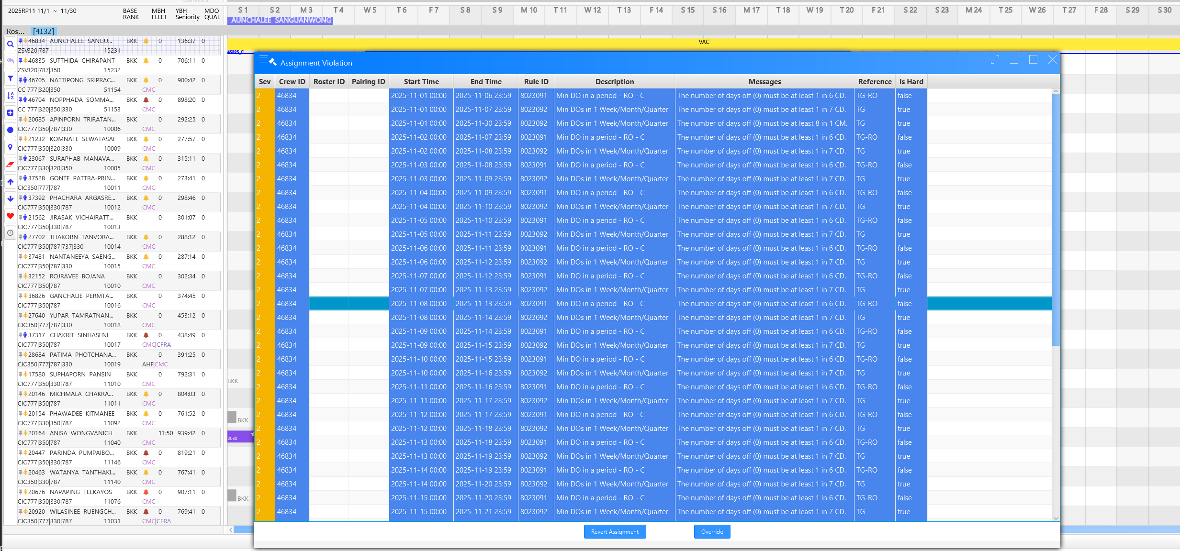 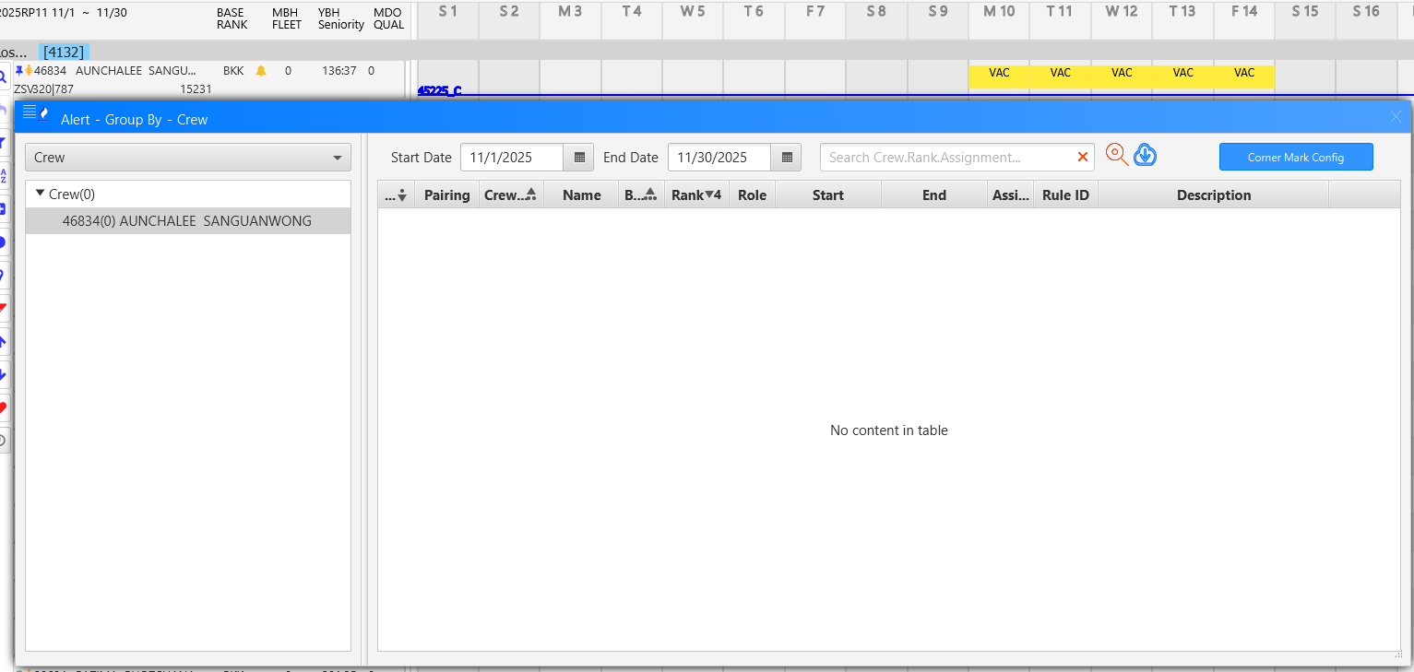 | System not warning leave entitlement less than request and allow to assign “Z21” more than 4 days. | Cabin Team
Roster |  |  |  | Leave assignment: Z62 - Monthly Plan Leave Assignment |  | Query crew to assign leave “Z62” in roster for 3 days. Crew have leave entitlement for 4 days. Crew have leave entitlement for 2 days. | Crew have leave entitlement for 4 days, system will allow to assign “Z26” total 3 days. Crew have leave entitlement for 2 days, system will warning leave entitlement less than request and will allow to assign “Z62” total 2 days. |  | Failed |  | System not warning leave entitlement less than request and allow to assign “Z62” more than 2 days. | Cabin Team
Roster |  |  |  | Leave assignment on Holiday: H21 - Monthly Plan Leave Assignment |  | Query crew to assign leave “Z21” in Public holiday "05DEC2025" in roster for 1 days. - Crew have leave entitlement for 10 days. - Crew have leave entitlement for 4 days. | (05DEC25) "Should not assign non-holiday leave code on holiday." |  | Failed |  | (05DEC25) Can assign non-holiday "leave code" on holiday without warning. | Cabin Team
Roster |  |  |  | Leave assignment on Holiday: H21 - Monthly Plan Leave Assignment |  | Query crew to assign leave “H21” in Public holiday "05DEC2025" in roster for 1 days. - Crew have leave entitlement for 10 days. - Crew have leave entitlement for 4 days. | System able to assign leave "H21" on Public holiday in roster. |  | Failed |  | System allow to assign leave "H21" on Public holiday and non-Public holiday in roster. | Cabin Team
Roster |  |  |  | Leave assignment: Other Leave: Manual (L01, L02, L03, L04, L05, Z11, Z31, Z41, Z42, Z43, Z44, Z49, Z51, Z55, Z56, Z57, Z70, Z71, Z72, Z74, Z81, Z91, Z93, Z94 etc) ***Check company leave code to test |  | Query crew to assign each other leave in roster. Assign until it over the limit of company allowed per year. | System shall allow to assign other leave code with company limit leave code quota per year. |  | Failed | 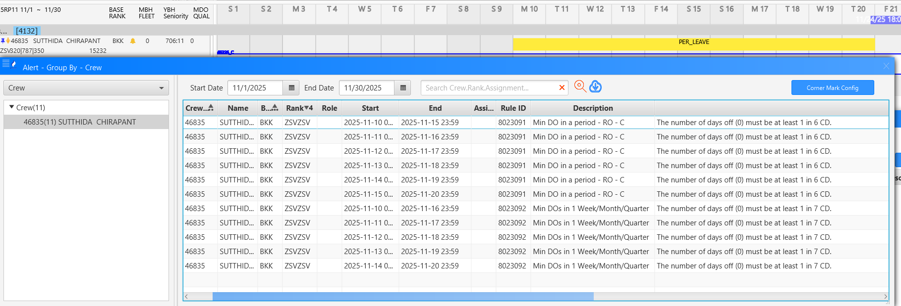 | System allow to assign other leave code with company limit leave code more than quota per year. | Cabin Team
Roster |  |  |  | Leave assignment: Other Leave: Thai Touch (L01, L02, L03, L04, L05, Z11, Z31, Z41, Z42, Z43, Z44, Z49, Z51, Z55, Z56, Z57, Z70, Z71, Z72, Z74, Z81, Z91, Z93, Z94 etc) ***Check company leave code to test |  | 1. For schedule plan before date 10 of unpublished schedule, after the Head of Pilot or Cabin Crew approved Crew request for other leave (excluding Z21 and Z62), crew leave shall automate recording in crew roster. 2. For publish schedule, after the Head of Pilot or Cabin Crew approved Crew request for other leave (excluding Z21 and Z62), crew leave shall automate replace crew duty and recording in crew roster with notify DP-A of crew schedule change by Thai Touch. | 1. For schedule plan before date 10 of unpublished schedule, after the Head of Pilot or Cabin Crew approved Crew request for other leave (excluding Z21 and Z62), crew leave shall automate recording in crew roster. 2. For publish schedule, after the Head of Pilot or Cabin Crew approved Crew request for other leave (excluding Z21 and Z62), crew leave shall automate replace crew duty and recording in crew roster with notify DP-A of crew schedule change by Thai Touch. |  | Failed |  | Leave not automate stamp on CrewSE at this time due to THAI Touch not link with CrewSE yet. | Cabin Team
Roster |  |  |  | Leave assignment shall not calculate DP. |  | Query crew to assign such a leave in roster and check of DP. Check Duty Period(DP). | System shall not calculate DP for all Leave Code, Off Day, Block duties. |  | Passed | 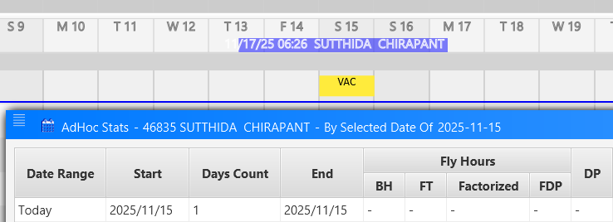  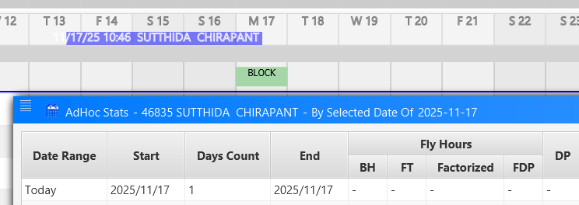 | System not calculate DP for all Leave Code, Off Day, Block duties. | Cabin Team

 |  |  |  | 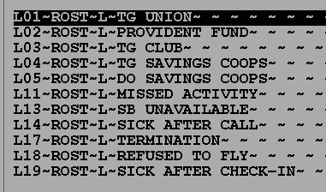 |  | 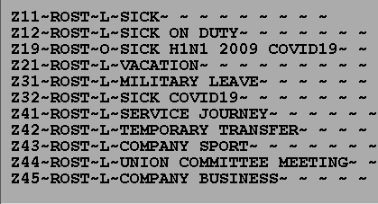
 |  |  |  | 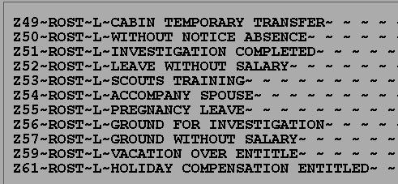 |  | 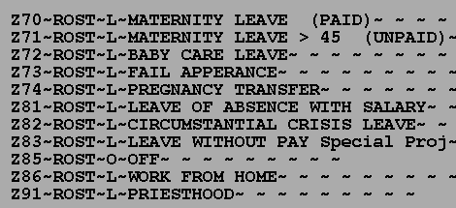
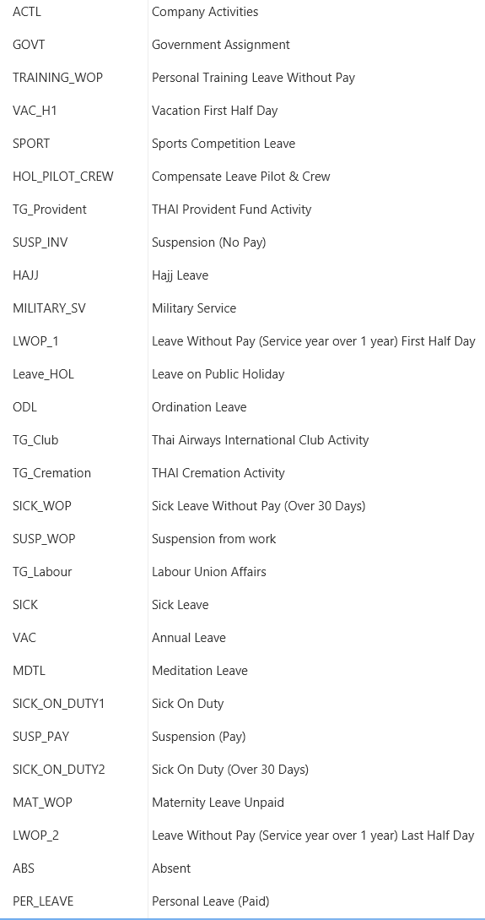
Z70
Z72
 |  |  |  |  |  | 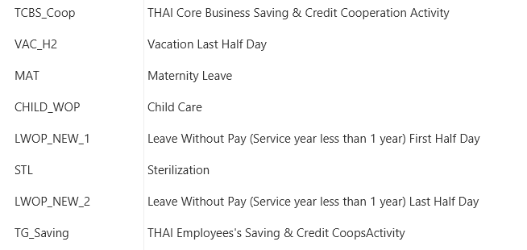

Z71

9.
Unit Testing |  |  |  | Prerequisites |  |  |  |  | UAT Test 1 |  |  |  | UAT Test 2 |  |  |  | UAT Test 3
Test Case: | 9.Assign Ground Duties to the cabin crews |  |  | Tester User ID Level Set To: |  |  |  |  | Passed | 0 |  |  | Passed | 3 |  |  | Passed | 5
Test Description: |  |  |  | Access To: |  |  |  |  | Failed | 5 |  |  | Failed | 2 |  |  | Failed | 0
Created By: | Vorasrisipang Yodhabandhu |  |  | Access To: |  |  |  |  | Blocked | 0 |  |  | Blocked | 0 |  |  | Blocked | 0
Reviewed By: |  |  |  | Access To: |  |  |  |  | Partial Passed | 0 |  |  | Partial Passed | 0 |  |  | Partial Passed | 0
Software Version: |  |  |  | Access To: |  |  |  |  | W_A_D | 0 |  |  | W_A_D |  |  |  | W_A_D
WBS: |  |  |  | Access To:
 |  |  |  | Access To:
Testers Log:
Date Tested:
Testers Name:

Component: | REF: | LSY REF: | LSY RULE # | Description: | Test Action: | Test Steps: | Expected Result: | Severity | UAT 1 | Screenshot: REF1 | Comments/ Notes: 1 | Tested by: 1 | UAT 2 | Screenshot: REF2 | Comments/ Notes:2 | Tested by:2 | UAT 3 | Screenshot: REF3 | Comments/ Notes:3 | Tested by:3
Roster |  |  |  | Ground Duties: - OFFICE |  | Query single crew to assign Ground Duty “OFFICE” in roster for 1 day. Time 08:00-17:00. Check Duty Period(DP). | System allow to assign “OFFICE” duty correctly. Display duty information the DP shall calculate starting from 08:00-17:00. total time is 9 hours and DP=Duty Credit is 9 hours. |  | Failed | 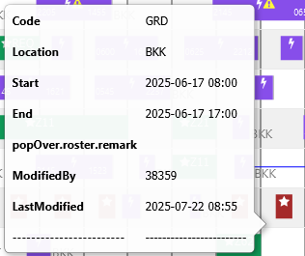 | - There is no DP information in the Ground Duty Pairing (Quick View) and even right click on that duty don't have duty information or pairing detail to choose. - DP information shows in AdHoc Crew Statistic. (It should be shown in DP column instand of Cust-DP) | Cabin Team | Passed |  |  | Cabin Team | Passed |  |  | Cabin Team
Roster |  |  |  | Ground Duties: - OFFICE F (Shall be able to set the Duty Code with |  | Query single crew to assign Ground Duty “OFFICE F” in roster for 1 day. Time 08:00-17:00. Check Duty Period(DP). | System allow to assign “OFFICE F” duty correctly. Display duty information the DP shall calculate starting from 08:00-17:00 minus 1 hr break time 12:00-13:00. Total time is 9 hours and DP=Duty Credit is 8 hours. |  | Failed |  | - There is no DP information in the Ground Duty Pairing (Quick View) and even right click on that duty don't have duty information or pairing detail to choose. - DP information shows in AdHoc Crew Statistic. (It should be shown in DP column instand of Cust-DP) | Cabin Team | Failed |  | DP should take credit only 8 Hrs. but it shows incorrect. | Cabin Team | Passed |  |  | Cabin Team
Roster |  |  |  | Ground Duties: - GROUND |  | Query single crew to assign Ground Duty “GROUND” in roster for 1 day. Time 08:00-13:00. Check Duty Period(DP). | System allow to assign “GROUND” duty correctly. Display duty information the DP shall calculate starting from 08:00-13:00. Total Time is 5 hours and DP=Duty Credit is 5 hours. |  | Failed |  | - There is no DP information in the Ground Duty Pairing (Quick View) and even right click on that duty don't have duty information or pairing detail to choose. - DP information shows in AdHoc Crew Statistic. (It should be shown in DP column instand of Cust-DP) | Cabin Team | Passed |  |  | Cabin Team | Passed |  |  | Cabin Team
Roster |  |  |  | Ground Duties: - GROUND F |  | Query single crew to assign Ground Duty “GROUND F” in roster for 1 day. Time 08:00-13:00. Check Duty Period(DP). | System allow to assign “GROUND F” duty correctly. Display duty information the DP shall calculate starting from 08:00-13:00 minus 1 hr break time 12:00-13:00. Total Time is 5 hours and DP=Duty Credit is 4 hours. |  | Failed |  | - There is no DP information in the Ground Duty Pairing (Quick View) and even right click on that duty don't have duty information or pairing detail to choose. - DP information shows in AdHoc Crew Statistic. (It should be shown in DP column instand of Cust-DP) | Cabin Team | Failed |  | DP should take credit only 8 Hrs. but it shows incorrect. | Cabin Team | Passed |  |  | Cabin Team
Roster |  |  |  | Ground Duties: - Other ground duties: DO, DP, QB, PA etc. |  | Query single crew and assign random other Ground Duty in roster for 1 day. Time 08:00-17:00, 08:00-12:00, 09:30-14:00, 13:45-16:00 etc. Check Duty Period(DP). | System allow to assign “GROUND” duty correctly. Display duty information the DP shall calculate starting from the starting time to the ending time of such a ground duties. Total Time and DP=Duty Credit are equal. |  | Failed |  | Don't have other duty as mention to select and assign. | Cabin Team | Passed | 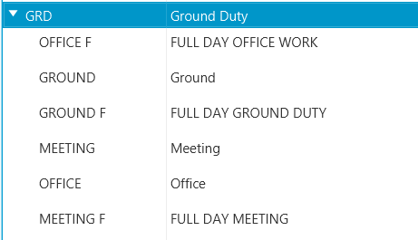 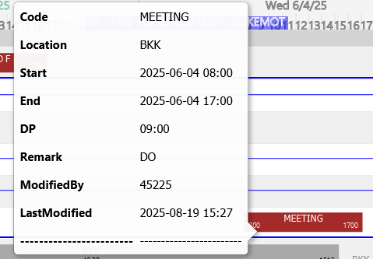 | We try assign MEETING with comment DO, the DP calculate from the starting time to the ending time correct. But don't have other duty as mention to select and assign. | Cabin Team | Passed |  |  | Cabin Team

12.
Unit Testing |  |  |  | Prerequisites |  |  |  |  | UAT Test 1 |  |  |  | UAT Test 2 |  |  |  | UAT Test 3
Test Case: | 12.Training Assignment to the pilots |  |  | Tester User ID Level Set To: |  |  |  |  | Passed | 2 |  |  | Passed | 0 |  |  | Passed | 0
Test Description: |  |  |  | Access To: |  |  |  |  | Failed | 0 |  |  | Failed | 0 |  |  | Failed | 0
Created By: | Vorasrisipang Yodhabandhu |  |  | Access To: |  |  |  |  | Blocked | 0 |  |  | Blocked | 0 |  |  | Blocked | 0
Reviewed By: |  |  |  | Access To: |  |  |  |  | Partial Passed | 2 |  |  | Partial Passed | 0 |  |  | Partial Passed | 0
Software Version: |  |  |  | Access To: |  |  |  |  | W_A_D | 0 |  |  | W_A_D |  |  |  | W_A_D
WBS: |  |  |  | Access To:
 |  |  |  | Access To:
Testers Log:
Date Tested:
Testers Name:

Component: | REF: | LSY REF: | LSY RULE # | Description: | Test Action: | Test Steps: | Expected Result: | Severity | UAT 1 | Screenshot: REF1 | Comments/ Notes: 1 | Tested by: 1 | UAT 2 | Screenshot: REF2 | Comments/ Notes:2 | Tested by:2 | UAT 3 | Screenshot: REF3 | Comments/ Notes:3 | Tested by:3
Roster |  |  |  | Create Qualification Code: - The Qualification Code use for assignment in Row.17, 18, 19, 20 |  | Create Qualification Code with descriptions. | System allow to create qualification correctly. |  | 17. Passed 18.Passed 19.Passed 20. |  | 17. EM 18.SIM 19.SIM F 20.Base release training | Pilot team
Roster |  |  |  | Create Training Code: - The Training Code use for assignment in Row.17, 18, 19, 20 |  | Create Training Code with descriptions, duration and detial mapping with qualification code if have any related. | System allow to create Training Code and qualification code mapping correctly. |  | 17. Passed 18.Passed 19.Passed 20. |  | 17. EM 18.SIM 19.SIM F 20.Base release training | Pilot team
Roster |  |  |  | Create Training Footprint: - The Training Code and Qualification use for assignment in Row.17, 18, 19, 20 |  | Create Training Footprint by including with the training code. Define the training arrange the learning steps in sequence or no sequence required. | System allow to create Training Footprint and qualification code mapping correctly. |  | 17. Passed 18.Passed 19.Passed 20. |  | 17. EM 18.SIM 19.SIM F 20.Base release training | Pilot team
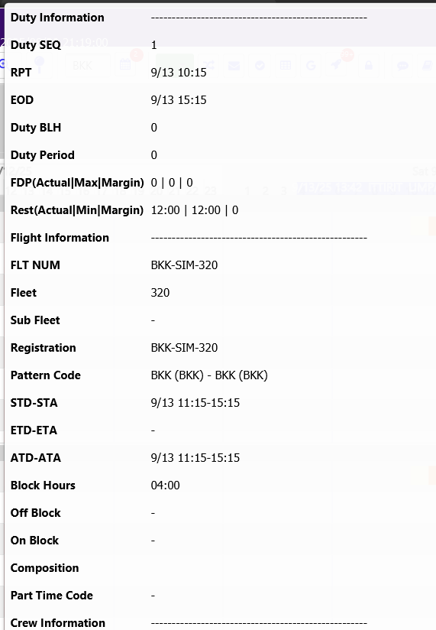
Roster |  |  |  | Training assignment: - Emergency Training |  | 1. Query the crew due for EM/AVSEC/CRM/ etc. 2. Assign the single crew and multiple crew of training duties/Venue/Period etc. to crew roster. 3. Check the DP and Qualification. | System allow to assign such a training duty correctly. 1. System able to assign multiple crew at once. 2. Display duty information the DP shall calculate by the credit hour concept. For example the period from 08:00-17:00. Total time is 9 hours and DP=Duty Credit is 8 hours. 3. Crew qualification update correctly. |  | passed |  | 1. falied : can;t assign multiple crew at once 2.Partial Passed :08-1700 DP should be 8 hors. but it cal. 9 hrs. 3.Passed | Pilot team
Roster |  |  |  | Training assignment: - SIM Training |  | 1. Query the crew name for assign the training. 2. Assign the single crew and multiple crew of training duties/Venue/Period etc. to crew roster. 3. Check the DP and Qualification. | System allow to assign such a training duty correctly. 1. System able to assign multiple crew at once. 2. Display duty information the DP shall calculate 100% of total time. For example the period from 08:00-17:00. Total time is 9 hours and DP=Duty Credit is 9 hours. 3. Crew qualification update correctly. |  | Partial passed |  | 1. falied : can;t assign multiple crew at once 2.Partial Passed :BH correct but don:t have Duty BH and Duty period . 3.Passed | Pilot team
Roster |  |  |  | Training assignment: - SIM F Training |  | 1. Query the crew name for assign the training. 2. Assign the single crew and multiple crew of training duties/Venue/Period etc. to crew roster. 3. Check the DP and Qualification. | System allow to assign such a training duty correctly. 1. System able to assign multiple crew at once. 2. Display duty information the DP shall calculate 100% of total time. For example the period from 08:00-17:00. Total time is 9 hours and DP=Duty Credit is 9 hours. 3. Crew qualification update correctly. 4. System shall culculate FDP for SIM F duty correctly. |  | Partial Passed |  | 1. falied : can;t assign multiple crew at once 2.Partial Passed : BH ok should be 8 hors. but it cal. 9 hrs. 3.Passed | Pilot team
Roster |  |  |  | Training assignment: - Base Release Training |  | 1. Query the crew name for assign the training. 2. Assign the single crew and multiple crew of training duties/Venue/Period etc. to crew roster. 3. Check the DP and Qualification. | System allow to assign such a training duty correctly. 1. System able to assign multiple crew at once. 2. Display duty information the DP shall calculate 100% of total time. For example the period from 08:00-17:00. Total time is 9 hours and DP=Duty Credit is 9 hours. 3. Crew qualification update correctly. |  | PASSED |  |  | Pilot team

14.
Unit Testing |  |  |  | Prerequisites |  |  |  |  | UAT Test 1 |  |  |  | UAT Test 2 |  |  |  | UAT Test 3
Test Case: | 14.Manage flight pairing manually the pilots |  |  | Tester User ID Level Set To: |  |  |  |  | Passed | 7 |  |  | Passed | 1 |  |  | Passed | 0
Test Description: |  |  |  | Access To: |  |  |  |  | Failed | 2 |  |  | Failed | 3 |  |  | Failed | 0
Created By: | Vorasrisipang Yodhabandhu |  |  | Access To: |  |  |  |  | Blocked | 0 |  |  | Blocked | 0 |  |  | Blocked | 0
Reviewed By: |  |  |  | Access To: |  |  |  |  | Partial Passed | 2 |  |  | Partial Passed | 0 |  |  | Partial Passed | 0
Software Version: |  |  |  | Access To: |  |  |  |  | W_A_D | 0 |  |  | W_A_D |  |  |  | W_A_D
WBS: |  |  |  | Access To:
 |  |  |  | Access To:
Testers Log:
Date Tested:
Testers Name:

Component: | REF: | LSY REF: | LSY RULE # | Description: | Test Action: | Test Steps: | Expected Result: | Severity | UAT 1 | Screenshot: REF1 | Comments/ Notes: 1 | Tested by: 1 | UAT 2 | Screenshot: REF2 | Comments/ Notes:2 | Tested by:2 | UAT 3 | Screenshot: REF3 | Comments/ Notes:3 | Tested by:3
Roster |  |  |  | Manually create pairing by TG pattern and can replicate for Monthly, TPI and Yearly. With correct pilot composition without loose sectors. |  | A. Manually Create 1 each (Intercon, Regional, Domestic, Flight with Augmented Pilot) flight of TG pairing pattern and can replicate Monthly, TPI and Yearly with correct pilot composition. | Create 1 each (Intercon, Regional, Domestic, Flight with Augmented Pilot) flight of TG pairing pattern and can replicate Monthly, TPI and Yearly with correct pilot composition. |  | Passed |  | 1. 2P and 3P composition can replicate monthly
Roster |  |  |  | Manually create deadhead pairing by TG pattern and can replicate for Monthly, TPI and Yearly. With correct pilot composition without loose sectors. |  | B. From A, Manually create pairing transition with deadhead for necessary flight for pilot with correct pilot composition without loose sectors. | Create pairing transition with deadhead for necessary flight for pilot with correct pilot composition without loose sectors. |  | Passed
Roster |  |  |  | Allowable FDP: |  | Random check pairing create by Manually of flight with allowable FDP. | Manually create pairing with complying the allowable FDP. |  | Partial passed | 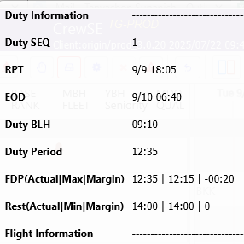 | 1. 2P 4 Landing >> Passed 2. 2P 2Landing >> passed 3.3P require >> Partial passed show warning to override but actualy shouldn't allow to override. Still create pairing with 2P. FDP is 12:35 Max allowable FDP = 12:15 4. After adjust 2P to 3P >> Failed Sysyem don't re-culculate Max FDP according to 1 augmented add. It should be 16:00 hrs.for A/C 350 with suitable rest facilities. |  | failed |  | 3 .3P require >> passed 4. After try to adjust 3P to 4P >> Partial failed Sysyem allow to add 1 pilot with warning msg " Over Assigned " but don't re-culculate Max FDP according to 1 augmented add. It should be 20:00 hrs.for A/C 350 with suitable rest facilities. | Pilot team
Roster |  |  |  | Rest Requirements: |  | Random check pairing create by Manually of flight with rest requirements. | Manually create pairing with complying the rest requirements. |  | Passed
Roster |  |  |  | FDP Extension for Flight Deck Crew: For two‑pilot crew augmented by 1 pilot, the maximum FDPs irrespective of encroachment of the WOCL are: - 14 hours with the provision of an adequate rest facility - 16 hours with the provision of a suitable rest facility. For two‑pilot crew augmented by 2 pilots, the maximum FDPs irrespective of encroachment of the WOCL are: - 16 hours with the provision of an adequate rest facility - 20 hours with the provision of a suitable rest facility. In all cases, where the flight crew are augmented, the sharing of time away from task by flight crew members leaving their posts should be kept in balance. |  | Random check pairing create by Manually of flight with augmented by 1 and 2 pilots. Check for the FDP extension shall be correct by each fleet. | Manually create pairing with complying the FDP extension for pilot. |  | Failed | 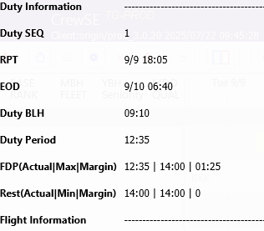 | Example TG345/346 (3P Pilots) 1 Augment >> show warning to override but actualy shouldn't allow and still create pairing with 2P. FDP is 12:35 Max allowable FDP = 12:15. 2 Augment >> Once added 2 augment MAX FDP re-culculate to 14:00 hrs but still wrong. It should be 20:00 Max FDP because of A/C 350 has suitable rest facilities (Bert) |  | Failed |  | Same example : 1. passed 3P (1Augment) correct Max FDP calculation 2. Augment >> Once added 2 augment MAX FDP still culculate to 14:00 hrs. It should be 20:00 Max FDP because of A/C 350 has suitable rest facilities (Bert) | Pilot team
Roster |  |  |  | Airline Transport Pilot License (ATPL): Any flight that requires augmented flight crew should have at least 2 pilots holding Airline Transport Pilot License (ATPL) with at least one occupying the seat as qualified at all times. |  | Random check pairing create by Manually of flight with augmented pilots. Check pairing require 2 pilots holding qualification ATPL. Assign pairing to 1FC, 1FP(No ATPL), 1FP(No ATPL) Assign pairing to 1FC, 1FP(No ATPL), 1FP(ATPL) | Manually create pairing with complying the requitement for 2 ATPL in all flight have augmented pilots. System shall show warning meaasge; (DDMMMYY) "Should have at least 2 pilots holding ATPL license for TGXXX." System allow to assign. |  | Passed | 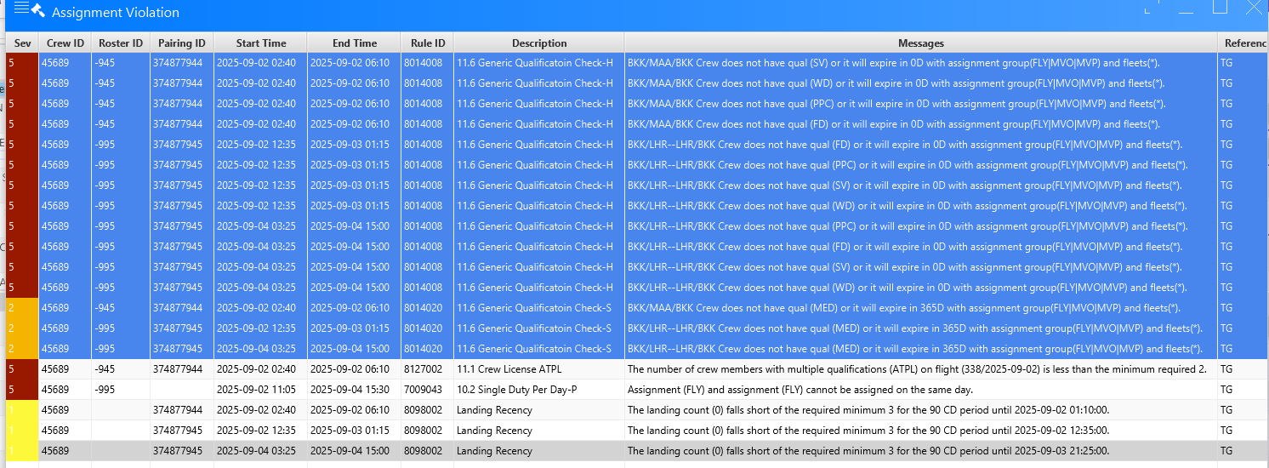
Roster |  |  |  | Check-in Time: Check-in Time at BKK for pilot is 01:45 hours before STD. Check-in Time at BKK for pilot is 01:30 hours before STD for specific flight number. Check-in Time at BKK for deadheading pilot is 01:00 hours before STD. Check-in Time at other station for pilot is 01:00 hours before STD. |  | Random check pairing create by Manually of flight with check-in time. | Manually create pairing with correct check-in time for cabin crew. |  | Passed |  | Check-in Time at BKK for pilot is 01:45 hours before STD. >> Passed Check-in Time at BKK for pilot is 01:30 hours before STD for specific flight number. >> Passed TG481 Check-in Time at BKK for deadheading pilot is 01:00 hours before STD. >> Passed PTG660 then layover >> Check-in Time at other station for pilot is 01:00 hours before STD. >> Passed
Roster |  |  |  | Duty for calculate Duty Period (DP) and Flight Duty Period (FDP): Flight duties: - normal flights (including training in flight, checks in flight, supervision in flight, evaluation flights) - special flights (including supplementary flights, chartered flights, ferry flights, escape/evacuation flights, delivery flight) - aircraft training flights for flight crew (including check flights of CAAT) - test flights - full flight simulator. |  | Random check pairing create by Manually of flight, check the calculation of FDP and DP. | Manually create pairing with correct calculation of FDP and DP for pilot. |  | Partial passed |  | Normal Flight >> Passed Special Flight , Test flight >> Check-in time is vary up to to real operation. Aircraft training flights for flight crew (including check flights of CAAT) >> Passed FDP and DP culculate as same as normal flight Full Flight SIM >> Many more detail, DEV will co-orperate with OD-B in th future. |  | failed |  | Don't have SIM information | Pilot team
Roster |  |  |  | Calculate Flight Duty Period (FDP): when a crew member is required to report for duty that includes a flight or a series of flights (Check-in Time) and end 00:30 hours after STA. |  | Random check pairing create by Manually of flight, check the calculation of FDP. | Manually create pairing with correct calculation of FDP for pilot. |  | Passed
Roster |  |  |  | Minimum Rest Planning: At home base after undertaking a FDP: the minimum rest period shall be at least 12 hours for Intercontinental flights, the minimum rest period shall be at least 48 hours |  | Random check pairing create by Manually of flight, check the minimum rest planning. | Manually create pairing with correct provide the minimum rest planning for cabin crew. |  | Passed
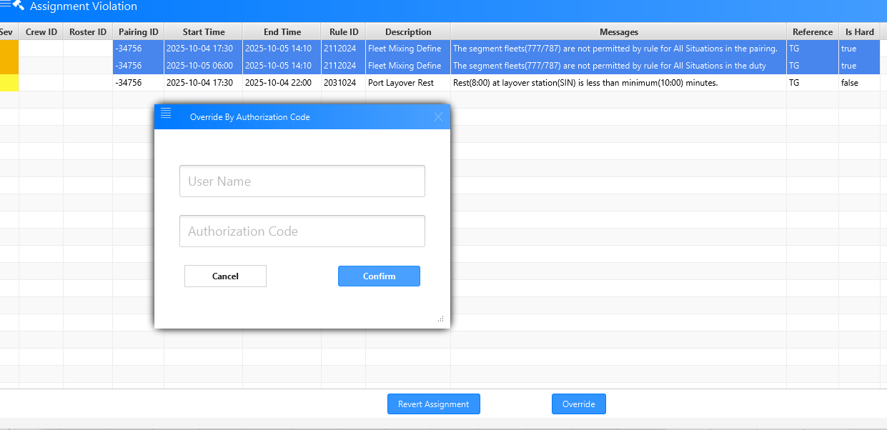
Roster |  |  |  | MFF (Mix fleet flying): The MFF pilot shall not be rostered on both Primary MFF Aircraft and Secondary MFF Aircraft within the same day or Fligh Duty Period. |  | Random check pairing create by Manually of flight, check the Mix fleet flying in same day and same FDP. | Manually create pairing with correct provide the pairing without the Mix fleet flying in same day and same FDP. |  | Failed |  | Don't pop-up any show warning messege |  | passed

17.
Unit Testing |  |  |  | Prerequisites |  |  |  |  | UAT Test 1 |  |  |  | UAT Test 2 |  |  |  | UAT Test 3
Test Case: |  |  |  | Tester User ID Level Set To: |  |  |  |  | Passed | 0 |  |  | Passed | 3 |  |  | Passed | 0
Test Description: | 17. Manage flight change the cabin crews |  |  | Access To: |  |  |  |  | Failed | 3 |  |  | Failed | 0 |  |  | Failed | 0
Created By: | Vorasrisipang Yodhabandhu |  |  | Access To: |  |  |  |  | Blocked | 0 |  |  | Blocked | 0 |  |  | Blocked | 0
Reviewed By: |  |  |  | Access To: |  |  |  |  | Partial Passed | 0 |  |  | Partial Passed | 0 |  |  | Partial Passed | 0
Software Version: |  |  |  | Access To: |  |  |  |  | W_A_D | 0 |  |  | W_A_D |  |  |  | W_A_D
WBS: |  |  |  | Access To:
 |  |  |  | Access To:
Testers Log:
Date Tested:
Testers Name:

Component: | REF: | LSY REF: | LSY RULE # | Description: | Test Action: | Test Steps: | Expected Result: | Severity | UAT 1 | Screenshot: REF1 | Comments/ Notes: 1 | Tested by: 1 | UAT 2 | Screenshot: REF2 | Comments/ Notes:2 | Tested by:2 | UAT 3 | Screenshot: REF3 | Comments/ Notes:3 | Tested by:3
Roster |  |  |  | Manage Flight Change: ASM |  | 1. Coordinate with 5C and IT team to release ASM change for; ASM RB-B 170 DUE TO MAINTENANCE OF A/C 359/HS-THJ CMA NEC TO INTERCHANGE A/C AS FLWS AA FLWG FLTS TO BE OPS WITH 33R/C31Y263 ISO 359 1.TG325 BKK-BLR D.27 DURING 28-30SEP25 N TG326 BLR-BKK D.13 DURING 29SEP-01OCT25 BB FLWG FLTS TO BE OPS WITH 35C/C30Y309 ISO 359 1.TG325 BKK-BLR V.V. ON 29SEP25 N TG326 BLR-BKK V.V. ON 30SEP25 NOTE : ALL FLTS SALABLE SEAT 35C/C30Y289 DATE/TIME LOCAL CFM 2. Manage crew roster change same as business process. Fix all the change. Replace unqualified crew with Standby duty. Assign open time pairing to Standby Duty Crew to complete flight crew composition. | 1. System shall update flight information of ASM change and shall show warning message or sign. 2. System shall update crew in flight in roster; if crew qualify (Fleet/Port/Route/CMC/Rest/DP/FDP and rules concerns etc.) to fly such a flight roster shall show no illegal. But if crew not qualify (Fleet/Port/Route/CMC/Rest/DP/FDP and rules concerns etc.) to fly such a flight roster shall show roster illegal. 3. System shall update crew composition change matching the correct fleet composition require. 4. System shall show crew over or under sign if the composition doesn’t match. 5. FDP, DP, Rest and other pairing information shall be update and correctly. |  | Failed |  | Due to the flight changed didn't interface to CrewSE yet. After consult with P'Da /5C and P'Da consult with P'Aspen. In conclusion at this time (12SEP2025), P'Aspen will take care with this problem and let us know when it will ready to test again. Note : Lastest flight change on CrewSE is on 18AUG2025 that you will seen on the screen capture. | Cabin Team | Passed |  |  | Cabin Team
Roster |  |  |  | Manage Flight Change: ASM |  | 1. Coordinate with 5C and IT team to release ASM change for; ASM RB-B 162 DUE TO 77Y/HS-TTB/INSP LIGHTNING STRIKE ON RH SIDE FUSELAGE CMA PLS NOTE FLWG CHANGES AS FLWS AA FLWG FLTS TO BE OPS WITH 77B/C42Y306 ISO 77Y 1.TG676/677 BKK-NRT V.V. ON 30SEP25 CONSEQUENTLY, BB FLWG FLTS TO BE OPS WITH 33C/C31U48Y185 ISO 77E/C30Y262 1.TG319/320 BKK-KTM V.V. ON 30SEP25 CC FLWG FLTS TO BE OPS WITH 77E/C30Y262 ISO 788 1.TG618/619 BKK-TFU V.V. ON 30SEP25 DATE/TIME LOCAL STP CFM 2. Manage crew roster change same as business process. Fix all the change. Replace unqualified crew with Standby duty. Assign open time pairing to Standby Duty Crew to complete flight crew composition. | 1. System shall update flight information of ASM change and shall show warning message or sign. 2. System shall update crew in flight in roster; if crew qualify (Fleet/Port/Route/CMC/Rest/DP/FDP and rules concerns etc.) to fly such a flight roster shall show no illegal. But if crew not qualify (Fleet/Port/Route/CMC/Rest/DP/FDP and rules concerns etc.) to fly such a flight roster shall show roster illegal. 3. System shall update crew composition change matching the correct fleet composition require. 4. System shall show crew over or under sign if the composition doesn’t match. 5. FDP, DP, Rest and other pairing information shall be update and correctly. |  | Failed | 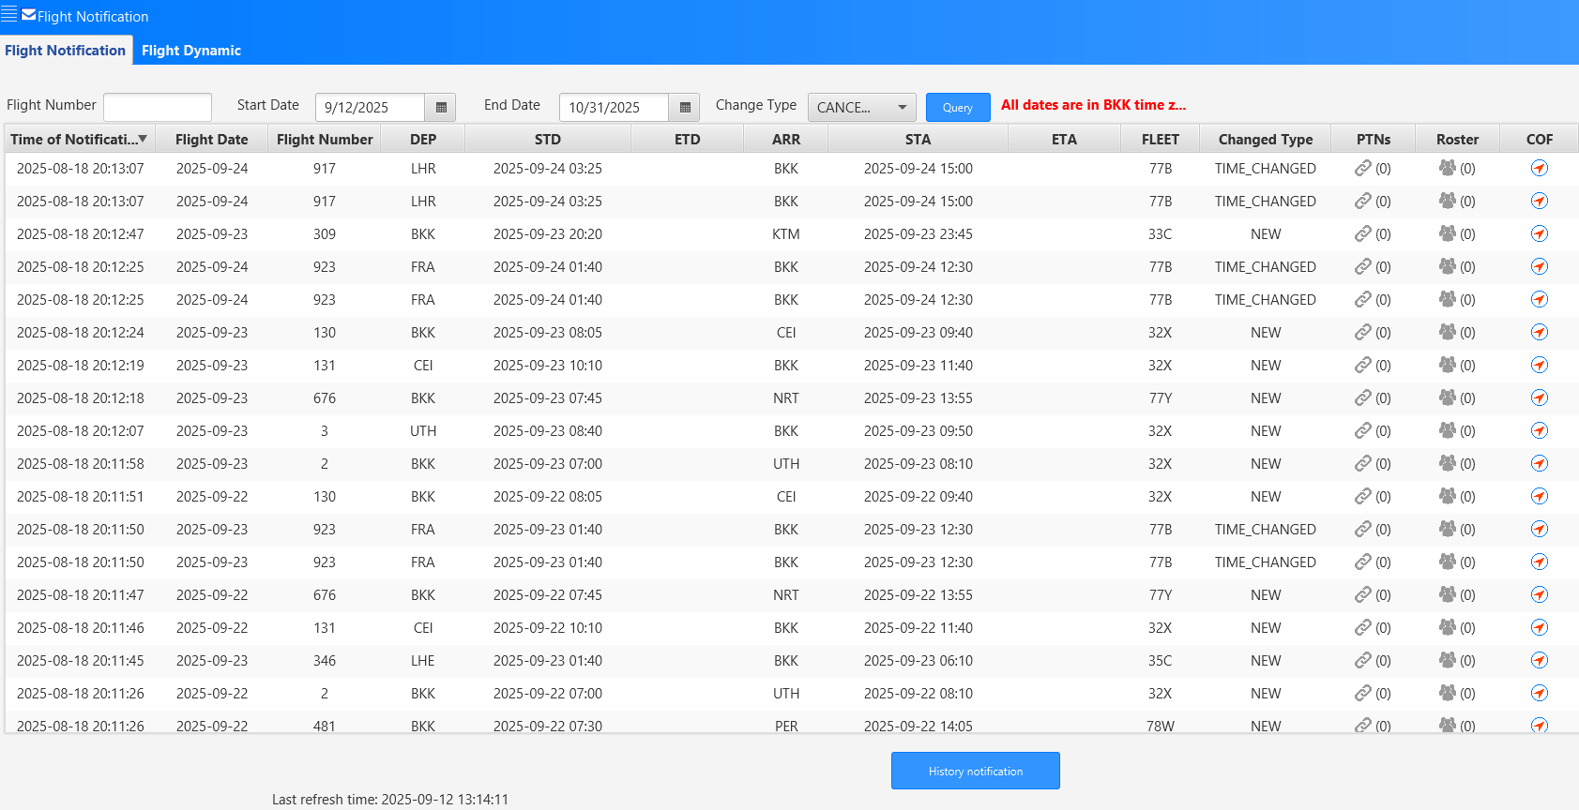 | Due to the flight changed didn't interface to CrewSE yet. After consult with P'Da /5C and P'Da consult with P'Aspen. In conclusion at this time (12SEP2025), P'Aspen will take care with this problem and let us know when it will ready to test again. Note : Lastest flight change on CrewSE is on 18AUG2025 that you will seen on the screen capture. | Cabin Team | Passed |  | Remark - Crew Comp. in Pink color is under assign - Crew Comp. in Purple is over assign | Cabin Team
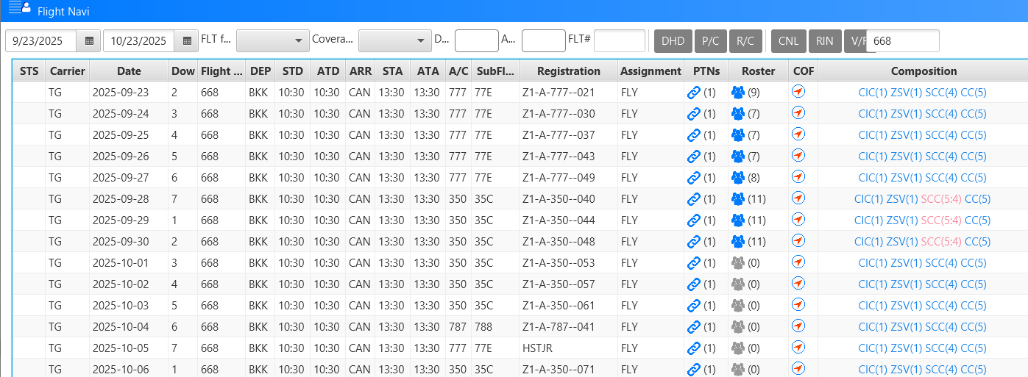
Roster |  |  |  | Manage Flight Change: SSM |  | 1. Coordinate with 5C and IT team to release ASM change for; SSM S25 RB-A22 REF SUMMER 2025 TPI CIR NBR 123 ISS NBR 1 - PART I INTERNATIONAL ROUTES STP DUE TO OPERATIONAL REASON CMA PLS NOTE FLWG CHANGES : WEF : 01SEP25 - 25OCT25 ----------------------- . TG668 BKK-CAN TO BE REVISED AS FLWS : - TG668 DAILY BKK1030 CAN1430 NOTE : TG669 TO BE OPS AS NORMAL SCHED DAYS/TIME LOCAL 2. Manage crew roster change same as business process. Fix all the change. Replace unqualified crew with Standby duty. Assign open time pairing to Standby Duty Crew to complete flight crew composition. | 1. System shall update flight information of ASM change and shall show warning message or sign. 2. System shall update crew in flight in roster; if crew qualify (Fleet/Port/Route/CMC/Rest/DP/FDP and rules concerns etc.) to fly such a flight roster shall show no illegal. But if crew not qualify (Fleet/Port/Route/CMC/Rest/DP/FDP and rules concerns etc.) to fly such a flight roster shall show roster illegal. 3. System shall update crew composition change matching the correct fleet composition require. 4. System shall show crew over or under sign if the composition doesn’t match. 5. FDP, DP, Rest and other pairing information shall be update and correctly. |  | Failed |  | Due to the flight changed didn't interface to CrewSE yet. After consult with P'Da /5C and P'Da consult with P'Aspen. In conclusion at this time (12SEP2025), P'Aspen will take care with this problem and let us know when it will ready to test again. Note : Lastest flight change on CrewSE is on 18AUG2025 that you will seen on the screen capture. | Cabin Team | Passed |  |  | Cabin Team

18.
Unit Testing |  |  |  | Prerequisites |  |  |  |  | UAT Test 1 |  |  |  | UAT Test 2 |  |  |  | UAT Test 3
Test Case: |  |  |  | Tester User ID Level Set To: |  |  |  |  | Passed | 0 |  |  | Passed | 0 |  |  | Passed | 0
Test Description: | 18. Manage flight change the pilots |  |  | Access To: |  |  |  |  | Failed | 3 |  |  | Failed | 0 |  |  | Failed | 0
Created By: | Vorasrisipang Yodhabandhu |  |  | Access To: |  |  |  |  | Blocked | 0 |  |  | Blocked | 0 |  |  | Blocked | 0
Reviewed By: |  |  |  | Access To: |  |  |  |  | Partial Passed | 0 |  |  | Partial Passed | 0 |  |  | Partial Passed | 0
Software Version: |  |  |  | Access To: |  |  |  |  | W_A_D | 0 |  |  | W_A_D |  |  |  | W_A_D
WBS: |  |  |  | Access To:
 |  |  |  | Access To:
Testers Log:
Date Tested:
Testers Name:

Component: | REF: | LSY REF: | LSY RULE # | Description: | Test Action: | Test Steps: | Expected Result: | Severity | UAT 1 | Screenshot: REF1 | Comments/ Notes: 1 | Tested by: 1 | UAT 2 | Screenshot: REF2 | Comments/ Notes:2 | Tested by:2 | UAT 3 | Screenshot: REF3 | Comments/ Notes:3 | Tested by:3
Roster |  |  |  | Manage Flight Change: |  | Manage any flight fleet change to check, rules, composition, re-pairing etc. Do as business process of roster maintenance. | 1. System shall update flight information of ASM change and shall show warning message or sign. 2. System shall update crew in flight in roster; if crew qualify (Fleet/Port/Route/CMC/Rest/DP/FDP and rules concerns etc.) to fly such a flight roster shall show no illegal. But if crew not qualify (Fleet/Port/Route/CMC/Rest/DP/FDP and rules concerns etc.) to fly such a flight roster shall show roster illegal. 3. System shall update crew composition change matching the correct fleet composition require. 4. System shall show crew over or under sign if the composition doesn’t match. 5. FDP, DP, Rest and other pairing information shall be update and correctly. |  | FAILED |  | Due to the flight changed didn't interface to CrewSE yet. After consult with P'Da /5C and P'Da consult with P'Aspen. In conclusion at this time (15SEP2025), P'Aspen will take care with this problem and let us know when it will ready to test again. Note : Lastest flight change on CrewSE is on 18AUG2025 that you will seen on the screen capture. | PILOT TEAM
Roster |  |  |  | Manage Flight Change: |  | Manage any flight fleet change to check, rules, composition, re-pairing etc. Do as business process of roster maintenance. | 1. System shall update flight information of ASM change and shall show warning message or sign. 2. System shall update crew in flight in roster; if crew qualify (Fleet/Port/Route/CMC/Rest/DP/FDP and rules concerns etc.) to fly such a flight roster shall show no illegal. But if crew not qualify (Fleet/Port/Route/CMC/Rest/DP/FDP and rules concerns etc.) to fly such a flight roster shall show roster illegal. 3. System shall update crew composition change matching the correct fleet composition require. 4. System shall show crew over or under sign if the composition doesn’t match. 5. FDP, DP, Rest and other pairing information shall be update and correctly. |  | FAILED | 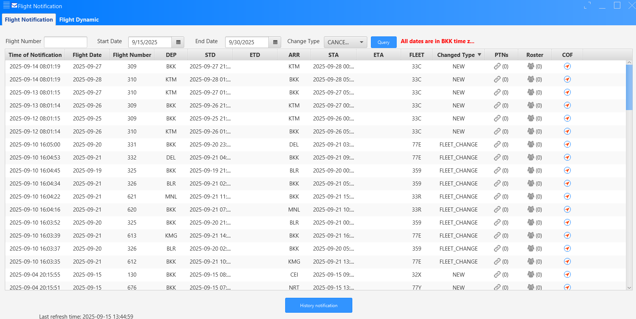 | Due to the flight changed didn't interface to CrewSE yet. After consult with P'Da /5C and P'Da consult with P'Aspen. In conclusion at this time (15SEP2025), P'Aspen will take care with this problem and let us know when it will ready to test again. Note : Lastest flight change on CrewSE is on 18AUG2025 that you will seen on the screen capture. | PILOT TEAM
Roster |  |  |  | Manage Flight Change: |  | Manage any flight fleet change to check, rules, composition, re-pairing etc. Do as business process of roster maintenance. | 1. System shall update flight information of ASM change and shall show warning message or sign. 2. System shall update crew in flight in roster; if crew qualify (Fleet/Port/Route/CMC/Rest/DP/FDP and rules concerns etc.) to fly such a flight roster shall show no illegal. But if crew not qualify (Fleet/Port/Route/CMC/Rest/DP/FDP and rules concerns etc.) to fly such a flight roster shall show roster illegal. 3. System shall update crew composition change matching the correct fleet composition require. 4. System shall show crew over or under sign if the composition doesn’t match. 5. FDP, DP, Rest and other pairing information shall be update and correctly. |  | FAILED |  | Due to the flight changed didn't interface to CrewSE yet. After consult with P'Da /5C and P'Da consult with P'Aspen. In conclusion at this time (15SEP2025), P'Aspen will take care with this problem and let us know when it will ready to test again. Note : Lastest flight change on CrewSE is on 18AUG2025 that you will seen on the screen capture. | PILOT TEAM

19.
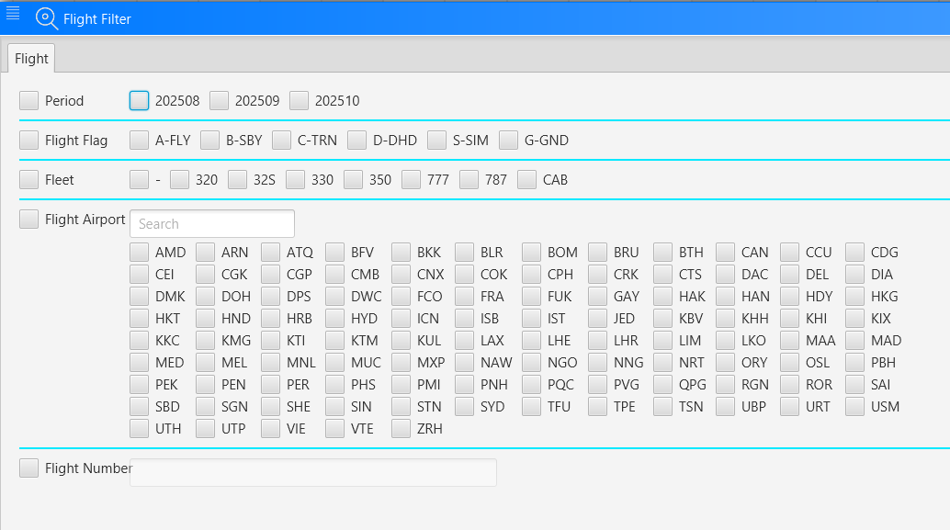
Unit Testing |  |  |  | Prerequisites |  |  |  |  | UAT Test 1 |  |  |  | UAT Test 2 |  |  |  | UAT Test 3
Test Case: |  |  |  | Tester User ID Level Set To: |  |  |  |  | Passed | 2 |  |  | Passed | 1 |  |  | Passed | 0
Test Description: | 19. Adjust roster block hour the cabin crews |  |  | Access To: |  |  |  |  | Failed | 1 |  |  | Failed | 0 |  |  | Failed | 0
Created By: | Vorasrisipang Yodhabandhu |  |  | Access To: |  |  |  |  | Blocked | 0 |  |  | Blocked | 0 |  |  | Blocked | 0
Reviewed By: |  |  |  | Access To: |  |  |  |  | Partial Passed | 0 |  |  | Partial Passed | 0 |  |  | Partial Passed | 0
Software Version: |  |  |  | Access To: |  |  |  |  | W_A_D | 0 |  |  | W_A_D |  |  |  | W_A_D
WBS: |  |  |  | Access To:
 |  |  |  | Access To:
Testers Log:
Date Tested:
Testers Name:

Component: | REF: | LSY REF: | LSY RULE # | Description: | Test Action: | Test Steps: | Expected Result: | Severity | UAT 1 | Screenshot: REF1 | Comments/ Notes: 1 | Tested by: 1 | UAT 2 | Screenshot: REF2 | Comments/ Notes:2 | Tested by:2 | UAT 3 | Screenshot: REF3 | Comments/ Notes:3 | Tested by:3
Roster |  |  |  | Adjust roster block hours in crew monthly roster: |  | 1. Query the crew by fleet/rank and or qualification / team base on monthly block time and sorting for the lowest to highest to assign open flight paring. 2. Query the crew by fleet/rank and or qualification / team base on monthly block time and sorting for the highest to lowest to assign open flight paring. 3. Sorting crew to adjust crew monthly block hour. | 1. System able to query crew base on Crew Fleet/Rank Qualification/Team etc. and sorting correctly. 2. Crew personal information for example shall display correctly. 3. Crew Block Hour, FDP, DP, Rest and other pairing information shall be display correctly. |  | Passed | 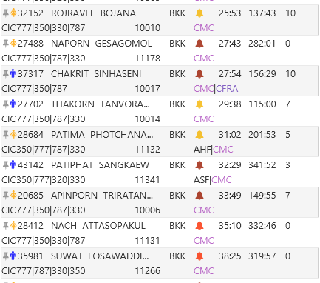 |  | Cabin Team
Roster |  |  |  | Query the pairing/ flight /ground/ training/ standby/roster. |  | 1. Query the pairing base on fleet/rank/type/attribute etc. 2. Query the pairing/flight over and under assign. 3. Query the pairing/flight need to create Deadheading. | System able to query correctly. |  | Passed | Under Assign Over Assign Deadhead |  | Cabin Team
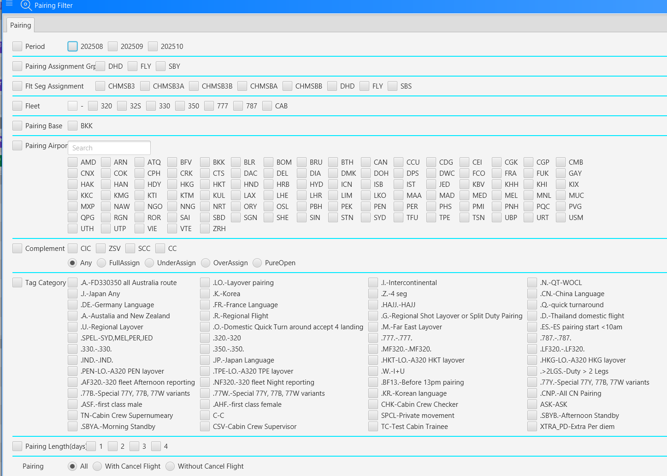
Roster |  |  |  | Query the illegal pairing/ flight /ground/ training/ standby/roster. |  | 1. Query the illegal pairing 2. Query the illegal flight 3. Query the illegal roster | System able to query correctly. |  | Failed | 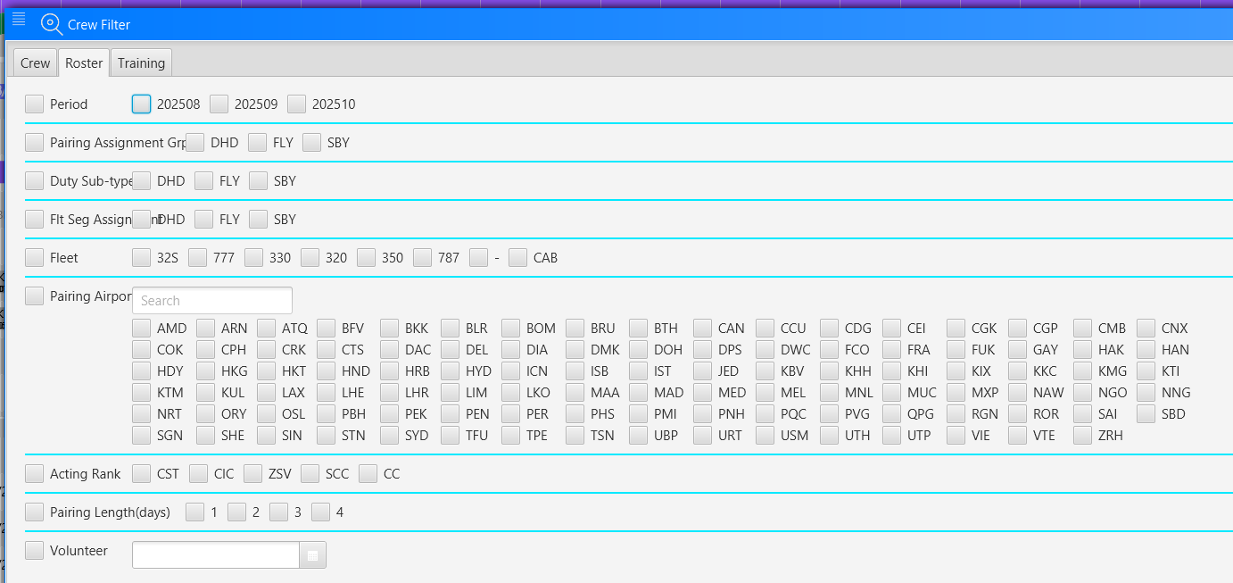 | No filter for llegal pairing, illegal flight and illegal roster. | Cabin Team | Passed | 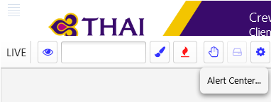 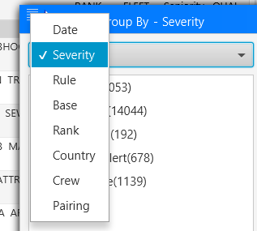 | We can query the illegal pairing and the illegal roster on Alert Center. | Cabin Team

27.
Unit Testing |  |  |  | Prerequisites |  |  |  |  | UAT Test 1 |  |  |  | UAT Test 2 |  |  |  | UAT Test 3
Test Case: | 27. Report |  |  | Tester User ID Level Set To: |  |  |  |  | Passed | 2 |  |  | Passed | 3 |  |  | Passed | 0
Test Description: |  |  |  | Access To: |  |  |  |  | Failed | 21 |  |  | Failed | 0 |  |  | Failed | 0
Created By: | Vorasrisipang Yodhabandhu |  |  | Access To: |  |  |  |  | Blocked | 0 |  |  | Blocked | 0 |  |  | Blocked | 0
Reviewed By: |  |  |  | Access To: |  |  |  |  | Partial Passed | 1 |  |  | Partial Passed | 1 |  |  | Partial Passed | 0
Software Version: |  |  |  | Access To: |  |  |  |  | W_A_D | 0 |  |  | W_A_D |  |  |  | W_A_D
WBS: |  |  |  | Access To:
 |  |  |  | Access To:
Testers Log:
Date Tested:
Testers Name:

Component: | REF: | LSY REF: | LSY RULE # | Description: | Test Action: | Test Steps: | Expected Result: | Severity | UAT 1 | Screenshot: REF1 | Comments/ Notes: 1 | Tested by: 1 | UAT 2 | Screenshot: REF2 | Comments/ Notes:2 | Tested by:2 | UAT 3 | Screenshot: REF3 | Comments/ Notes:3 | Tested by:3
Roster |  |  |  | Due Date: - Check due date of EM/Avsec/CRM/SV |  |  |  |  | Failed |  |  | DP-A | passed |  |  | Cabin Team
Roster |  |  |  | Aerodrome due date: - Check due date of Aerodrome airport |  |  |  |  | Failed |  |  | DP-A
Roster |  |  |  | Flight Complement: - Compared composition of Pairing with Standard composition of Master pairing |  |  |  |  | Failed |  |  | DP-A
Roster |  |  |  | Crew in group: - Display pilot list on each fleet |  |  |  |  | Failed |  |  | DP-A
Roster |  |  |  | Port Layover: - Display Port layover as flight no. and Airport code |  |  |  |  | Failed |  |  | DP-A
Roster |  |  |  | Suitable crews: - Display pilot who away from port layover and each port |  |  |  |  | Failed |  |  | DP-A
Roster |  |  |  | Check ATPL Complete: - Check ATPL license in same flight (only 3 pilots) |  |  |  |  | PASSED |  |  | PILOT TEAM
Roster |  |  |  | OML&ExceedPilot60: - Should not have more than 1 pilot in the same flight |  |  |  |  | PASSED |  |  | PILOT TEAM
Roster |  |  |  | Flt.Pilot wo RHS: - Check flights with fly 2 FC that do not have RHS. |  |  |  |  | Failed |  |  | DP-A
Roster |  |  |  | Crew on flight: - Display crew list on flight |  |  |  |  | Failed |  |  | DP-A | Partial Passed | 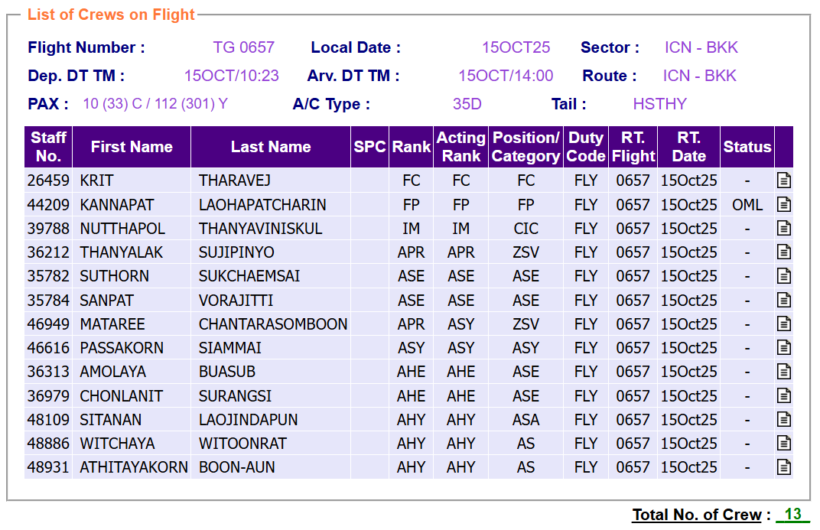 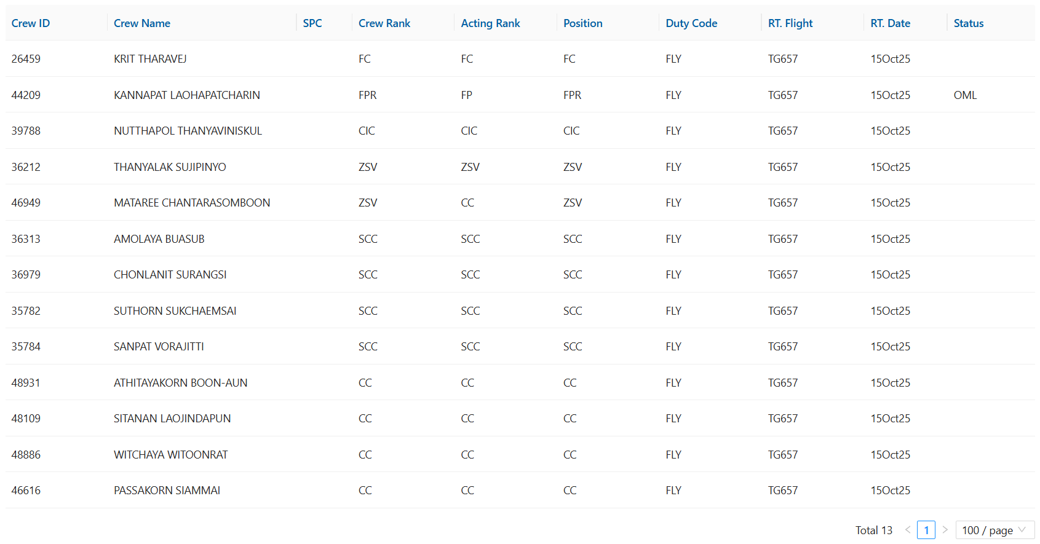 | - Time should show the local time not only BKK time. - Not show PAX status - Crew Name List will be better if it can view the individual crew schedule. - Report sholud show Crew Team (Position/Category) | Cabin Team/Pilot Team
Roster |  |  |  | Summary schedule: - Display summary schedule in each fleet / category / period (Publish version for schedule swap) |  |  |  |  | Partial Passed |  | Some missing information in the report. | DP-A
Roster |  |  |  | Training history: - Display training record |  |  |  |  | Failed |  |  | DP-A
Roster |  |  |  | Compared Blk. Time: - Compared Block hour planning vs. Actual |  |  |  |  | Failed |  |  | DP-A
Roster |  |  |  | BLKHRS Crew count: - Display BH in each fleet |  |  |  |  | Failed |  |  | DP-A
Roster |  |  |  | Mix fleet same day: - Display different fleet type in same day |  |  |  |  | Failed |  |  | DP-A
Roster |  |  |  | Away Standby : - To check crew who away standby duty, the report will list crew name list who away standby depend on the last to current period. |  |  |  |  | Failed |  |  | DP-A
Roster |  |  |  | Crew Away Flt duty: - To check crew away fly duty for a period of time, which exclude a group of leave code |  |  |  |  | Failed |  |  | DP-A
Roster |  |  |  | List of Crew Overlap Fly Duty Assigned Report : - To inquire crew who have more than one flight duty on the same period of time |  |  |  |  | Failed |  |  | DP-A
Roster |  |  |  | List of Repeating Flight report: - To show the no. of times, the cabin crew got the same flight number in the period of time |  |  |  |  | Failed |  |  | DP-A
Roster |  |  |  | Transition Pairing Report: - To show pairing as require for creating transition pairing summary from |  |  |  |  | Failed |  |  | DP-A
Roster |  |  |  | Due date (RECENCY): - To show info that crew due date in any kind of their qualifications. |  |  |  |  | Failed |  |  | DP-A
Roster |  |  |  | Due date (EMERGENCY recurrent): - To show info that crew due date in their emergency qualifications |  |  |  |  | Failed |  |  | DP-A | Passed |  |  | Cabin Team
Roster |  |  |  | Crew not Qualify: - To check the crew who are not qualify to fly because recency expire. This report will use for final check before publish schedule |  |  |  |  | Failed |  |  | DP-A | Passed |  | - 43093 not qualified fleet 330 - 36855 not qualified fleet 330 - 43015 not qualified fleet 330 - 45045 unqualified aircraft recency for fleet 787 since 31Jul 25. - 48962 not qualified fleet 330 In conclusion, report is correct. | Cabin Team
Roster |  |  |  | Cabin crew contract on flights: - To check the specific cabin crew group team (AS/AST), counting for no. of crew on flight |  |  |  |  | Failed |  |  | DP-A

28.
Unit Testing |  |  |  | Prerequisites |  |  |  |  | UAT Test 1 |  |  |  | UAT Test 2 |  |  |  | UAT Test 3
Test Case: | 28. Crew Web/App |  |  | Tester User ID Level Set To: |  |  |  |  | Passed | 4 |  |  | Passed | 0 |  |  | Passed | 0
Test Description: |  |  |  | Access To: |  |  |  |  | Failed | 3 |  |  | Failed | 0 |  |  | Failed | 0
Created By: | Vorasrisipang Yodhabandhu |  |  | Access To: |  |  |  |  | Blocked | 0 |  |  | Blocked | 0 |  |  | Blocked | 0
Reviewed By: |  |  |  | Access To: |  |  |  |  | Partial Passed | 4 |  |  | Partial Passed | 0 |  |  | Partial Passed | 0
Software Version: |  |  |  | Access To: |  |  |  |  | W_A_D | 0 |  |  | W_A_D |  |  |  | W_A_D
WBS: |  |  |  | Access To:
 |  |  |  | Access To:
Testers Log:
Date Tested:
Testers Name:

Component: | REF: | LSY REF: | LSY RULE # | Description: | Test Action: | Test Steps: | Expected Result: | Severity | UAT 1 | Screenshot: REF1 | Comments/ Notes: 1 | Tested by: 1 | UAT 2 | Screenshot: REF2 | Comments/ Notes:2 | Tested by:2 | UAT 3 | Screenshot: REF3 | Comments/ Notes:3 | Tested by:3
Roster |  |  |  | Publish Roster to Crew: |  | Check the complete of roster publish to Crew by Web/App | 1. Roster duty complete publish to Crew 100%. 2. Roster complete publish to Crew with special mark duty pairing/roster/flight such as “VVIP or SPCL”, “LOCK”,“CHK or Check”, “SV”, “CSV”, “SN”,”TN”. 3. Crew Block Hour, FDP, DP, Rest, Dayoff and other pairing information, duties information shall be display correctly. |  | Failed |  | System not ready for crew to download and test. | Crew
Roster |  |  |  | Crew Notification: |  | Manage any change to crew schedule and log in crew Web/App by those crew and see notifications. - Duty Change - Remind - Requests - System | System shall show any change in crew schedule by notify in Wed/App correctly. |  | passed |  |  | Crew
Roster |  |  |  | Crew Check-In: |  | The area setting in system shall allow crew to check-in within 3 kilometers at OPC area. Crew try to check-in their duty within the OPC area. | 1. System allow crew to check-in within 3 kilometer around OPC area. 2. System not allow crew to check-in if it is outside allowable area for check-in. |  | passed |  |  | Crew
Roster |  |  |  | Crew Inflight Information: |  | Check individual crew monthly schedule in each duties. Check all necessary information such as duty info, crew inflight, active rank, acting rank, schedule calendar mode, flight info, color of each duties, time display (Local, UTC), Flight Log info, Crew inflight sorting, Duty Remark, EM Quiz result, Assign Inflight Duty Mode, Crew Qual Due Date, Crew Document (Passport, CMC etc.), personal center (crew information, crew document, Dashboard (Block Hour index, H1/H2 Index, Current Month Index etc.) , Crew Safty Training and Medical Record. | System shall show any information specify require in crew Web/App correctly. |  | partial passed |  | Waiting some fixed as the requirements. | Crew
Roster |  |  |  | Crew PDPA, Friend, Unfriend, Publish Roster to All: |  | Check crew PDPA detail. | 1. Crew able to publish they roster schedule to all crew in same fleet/rank (Pilot), same rank (Cabin). 2. Crew able to add friend or un-friend any crew. 3. In friend status, crew can see their friend roster schedule. 4. No crew can see other crew schedule without become friend or only those crew publish their roster. |  | passed |  |  | Crew
Roster |  |  |  | Crew SWAP: |  |  | Crew able to SWAP schedule only meet such a flight duty qualification require: 1. Publish flight to other for SWAP request. 2. One on One SWAP. 3. Able to setting SWAP rules for allow crew to be SWAP such as; 3.1. Limit crew block hours to SWAP shall not over 100 hrs. in calendar month. 3.2. Limit crew block hours to SWAP shall not over 15 hrs. from each individual block hours. |  | partial passed |  | Waiting some fixed as the requirements. | Crew
Roster |  |  |  | Crew Individual Roster Report: |  | In “Report“ tap, crew can click and generate their own “Individual Monthly Roster – Actual” and able to export as PDF. |  |  | partial passed |  | get after cutover | Crew
Roster |  |  |  | Crew EM Quiz: |  | Check EM Quiz functions. | 1. Allowed crew to check-in before quiz 2. Allowed crew to check-in after quiz result “P” 3. Crew doing the EM Quiz |  | partial passed |  | Re-test for allow crew to check-in even not "P". | Crew
Roster |  |  |  | Change Features |  | For Crew App/Portal, Request to change from “Comp” to “Flight Number as “TG638/TG639”. It will be more useful to crew to see the flight duties for SWAP. |  |  | passed | Currently the users can check detail segments info by clicking '+' button, as you can see in my screenshot. Please let us know if current function can meet your requirement. |  | DP-A
Roster |  |  |  | Fixed Features |  | The layover count “2 nights” is incorrect. TG622 arrive at KIX at 07:20 am. in 05OCT25 and departure from KIX at 14:45 pm. In 06OCT25 so the layover night shall count as “1 night”. |  |  | 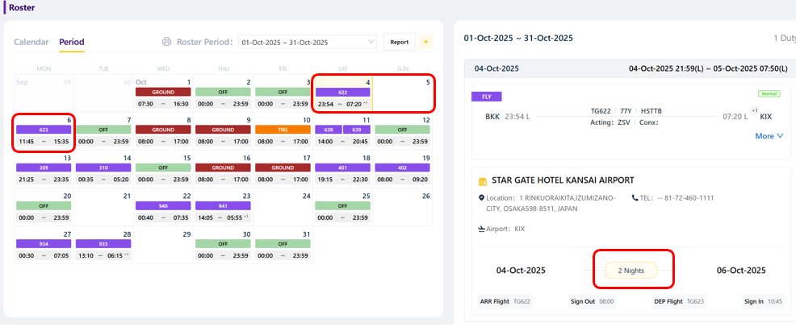 failed |  |  | DP-A
Roster |  |  |  | Fixed Features |  | Could you please help update the wording and configuration according to TG regulation standards as follows: Duty Hours → Change name to “Duty Period” = Active Flight Duty (DP) + Passive Flight Duty (DP) + Ground Duty Period (DP) + Standby Duty Period (DP). Cred Hours → Change name to “Credit Hours” (Data = Duty Period). Layover → Please configure as Layover Night Count (instead of Layover Pairing Count) so that this information reflects TG Hotel Night Count for crew per month. Working Duties → This should count the days when crew are on duty, including both check-in and check-out days. Each crew should have a total of 22 days. |  |  | failed | 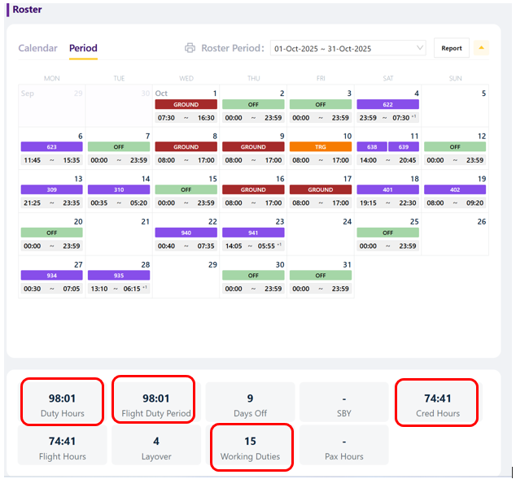 |  | DP-A

29._CC
Unit Testing |  |  |  | Prerequisites |  |  |  |  | UAT Test 1 |  |  |  | UAT Test 2 |  |  |  | UAT Test 3
Test Case: | 29.Fill blank day with duty |  |  | Tester User ID Level Set To: |  |  |  |  | Passed | 2 |  |  | Passed | 0 |  |  | Passed | 0
Test Description: |  |  |  | Access To: |  |  |  |  | Failed | 1 |  |  | Failed | 1 |  |  | Failed | 0
Created By: | Vorasrisipang Yodhabandhu |  |  | Access To: |  |  |  |  | Blocked | 0 |  |  | Blocked | 0 |  |  | Blocked | 0
Reviewed By: |  |  |  | Access To: |  |  |  |  | Partial Passed | 0 |  |  | Partial Passed | 0 |  |  | Partial Passed | 0
Software Version: |  |  |  | Access To: |  |  |  |  | W_A_D | 0 |  |  | W_A_D |  |  |  | W_A_D
WBS: |  |  |  | Access To:
 |  |  |  | Access To:
Testers Log:
Date Tested:
Testers Name:

Component: | REF: | LSY REF: | LSY RULE # | Description: | Test Action: | Test Steps: | Expected Result: | Severity | UAT 1 | Screenshot: REF1 | Comments/ Notes: 1 | Tested by: 1 | UAT 2 | Screenshot: REF2 | Comments/ Notes:2 | Tested by:2 | UAT 3 | Screenshot: REF3 | Comments/ Notes:3 | Tested by:3
Roster | OM-A |  |  | Fill blank day with duty |  | Fill blank day with duty. 1. After finish adjust roster, for the blank day in schedule shall be able to fill blank day with duty such as “Off Day” for Max 8 days. 2. Assign "Off Day" to crew Rank "CIC" with fleet 777 with "Off Day" for Max 8 days. 3. Assign "Off Day" to crew Rank "ASE" with fleet all fleet with "Off Day" for Max 8 days. 4. Assign "Off Day" to crew Rank "FC" with fleet 777 with "Off Day" for Max 8 days. 5. Assign "Off Day" to crew Rank "FP" with all fleet with "Off Day" for Max 8 days. | System complete assign duty on crew roster blank day for 8 days. |  | Passed |  |  | Cabin Team
Roster | OM-A |  |  | Fill blank day with duty |  | Fill blank day with duty. 1. After assign "Off Day" as above, fill the left blank day with "CHMSBA" for cabin crew and "PHMSBA" for pilot. | System complete assign duty on crew roster all the blank day with "CHMSBA" for cabin crew and "PHMSBA" for pilot. |  | Failed |  | Can fill all the blank day left with "CHMSBA" but it have to override by password due to the minimum day off rule and the standby limit rule. System shall fill blank day without override the minimum dayoff requirements. System shall fill blank day and left the other day for minimum dayoff left. | Cabin Team/Gift | Failed |  | Can fill all the blank day left with "CHMSBA" but it have to override by password due to the minimum day off rule and the standby limit rule. System shall fill blank day without override the minimum dayoff requirements. System shall fill blank day and left the other day for minimum dayoff left. Still be the same as the UAT 1. Remark : Test on TG-PROD / Live / December 2025 period | Bush
Roster | OM-A |  |  | Fill blank day with duty |  | Fill blank day with duty. 1. After finish adjust roster, for the blank day in schedule shall be able to fill blank day with duty such as “Off Day" with no Max. 2. Assign "Off Day" to crew Rank "CIC" with fleet 777 with "Off Day" for all monthly blank day. 3. Assign "Off Day" to crew Rank "ASE" with fleet all fleet with "Off Day" all monthly blank day. 4. Assign "Off Day" to crew Rank "FC" with fleet 777 with "Off Day" for all monthly blank day. 5. Assign "Off Day" to crew Rank "FP" with all fleet with "Off Day" for all monthly blank day. | System complete assign duty on crew roster all the blank day with "Off Day". |  | Passed |  |  | Cabin Team

29._FD
Unit Testing |  |  |  | Prerequisites |  |  |  |  | UAT Test 1 |  |  |  | UAT Test 2 |  |  |  | UAT Test 3
Test Case: | 29.Fill blank day with duty |  |  | Tester User ID Level Set To: |  |  |  |  | Passed | 4 |  |  | Passed | 0 |  |  | Passed | 0
Test Description: |  |  |  | Access To: |  |  |  |  | Failed | 1 |  |  | Failed | 1 |  |  | Failed | 0
Created By: | Vorasrisipang Yodhabandhu |  |  | Access To: |  |  |  |  | Blocked | 0 |  |  | Blocked | 0 |  |  | Blocked | 0
Reviewed By: |  |  |  | Access To: |  |  |  |  | Partial Passed | 0 |  |  | Partial Passed | 0 |  |  | Partial Passed | 0
Software Version: |  |  |  | Access To: |  |  |  |  | W_A_D | 0 |  |  | W_A_D |  |  |  | W_A_D
WBS: |  |  |  | Access To:
 |  |  |  | Access To:
Testers Log:
Date Tested:
Testers Name:

Component: | REF: | LSY REF: | LSY RULE # | Description: | Test Action: | Test Steps: | Expected Result: | Severity | UAT 1 | Screenshot: REF1 | Comments/ Notes: 1 | Tested by: 1 | UAT 2 | Screenshot: REF2 | Comments/ Notes:2 | Tested by:2 | UAT 3 | Screenshot: REF3 | Comments/ Notes:3 | Tested by:3
Roster | OM-A |  |  | Fill blank day with duty |  | Fill blank day with duty. 1. After finish adjust roster, for the blank day in schedule shall be able to fill blank day with duty such as “Off Day” for Max 8 days. 2. Assign "Off Day" to crew Rank "CIC" with fleet 777 with "Off Day" for Max 8 days. 3. Assign "Off Day" to crew Rank "ASE" with fleet all fleet with "Off Day" for Max 8 days. 4. Assign "Off Day" to crew Rank "FC" with fleet 777 with "Off Day" for Max 8 days. 5. Assign "Off Day" to crew Rank "FP" with all fleet with "Off Day" for Max 8 days. | System complete assign duty on crew roster black day for 8 days. |  | PASSED |  |  | PILOT TEAM |  |  |  | CABIN TEAM
Roster | OM-A |  |  | Fill blank day with duty |  | Fill blank day with duty. 1. After assign "Off Day" as above, fill the left blank day with "CHMSBA" for cabin crew and "PHMSBA" for pilot. | System complete assign duty on crew roster all the black day with "CHMSBA" for cabin crew and "PHMSBA" for pilot. |  | failed |  | I will do the test again. | PILOT TEAM | Failed |  | Can fill all the blank day left with "CHMSBA" but it have to override by password due to the minimum day off rule and the standby limit rule. System shall fill blank day without override the minimum dayoff requirements. System shall fill blank day and left the other day for minimum dayoff left. Remark : Test on TG-PROD / Live / December 2025 period | Bush
Roster | OM-A |  |  | Fill blank day with duty |  | Fill blank day with duty. 1. After finish adjust roster, for the blank day in schedule shall be able to fill blank day with duty such as “Off Day" with no Max. 2. Assign "Off Day" to crew Rank "CIC" with fleet 777 with "Off Day" for all monthly blank day. 3. Assign "Off Day" to crew Rank "ASE" with fleet all fleet with "Off Day" all monthly blank day. 4. Assign "Off Day" to crew Rank "FC" with fleet 777 with "Off Day" for all monthly blank day. 5. Assign "Off Day" to crew Rank "FP" with all fleet with "Off Day" for all monthly blank day. | System complete assign duty on crew roster all the black day with "Off Day". |  | PASSED |  |  | PILOT TEAM

Roster |  |  |  | Calculate Flight Duty Period (FDP): when a crew member is required to report for duty that includes a flight or a series of flights (Check-in Time) and end 00:30 hours after STA. |  | Random check pairing create by Manually of flight, check the calculation of FDP. | Manually create pairing with correct calculation of FDP for cabin crew. |  | Passed |  |  | CABIN TEAM
Roster |  |  |  | Minimum Rest Planning: At home base after undertaking a FDP: the minimum rest period shall be at least 12 hours for Intercontinental flights, the minimum rest period shall be at least 48 hours |  | Random check pairing create by Manually of flight, check the minimum rest planning. | Manually create pairing with correct provide the minimum rest planning for cabin crew. |  | Passed |  |  | CABIN TEAM

Receive after CutoverNOV25
ITEM TO REECEIVE AFTER CUTOVER NOV25 |  |  | Dec-25 |  |  | Jan-26

NO. | ITEM | REMARK | 1-10 | 11-20 | 21-31 | 1-10 | 11-20 | 21-31
1 | Other function and user except DP-A member cannot see DP-A Planning schedule with unpublished crew roster. | TG business process with TOR requirement, no one can see DP-A Planning schedule with unpublished crew roster except DP-A member. Pi cannot support until 1 month after cutover at NOV25.
2 | Schedule Re-Publish | Afetr DP-A user schedule publish roster, due to some reason. TG user needs to update schedule data and re-publish.
3 | Friend list function | In crew Web/App, TG require individual crew will be able to open their own roster based on crew friend list. TG require that user can submit/approve friend request in CrewSE system. Friends can check each other's roster. Each user will hae a specific friend list.
4 | In-Flight duty auto assignment | According to the logic provided by TG, CrewSE. No info for the logic.
5 | Crew seniority calculated/Update by CrewSE | Based on TG Logic and data migration.
6 | AD-HOC leave request approved by supervisor via App/Portal
7 | Crew Individual Roster Report in App/Portal
8 | Pairing Template enhancement with multiple Fleet in one template.
9 | For Crew App/Portal, for SWAP, request query duty SWAP by fleet.
10 | For Crew App/Portal, Expand the Display Area for “Crew on Flight” | Please enlarge the page or enable a full-screen view. The current small display requires CIC to scroll horizontally to view crew names and acting ranks, which slows down the assignment process.
11 | Display Both “Active Rank” and “Acting Rank” | Both ranks are critical for CICs to assign positions accurately. Please add separate columns for Active Rank and Acting Rank.
12 | Color Code “Acting Rank” by Gender | Implement color differentiation on the “Acting Rank” field to visually distinguish between male and female crew members (e.g., blue for males, pink/purple for females). This will assist CICs in efficiently designing crew assignments based on gender. Note Pick for female and male will remain black.
13 |  Add Additional Columns with Checkboxes and a Submit Button | 1. Add the following columns with checkboxes for each crew member: *Health Check *Required Manual Check *EM Quiz *Service Scrip 2. Include a Submit button on the page to allow CICs to save and record their inputs. 3. The submitted data should be available for review by the Thai Audit team. Need to define where to keep the report with P'Da.
14 | Report crew on flight, In “Status” column of List of Crew on Flights report, please help to display information of Crew Qualification (OML), (A60), (FSTC), (CJPL), (CCHL), (CKOL), (CFRA) and Crew Team (AS), (AST), (ASA), (O). | 
16 | For Crew App/Portal, Please help to config the flight duty information with check-in time to rest period after flight. Due to both are the crew still in the duty. | 

